2. Basic functions
Filter and sort data in columns
Normal range with filter - can you sort and filter these columns?

Date | Val1 | Val2
2024-01-01 | 0.033775764419 | 6.1729222248
2024-01-02 | 0.8888425576 | 4.8676780205
2024-01-03 | 0.26015419503 | 9.7391483375
2024-01-04 | 0.68569244054 | 7.20158657
2024-01-05 | 0.068024771619 | 1.605215625

Create "tables"
"Table" - can you sort and filter these columns?

Date | Val1 | Val2
2024-01-01 | 0.033775764419 | 6.1729222248
2024-01-02 | 0.8888425576 | 4.8676780205
2024-01-03 | 0.26015419503 | 9.7391483375
2024-01-04 | 0.68569244054 | 7.20158657
2024-01-05 | 0.068024771619 | 1.605215625
2024-01-06 | 0.22883187263 | 3.4167631726
2024-01-07 | 0.75744718382 | 1.4802600092
2024-01-08 | 0.53380980059 | 9.1436568214
2024-01-09 | 0.64650973902 | 3.2987711327
2024-01-10 | 0.10854746516 | 2.8120340213
2024-01-11 | 0.87496440716 | 3.6521123802
2024-01-12 | 0.24561656204 | 1.8733671243
2024-01-13 | 0.16426657781 | 8.3257325842
2024-01-14 | 0.21950373373 | 5.0143960249
2024-01-15 | 0.28202333186 | 1.6120247328

Pivot tables

Sum of Observation | Column Labels
Row Labels | -5.00 | -4.00 | -3.00 | -2.00 | -1.00 | 0.00 | 1.00 | 2.00 | 3.00 | 4.00 | 5.00 | Grand Total
0.04 |  | 19 |  |  |  |  |  |  |  |  |  | 19
0.09 |  |  |  |  |  |  |  |  |  | 16 |  | 16
0.11 |  |  |  |  |  |  |  | 25 |  |  |  | 25
0.18 |  |  |  |  |  |  |  |  |  | 43 |  | 43
0.28 |  |  |  |  |  |  |  |  |  |  | 32 | 32
0.32 |  |  |  | 34 |  |  |  |  |  |  |  | 34
0.37 |  | 40 |  |  |  |  |  |  |  |  |  | 40
0.39 |  |  |  |  |  |  | 26 |  |  |  |  | 26
0.44 |  |  |  |  |  |  | 44 |  |  |  |  | 44
0.45 |  |  |  |  | 10 |  |  |  |  |  |  | 10
0.50 | 30 |  |  |  |  |  |  |  |  |  |  | 30
0.64 |  |  |  |  |  |  |  |  | 28 |  |  | 28
0.73 |  |  |  |  |  |  |  |  | 38 |  |  | 38
0.73 |  |  |  |  |  |  |  |  |  | 37 |  | 37
0.84 |  |  |  | 22 |  |  |  |  |  |  |  | 22
1.04 |  |  |  |  |  |  |  |  | 36 |  |  | 36
1.06 | 35 |  |  |  |  |  |  |  |  |  |  | 35
1.18 |  | 42 |  |  |  |  |  |  |  |  |  | 42
1.39 |  |  |  |  |  |  |  |  |  |  | 41 | 41
1.41 |  |  |  |  |  |  | 12 |  |  |  |  | 12
1.79 |  |  |  | 9 |  |  |  |  |  |  |  | 9
1.81 |  |  |  |  |  |  |  | 1 |  |  |  | 1
1.81 |  |  |  |  |  |  |  |  |  | 3 |  | 3
1.88 |  |  |  |  |  |  |  | 8 |  |  |  | 8
1.96 |  |  |  |  | 4 |  |  |  |  |  |  | 4
1.96 |  |  |  |  |  |  |  |  |  |  | 7 | 7
1.96 |  |  |  |  |  | 31 |  |  |  |  |  | 31
1.99 |  |  |  |  |  |  |  |  |  |  | 23 | 23
2.00 |  |  |  | 21 |  |  |  |  |  |  |  | 21
2.03 | 33 |  |  |  |  |  |  |  |  |  |  | 33
2.10 |  |  |  |  |  |  |  | 24 |  |  |  | 24
2.16 |  |  |  |  |  |  |  |  |  |  | 6 | 6
2.21 |  |  |  |  |  |  |  | 29 |  |  |  | 29
2.56 |  |  | 14 |  |  |  |  |  |  |  |  | 14
2.57 |  |  |  |  |  | 13 |  |  |  |  |  | 13
2.58 |  |  |  |  |  | 39 |  |  |  |  |  | 39
2.59 |  |  |  |  | 2 |  |  |  |  |  |  | 2
2.73 |  |  |  | 27 |  |  |  |  |  |  |  | 27
2.75 |  |  |  | 15 |  |  |  |  |  |  |  | 15
2.82 |  |  |  | 11 |  |  |  |  |  |  |  | 11
2.84 |  |  |  |  |  |  |  |  |  | 5 |  | 5
2.89 |  |  |  |  |  | 20 |  |  |  |  |  | 20
2.95 |  |  |  |  | 18 |  |  |  |  |  |  | 18
2.98 |  |  |  |  |  | 17 |  |  |  |  |  | 17
Grand Total | 98 | 101 | 14 | 139 | 34 | 120 | 82 | 87 | 102 | 104 | 109 | 990

Data Validation for cells
change the yellow cells and test if invalid inputs return an error

Whole number between 0-100 |  |  | 1.00
Number above zero |  |  | 1.00
Date from 1970-1999 only |  |  | 1999-12-30
Pick from list |  |  | Alpha |  | List: | Alpha | Beta | Gamma
Pick from embedded list |  |  | Omega

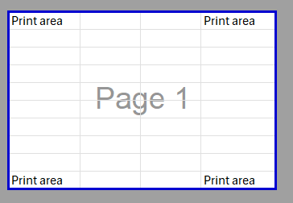
Set print area |  |  |  |  |  |  |  |  |  |  |  |  |  | EXCEL SCREENSHOT
switch to print preview to check

Print area |  |  | Print area

Print area |  |  | Print area

Hide and group rows and columns

hidden rows:

grouped rows:

Hide and unhide sheets; Supports "very hidden" sheets |  |  |  |  |  |  |  |  |  |  |  |  |  | EXCEL SCREENSHOT
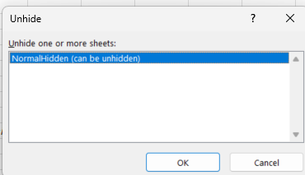
There is a hidden sheet and a "veryhidden" sheet in this file.
When you right-click on a sheet name at the bottom and click "unhide", it should only offer you to unhide the normal-hidden sheet!


Comments (simple "notes" and threaded "comments")

 | comment
 | note

Freeze panes
Is the first column and row always visible when you scroll?

Format cells as text when started with '
first should be TRUE, second should be FALSE

 | is number?
100 | TRUE
100 | FALSE

Name manager / giving names to cells to reference them
25
25 | should return the same as the cell above

Hyperlinks in cells
example.com |  | can you open it by clicking on the link?

Link to other spreadsheet files
Open another spreadsheet, start the formula here with "=" and then select a cell in the other file. Does it work? Does it show the correct result?

Check, update and edit external links
Does a reference to another spreadsheets update if the value changes in the other spreadsheet?

Merge cells
Are these 5 cells merged?

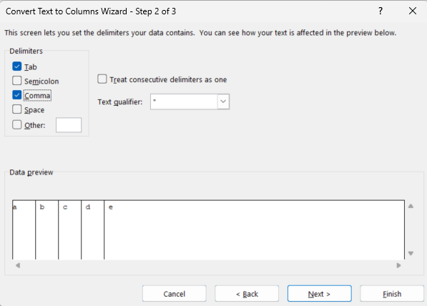
Split text into multiple columns |  |  |  |  |  |  |  |  |  |  |  |  | EXCEL SCREENSHOT
Can you split this into 5 columns with the comma as the delimiter?

a, b, c, d, e

Apply formulas on multiple adjacent sheets (3D reference)
Counts how many cells are not empty in A1:B3 in all sheets between START and END.
Does this return a valid number?

8

3. Basic calculation features
Data table
Change the yellow cells and recalculate sheet. Do the green numbers change and show the product of the yellow cells?

Input 1 | 2 |  | Output | 6
Input 2 | 3 |  |  | = Input 1 * Input 2

 |  | Input 1
 | 6 | 1 | 2 | 3
Input 2 | 1 | 1 | 2 | 3
 | 2 | 2 | 4 | 6
 | 3 | 3 | 6 | 9

Goalseek |  |  |  |  | EXCEL SCREENSHOT
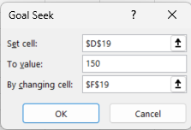
$ value today |  | $ value in 5 years |  | Interest p.a.
100 |  | 127.62815625 |  | 5%

What does the interest have to be for the $100 to be worth $150 in 5 years?

Iterative calculation

Input | Timestamp |  | 1. Enable iterative calculation in Excel Options -> Formulas
 |  |  | 2. Enter anything in the input field, timestamp cells should then be populated

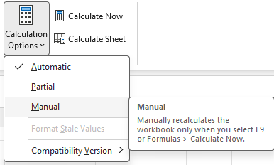
Can disable automatic recalculation
a | b | a+b |  | 1. Disable automatic recalculation
1 | 2 | 3 |  | 2. Change a or b to another value
 |  |  |  | Does a+b stay 3 (i.e. not recalculated)?

4. Formatting
Border styles and colours |  |  |  | EXCEL SCREENSHOT
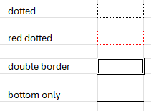
dotted

red dotted

double border

bottom only

Two-colour fill for cell backgrounds

 |  |  | (vertical, diagonal, from centre)

Pattern fill for cell backgrounds

Conditional formatting (incl. apply colour scales or insert data bars)
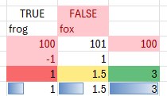
TRUE | FALSE |  | red if false
frog | fox |  | red if text contains X
100 | 101 | 100 | red if duplicate
-1 | 1 |  | red if <0
1 | 1.5 | 3 | colour scale
1 | 1.5 | 3 | data bars

Text formatting
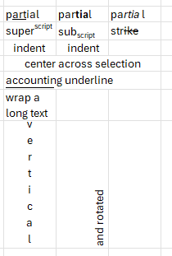
partial | partial | partial | Rich text, including partial formatting in a cell
superscript | subscript | strike | (Partial) superscript / subscript / strikethrough
indent | indent |  | Indent (left and right align)
center across selection |  |  | Center across selection (without merging cells)
accounting underline |  |  | Accounting underline
wrap a long text |  |  | Wrap text
vertical | and rotated |  | Vertical and rotated text

Number formats
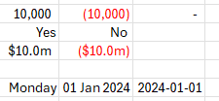
10,000 | (10,000) | - | #,##0_);[red](#,##0);-_)
Yes | No |  | [=1]"Yes";"No"
$10.0m | ($10.0m) |  | $0.0,,"m"_);[Red]($0.0,,"m");-_)
 |  |  | ;;; (should appear blank)
2024-01-01 | 2024-01-01 | 2024-01-01 | Date formatting: dddd, dd mmm yyyy, yyyy-mm-dd

5. Object features
Insert shapes, arrows, textboxes, and images |  |  |  |  |  |  |  |  |  |  | EXCEL SCREENSHOT
text


Place images in cell

 | picture will move with the cell when rows are cut and pasted, and it will automatically resize to fit the new dimensions of the cell when the row height or column width is changed |  |  |  |  |  |  |  |  | 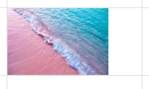

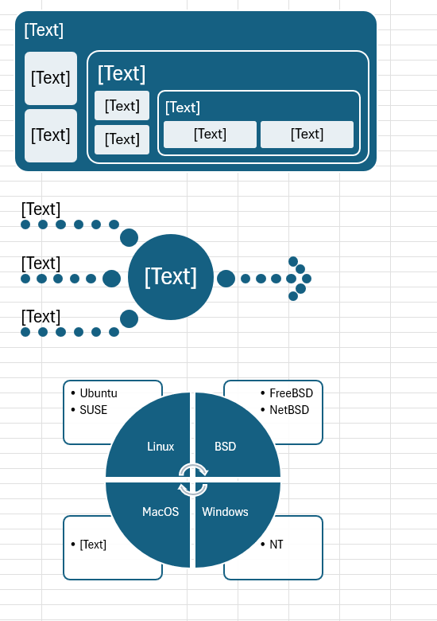

SmartArt (examples):

 |  |  |  | can you edit the text labels easily?
 |  |  |  | can you easily change the number of items?

 |  |  |  | Excel SmartArt input dialog:
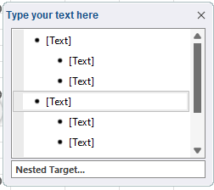

Mathematical formulas

$$f\left(x\right)=a_{0}+\sum_{n=1}^{∞}{\left(a_{n}\cos{\frac{nπx}{L}}+b_{n}\sin{\frac{nπx}{L}}\right)}$$

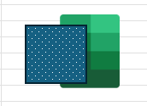
Group multiple objects

 | can you ungroup and regroup the objects?
 | does resizing keep the same proportions of the grouped objects?

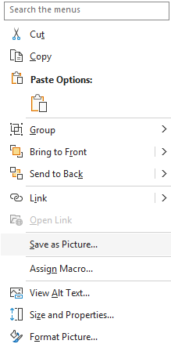
Save objects as picture

can you save the grouped objects above as a picture?

Apply effects on objects

Shadow | Reflection | Glow |  | Soft edges |  | 3D Format |  | 3D Rotation

Line formatting

gradient colours | transparency | width | compound style |  | dash type |  | arrow type and size |  |  | sketched lines

Fill formatting

gradient fill | transparency | texture fill |  | pattern fill

Image effects |  | Select all and then Picture Format -> Align. Can you distribute them horizontally or align all to the top?

 | Brightness, contrast etc. | Transparency |  | Colour |  | Set transparent colour |  |  | Picture styles

6. Charts
 |  |  |  |  |  | Line charts and area charts (normal/stacked/100%) |  |  |  |  |  |  |  |  |  |  |  | EXCEL SCREENSHOT

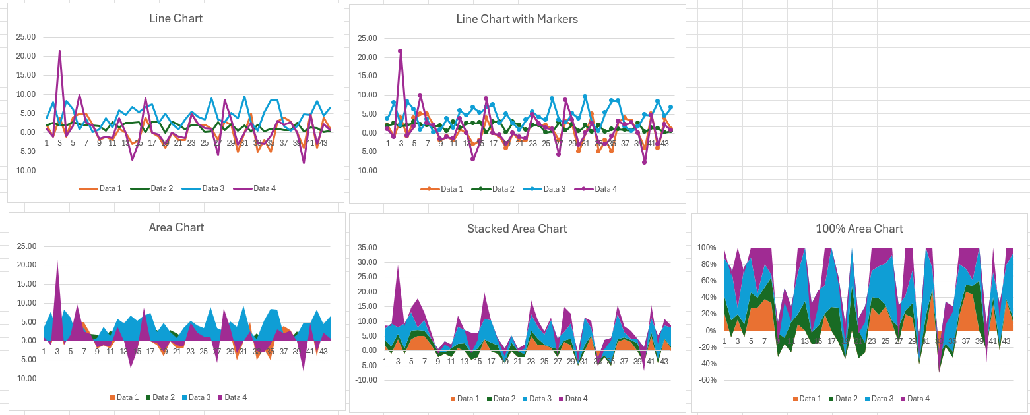
Line Chart
Line Chart with Markers
Observation | Data 1 | Data 2 | Data 3 | Data 4
1 | 2.00 | 1.81 | 3.81 | 1.05
2 | -1.00 | 2.59 | 7.87 | -1.09
3 | 4.00 | 1.81 | 2.09 | 21.44
4 | -1.00 | 1.96 | 8.32 | -0.81
5 | 4.00 | 2.84 | 6.21 | 1.74
6 | 5.00 | 2.16 | 0.90 | 9.80
7 | 5.00 | 1.96 | 3.57 | 2.64
8 | 2.00 | 1.88 | 0.15 | 1.97
9 | -2.00 | 1.79 | 0.85 | -1.66
10 | -1.00 | 0.45 | 3.81 | -1.07
11 | -2.00 | 2.82 | 1.40 | -1.37
12 | 1.00 | 1.41 | 5.91 | 3.75
13 | 0.00 | 2.57 | 4.64 | 0.00
14 | -3.00 | 2.56 | 6.71 | -7.06
15 | -2.00 | 2.75 | 5.34 | -2.38
Area Chart
Stacked Area Chart
100% Area Chart
16 | 4.00 | 0.09 | 6.77 | 8.91
17 | 0.00 | 2.98 | 7.42 | 0.00
18 | -1.00 | 2.95 | 2.50 | -0.57
19 | -4.00 | 0.04 | 4.92 | -2.88
20 | 0.00 | 2.89 | 2.48 | 0.00
21 | -2.00 | 2.00 | 0.89 | -1.06
22 | -2.00 | 0.84 | 3.44 | -1.48
23 | 5.00 | 1.99 | 5.45 | 4.81
24 | 2.00 | 2.10 | 4.18 | 2.30
25 | 2.00 | 0.11 | 3.39 | 1.26
26 | 1.00 | 0.39 | 9.06 | 1.01
27 | -2.00 | 2.73 | 3.49 | -5.83
28 | 3.00 | 0.64 | 2.71 | 8.69
29 | 2.00 | 2.21 | 5.12 | 3.38
30 | -5.00 | 0.50 | 3.76 | -3.11
31 | 0.00 | 1.96 | 9.43 | 0.00
32 | 5.00 | 0.28 | 2.53 | 2.54 |  | Bar and column charts (clustered or stacked)
33 | -5.00 | 2.03 | 0.43 | -2.53
34 | -2.00 | 0.32 | 5.38 | -2.95 |  |  |  |  |  |  |  |  |  |  |  |  |  | EXCEL SCREENSHOT
Clustered Column Chart
Stacked Column Chart
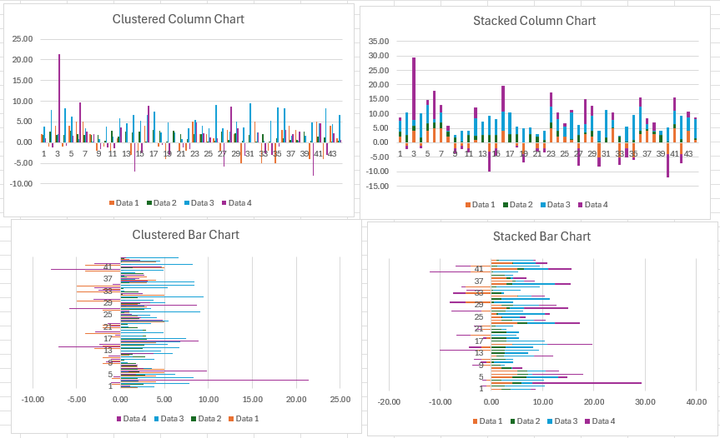
35 | -5.00 | 1.06 | 8.44 | -0.91
36 | 3.00 | 1.04 | 8.39 | 3.08
37 | 4.00 | 0.73 | 1.64 | 2.14
38 | 3.00 | 0.73 | 0.47 | 2.68
39 | 0.00 | 2.58 | 1.67 | 0.00
40 | -4.00 | 0.37 | 4.85 | -7.96
41 | 5.00 | 1.39 | 4.67 | 4.65
42 | -4.00 | 1.18 | 8.24 | -3.02
43 | 4.00 | 0.18 | 4.50 | 2.22
44 | 1.00 | 0.44 | 6.65 | 0.60

Month | Week | Sales
Jan |  | 0.14049842841
Feb | Week 1 | 0.0042689393329
 | Week 2 | 0.15705102818
Clustered Bar Chart
Stacked Bar Chart
 | Week 3 | 0.12914054571
 | Week 4 | 0.24139316504
Mar |  | 0.6910485842

Red | 10%
Blue | 20%
Yellow | 25%
Green | 13%
Purple | 25%
Orange | 7%

 |  |  |  |  |  | Pie charts (incl. doughnut and pie of pie) |  |  |  |  |  |  |  |  |  |  |  | EXCEL SCREENSHOT

Pie Chart
Dougnut Chart
Pie of Pie Chart (<20% = "Other")

 |  |  |  |  |  | Scatterplot
Scatterplot
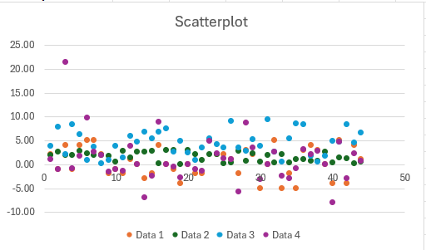

 |  |  |  |  |  | Bubble charts
Bubble chart with different sizes
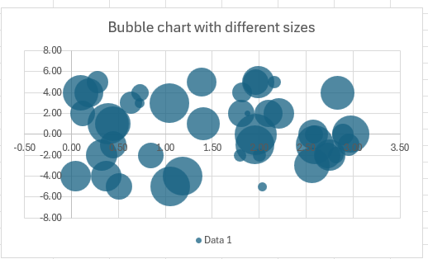

 |  |  |  |  |  |  |  |  |  |  |  |  |  | bubble size correct?

 |  |  |  |  |  | Radar charts
Radar Chart
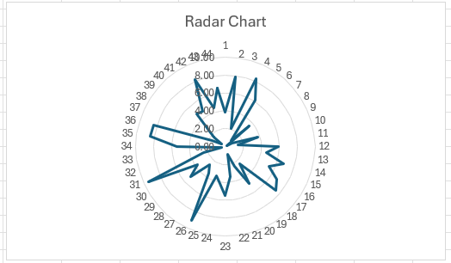

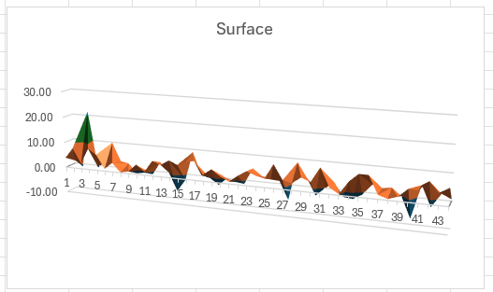
 |  |  |  |  |  | Surface charts
Surface

 |  |  |  |  |  | Treemap and sunburst charts

 |  |  |  |  |  | Others: histogram, funnel, waterfall, box & whisker

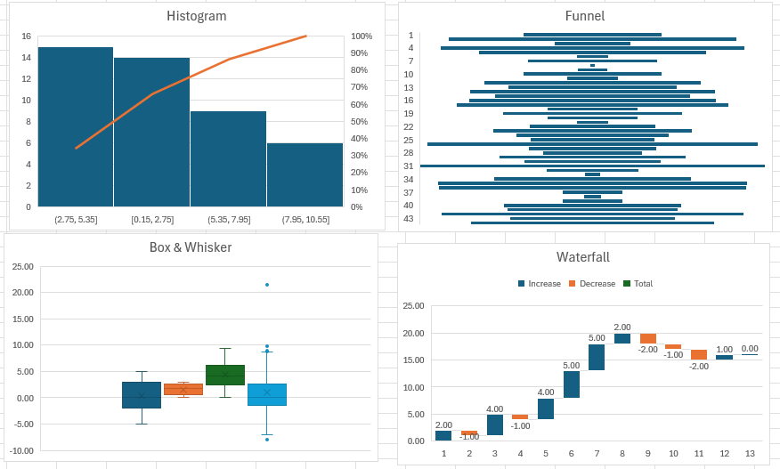

 |  |  |  |  |  | Maps

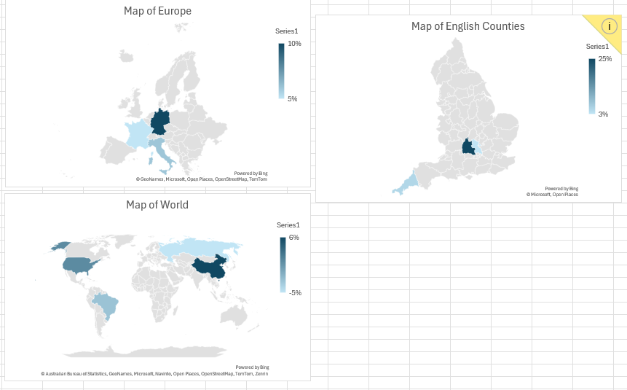
Germany | 10%
France | 5%
Italy | 6%

Berkshire | 15%
Oxfordshire | 25%
Buckinghamshire | 3%
Cornwall | 5%

Russia | -5%
USA | 1%
China | 5.50%
Brazil | -2.75%

 |  |  |  |  |  | Sparklines

 |  |  |  |  |  |  |  |  |  |  |  | Sparklines
 |  |  |  |  |  | 0.4525274824 | 0.54586820321 | 0.50164395043 | 0.87886473166 | 0.32760326213 | 0.75385310469 |  | Line
 |  |  |  |  |  | 0.49940905086 | 0.9347397081 | 0.52724774109 | 0.035794551154 | 0.45441756956 | 0.96952130907 |  | Column
 |  |  |  |  |  | 0.2886 | 0.3226 | 0.2638 | -0.9207 | -0.4388 | 0.7916 |  | Win/loss

 |  |  |  |  |  | Combination of different chart types
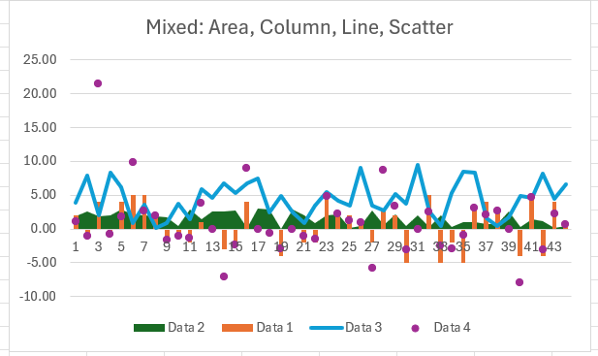
Mixed: Area, Column, Line, Scatter

 |  |  |  |  |  | Secondary y-axis
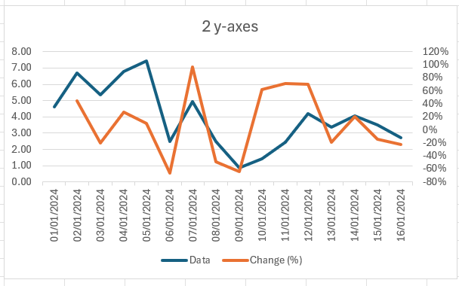
2 y-axes
 | Data | Change (%)
1/1/2024 | 4.64
1/2/2024 | 6.71 | 45%
1/3/2024 | 5.34 | -21%
1/4/2024 | 6.77 | 27%
1/5/2024 | 7.42 | 10%
1/6/2024 | 2.50 | -66%
1/7/2024 | 4.92 | 97%
1/8/2024 | 2.48 | -50%
1/9/2024 | 0.89 | -64%
1/10/2024 | 1.44 | 62%
1/11/2024 | 2.45 | 71%
1/12/2024 | 4.18 | 70%
1/13/2024 | 3.39 | -19%
1/14/2024 | 4.06 | 20%
1/15/2024 | 3.49 | -14%
1/16/2024 | 2.71 | -23%

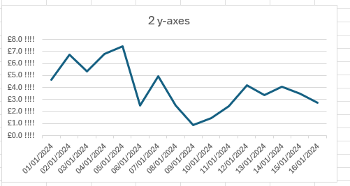
 |  |  |  |  |  | Custom number formatting for axis legends
2 y-axes

 |  |  |  |  |  | Positioning options for axis labels (high, low etc.)

"High" axis label
 | 2
 | -1
 | 4
 | -1
 | 4
 | 5
 | 5
 | 2
 | -3
 | -2
 | 4
 | 0
 | -1
 | -4
"Low" axis label
 | 2
 | -1
 | 4
 | -1
 | 4
 | 5
 | 5
 | 2
 | -3
 | -2
 | 4
 | 0
 | -1
 | -4

 |  |  |  |  |  | Manually reposition individual data labels with mouse
 |  |  |  |  |  |  |  |  |  |  |  |  |  | can you drag the data labels and they will move and add a connector line, like in this screenshot?
Data labels
 | 2
 | -1
 | 4
 | -1
 | 4
 | 5
 | 5
 | 2
 | -3
 | -2
 | 4
 | 0
 | -1
 | -4
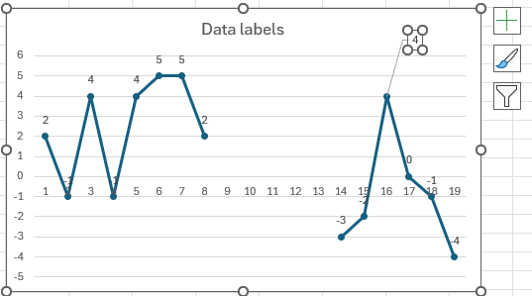

 |  |  |  |  |  | Skip empty values and #n/a values |  |  |  |  |  |  |  |  |  |  |  |  | EXCEL SCREENSHOT

Skip empty rows
 | 2
 | -1
 | 4
 | -1
 | 4
 | 5
 | 5
 | 2
 | -3
 | -2
 | 4
 | 0
 | -1
 | -4
Skip rows with errors

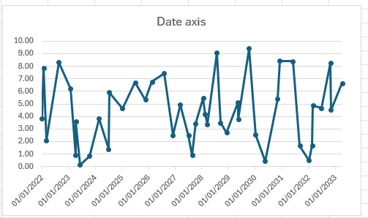
 |  |  |  |  |  | Treat dates as dates (not text) on x-axis
Date axis
 |  |  |  |  |  |  |  |  |  |  |  |  |  | is the spacing of data on the x-axis based on the time between dates?

 |  |  |  |  |  | Date axis: show multiple values with same date together / ignore #N/A dates at the end of the range
Date axis - last rows empty/same date
 | Data
1/1/2024 | 4.64
1/2/2024 | 6.71
1/3/2024 | 5.34
1/4/2024 | 6.77
1/5/2024 | 7.42
1/6/2024 | 2.50
1/7/2024 | 4.92
2/29/2024 | 2.48
3/31/2024 | 0.89
4/30/2024 | 3.44
5/31/2024 | 5.45
6/30/2024 | 4.18
7/31/2024 | 3.39
8/31/2024 | 9.06
9/30/2024 | 3.49
9/30/2025 | 2.71
9/30/2025
9/30/2025
9/30/2025
9/30/2025
9/30/2025
Date axis - last rows #N/A (to be ignored)

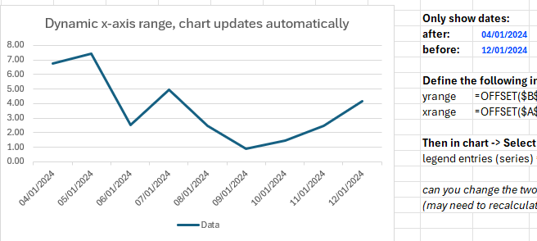
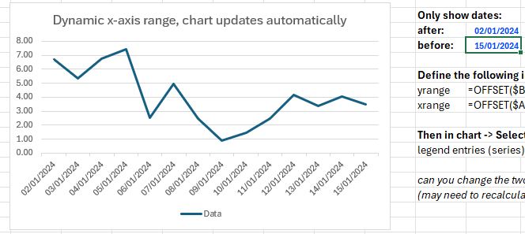
Dynamic x-axis range, chart updates automatically
 | Data
1/4/2024 | 6.77
1/5/2024 | 7.42
1/6/2024 | 2.50
1/7/2024 | 4.92
1/8/2024 | 2.48
1/9/2024 | 0.89
1/10/2024 | 1.44
1/11/2024 | 2.45
1/12/2024 | 4.18
 | CHART TITLE
Date | Data | Change (%) |  |  |  | Dynamic ranges for data (as defined in name manager)
2024-01-01 | 4.64
2024-01-02 | 6.71 | 45% |  |  |  |  |  |  |  |  |  |  |  | Only show dates: |  | cut-off no
2024-01-03 | 5.34 | -21% |  |  |  |  |  |  |  |  |  |  |  | after: | 2024-01-04 | 3
2024-01-04 | 6.77 | 27% |  |  |  |  |  |  |  |  |  |  |  | before: | 2024-01-12 | 4
2024-01-05 | 7.42 | 10% |  |  |  |  |  |  |  |  |  |  |  |  |  | 9 | length
2024-01-06 | 2.50 | -66% |  |  |  |  |  |  |  |  |  |  |  | Define the following in name manager:
2024-01-07 | 4.92 | 97% |  |  |  |  |  |  |  |  |  |  |  | yrange | =OFFSET($B$178,$D$197,0,$D$199)
2024-01-08 | 2.48 | -50% |  |  |  |  |  |  |  |  |  |  |  | xrange | =OFFSET($A$178,$D$197,0,$D$199)
2024-01-09 | 0.89 | -64%
2024-01-10 | 1.44 | 62% |  |  |  |  |  |  |  |  |  |  |  | Then in chart -> Select Data:
2024-01-11 | 2.45 | 71% |  |  |  |  |  |  |  |  |  |  |  | legend entries (series) = Chart!yrange, horizontal axis labels = Chart!xrange
2024-01-12 | 4.18 | 70%
2024-01-13 | 3.39 | -19% |  |  |  |  |  |  |  |  |  |  |  | can you change the two blue dates (start and end dates) to something else in A404:A419 and the x-axis in the chart updates to use that date range?
2024-01-14 | 4.06 | 20% |  |  |  |  |  |  |  |  |  |  |  | (may need to recalculate the sheet or click into the chart for it to update)
2024-01-15 | 3.49 | -14%
2024-01-16 | 2.71 | -23%

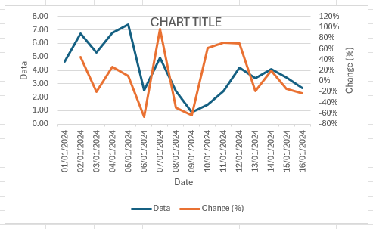
 |  |  |  |  |  | Axis titles or chart title linked to cell values |  |  |  |  |  |  |  |  |  |  |  |  |  | added "2" at the end of all labels:
CHART TITLE
 | Data | Change (%)
1/1/2024 | 4.64
1/2/2024 | 6.71 | 45%
1/3/2024 | 5.34 | -21%
1/4/2024 | 6.77 | 27%
1/5/2024 | 7.42 | 10%
1/6/2024 | 2.50 | -66%
1/7/2024 | 4.92 | 97%
1/8/2024 | 2.48 | -50%
1/9/2024 | 0.89 | -64%
1/10/2024 | 1.44 | 62%
1/11/2024 | 2.45 | 71%
1/12/2024 | 4.18 | 70%
1/13/2024 | 3.39 | -19%
1/14/2024 | 4.06 | 20%
1/15/2024 | 3.49 | -14%
1/16/2024 | 2.71 | -23%
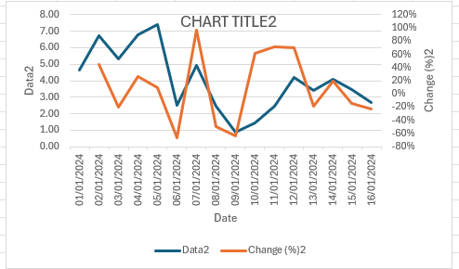
 |  |  |  |  |  |  |  |  |  |  |  |  |  | can you change the blue labels in B402 and B403:C403 and the axis and chart titles update?
 |  |  |  |  |  |  |  |  |  |  |  |  |  | (may need to recalculate the sheet or click into the chart for it to update)

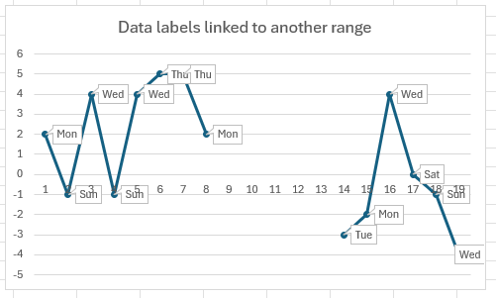
 |  |  |  |  |  |  |  |  |  |  |  |  |  |  |  |  |  |  |  | all changed to "sdf":
 |  |  |  |  |  | Data labels linked to a range of cells
Data labels linked to another range
 | 2
 | -1
 | 4
 | -1
 | 4
 | 5
 | 5
 | 2
 | -3
 | -2
 | 4
 | 0
 | -1
 | -4
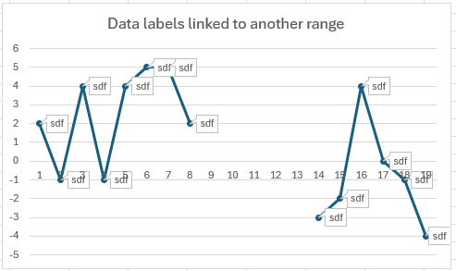

 |  |  |  |  |  |  |  |  |  |  |  |  |  | can you change the blue labels in J476:J494 and the data labels in the chart will update?
 |  |  |  |  |  |  |  |  |  |  |  |  |  | (may need to recalculate the sheet or click into the chart for it to update)

Date | Data
2022-01-01 | 3.81
2022-01-25 | 7.87
2022-03-03 | 2.09
2022-08-19 | 8.32
2023-01-28 | 6.21
2023-04-06 | 0.90
2023-04-12 | 3.57
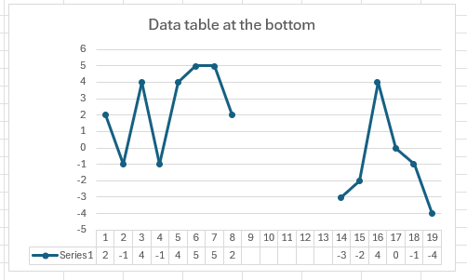
2023-06-08 | 0.15
2023-10-13 | 0.85
2024-02-21 | 3.81 |  |  |  |  | Data table at the bottom
Data table at the bottom
 | 2
 | -1
 | 4
 | -1
 | 4
 | 5
 | 5
 | 2
 | -3
 | -2
 | 4
 | 0
 | -1
 | -4
2024-07-04 | 1.40
2024-07-11 | 5.91
2025-01-06 | 4.64
2025-07-03 | 6.71
2025-11-21 | 5.34
2026-02-18 | 6.77
2026-07-31 | 7.42
2026-12-03 | 2.50
2027-03-09 | 4.92
2027-07-04 | 2.48
2027-08-23 | 0.89
2027-10-09 | 3.44
2028-01-19 | 5.45
2028-02-17 | 4.18
2028-03-15 | 3.39
2028-07-21 | 9.06
2028-09-12 | 3.49
2028-12-06 | 2.71 |  | Date | Data | Date | Data |  | Label | Data
2029-05-08 | 5.12 |  | 2024-01-01 | 4.64 | 2024-01-01 | 4.64 |  | Mon | 2 | 2
2029-05-17 | 3.76 |  | 2024-01-02 | 6.71 | 2024-01-02 | 6.71 |  | Sun | -1 | -1
2029-10-07 | 9.43 |  | 2024-01-03 | 5.34 | 2024-01-03 | 5.34 |  | Wed | 4 | 4
2030-01-07 | 2.53 |  | 2024-01-04 | 6.77 | 2024-01-04 | 6.77 |  | Sun | -1 | -1
2030-05-18 | 0.43 |  | 2024-01-05 | 7.42 | 2024-01-05 | 7.42 |  | Wed | 4 | 4
2030-10-31 | 5.38 |  | 2024-01-06 | 2.50 | 2024-01-06 | 2.50 |  | Thu | 5 | 5
2030-12-04 | 8.44 |  | 2024-01-07 | 4.92 | 2024-01-07 | 4.92 |  | Thu | 5 | 5
2031-06-01 | 8.39 |  | 2024-02-29 | 2.48 | 2024-02-29 | 2.48 |  | Mon | 2 | 2
2031-09-03 | 1.64 |  | 2024-03-31 | 0.89 | 2024-03-31 | 0.89 |  |  |  | #N/A
2032-01-05 | 0.47 |  | 2024-04-30 | 3.44 | 2024-04-30 | 3.44 |  |  |  | #N/A
2032-02-22 | 1.67 |  | 2024-05-31 | 5.45 | 2024-05-31 | 5.45 |  |  |  | #N/A
2032-03-04 | 4.85 |  | 2024-06-30 | 4.18 | 2024-06-30 | 4.18 |  |  |  | #N/A
2032-06-26 | 4.67 |  | 2024-07-31 | 3.39 | 2024-07-31 | 3.39 |  |  |  | #N/A
2032-10-29 | 8.24 |  | 2024-08-31 | 9.06 | 2024-08-31 | 9.06 |  | Tue | -3 | -3
2032-11-03 | 4.50 |  | 2024-09-30 | 3.49 | 2024-09-30 | 3.49 |  | Mon | -2 | -2
2033-04-08 | 6.65 |  | 2025-09-30 | 2.71 | 2025-09-30 | 2.71 |  | Wed | 4 | 4
 |  |  | 2025-09-30 |  | #N/A | #N/A |  | Sat | 0 | 0
 |  |  | 2025-09-30 |  | #N/A | #N/A |  | Sun | -1 | -1
 |  |  | 2025-09-30 |  | #N/A | #N/A |  | Wed | -4 | -4
 |  |  | 2025-09-30 |  | #N/A | #N/A
 |  |  | 2025-09-30 |  | #N/A | #N/A

