kmet1
Welch Two Sample t-test

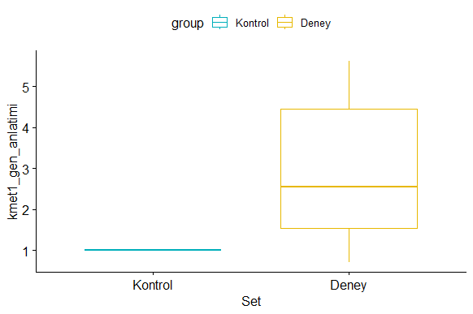
data: hk and kmet1
t = -2.4371, df = 5.0001, p-value = 0.05886
alternative hypothesis: true difference in means is not equal to 0
95 percent confidence interval:
-4.0102369 0.1069036
sample estimates:
mean of x mean of y
1.003333 2.955000

# A tibble: 2 × 4
group count mean sd
<chr> <int> <dbl> <dbl>
1 Deney 6 2.96 1.96
2 Kontrol 6 1.00 0.00516

kmet2
Welch Two Sample t-test

data: hk and kmet2
t = -3.5171, df = 5, p-value =0.01697

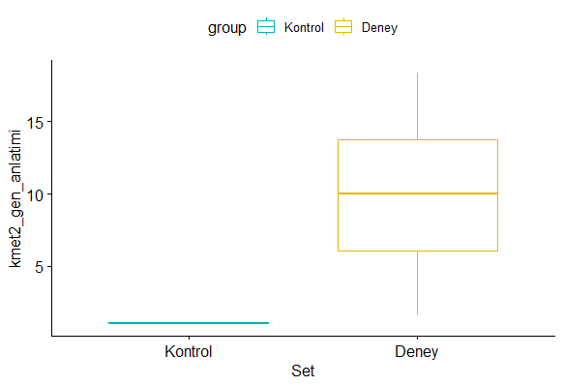
alternative hypothesis: true difference in means is not equal to 0
95 percent confidence interval:
-15.499997 -2.410003
sample estimates:
mean of x mean of y
1.003333 9.958333

# A tibble: 2 × 4
group count mean sd
<chr> <int> <dbl> <dbl>
1 Deney 6 9.96 6.24
2 Kontrol 6 1.00 0.00516

mgv1
# A tibble: 2 × 4
group count mean sd
<chr> <int> <dbl> <dbl>
1 Deney 6 0.47 0.364
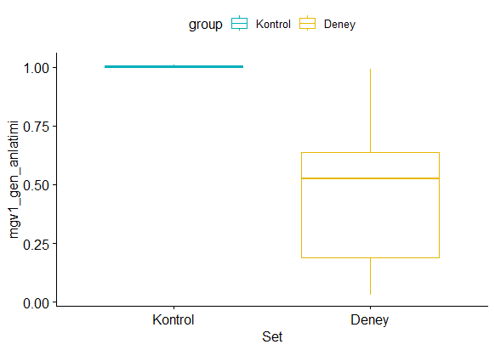
2 Kontrol 6 1.00 0.00516

Welch Two Sample t-test

data: hk and mgv1
t = 3.5883, df = 5.002, p-value = 0.01573
alternative hypothesis: true difference in means is not equal to 0
95 percent confidence interval:
0.1513120 0.9153547
sample estimates:
mean of x mean of y
1.003333 0.470000

hog1
Welch Two Sample t-test

data: hk and hog1
t = 5.3645, df = 5.0028, p-value = 0.003023
alternative hypothesis: true difference in means is not equal to 0
95 percent confidence interval:
0.3548162 1.0075171
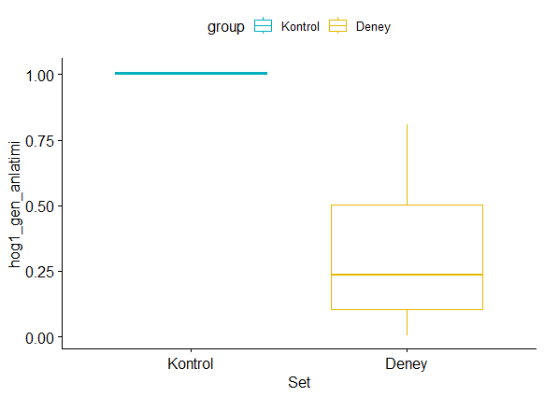
sample estimates:
mean of x mean of y
1.0033333 0.3221667

# A tibble: 2 × 4
group count mean sd
<chr> <int> <dbl> <dbl>
1 Deney 6 0.322 0.311
2 Kontrol 6 1.00 0.00516

pod
Welch Two Sample t-test

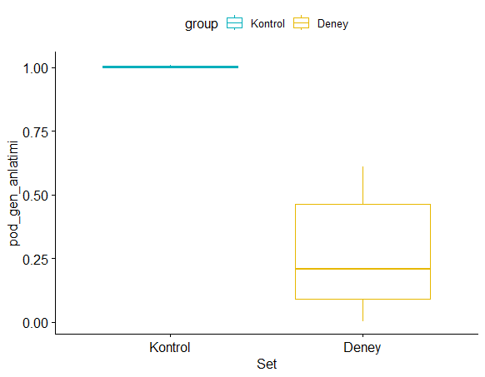
data: hk and pod
t = 7.1697, df = 5.0043, p-value = 0.0008179
alternative hypothesis: true difference in means is not equal to 0
95 percent confidence interval:
0.4690875 0.9932458
sample estimates:
mean of x mean of y
1.0033333 0.2721667

# A tibble: 2 × 4
group count mean sd
<chr> <int> <dbl> <dbl>
1 Deney 6 0.272 0.250
2 Kontrol 6 1.00 0.00516

