Sheet1
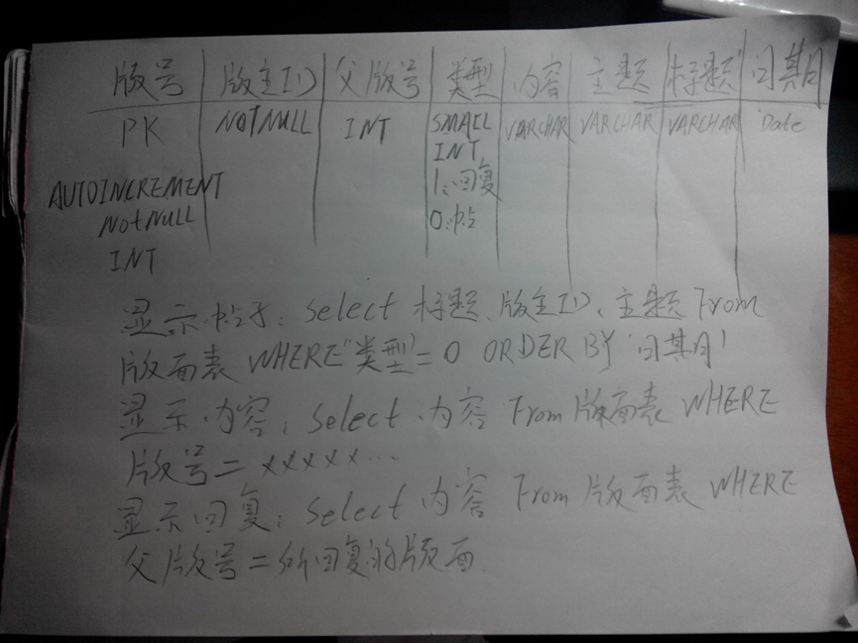
users:
id | username | passowrd | email | birthday | regdate | onlinedays | gender | major | grade | class | homeaddress | dorm | single | note
int auto increment | varchar(24) | varchar(64) | varchar(24) | varchar(8) | varchar(8) | tiny int | enum('m','f','s') | varchar(32) | tiny int | varchar(20) | varchar(32) | varchar(32) | bool | varchar(32)

managers:
id | username | password | email | club | regdate | gender | estate | head
tiny int atuo increment | varchar(24) | varchar(64) | varchar(24) | varchar(24) | varchar(8) | enum('male','female') | tiny int | varchar(12)

article:
id | author id | tags | headline | date | link
 |  | 标签,int,可约定

comments:
id |  | article

reply:
id | parent id | content
int auto increment

