Report_Loans
Report about the Loans Data
SUMMARY:
This portfolio involves 11 borrowers for a total of about $5,5 milion.
In the first sheet of this report we analyze it on a Loan level.
A borrower can be counted more the once, if it has a loan with guarantors and another without.
In the second one we do it on a borrower level.

 | Totals
 | Borrowers | N Loans | Total GBV
 | 11 | 27 | 5482.3k

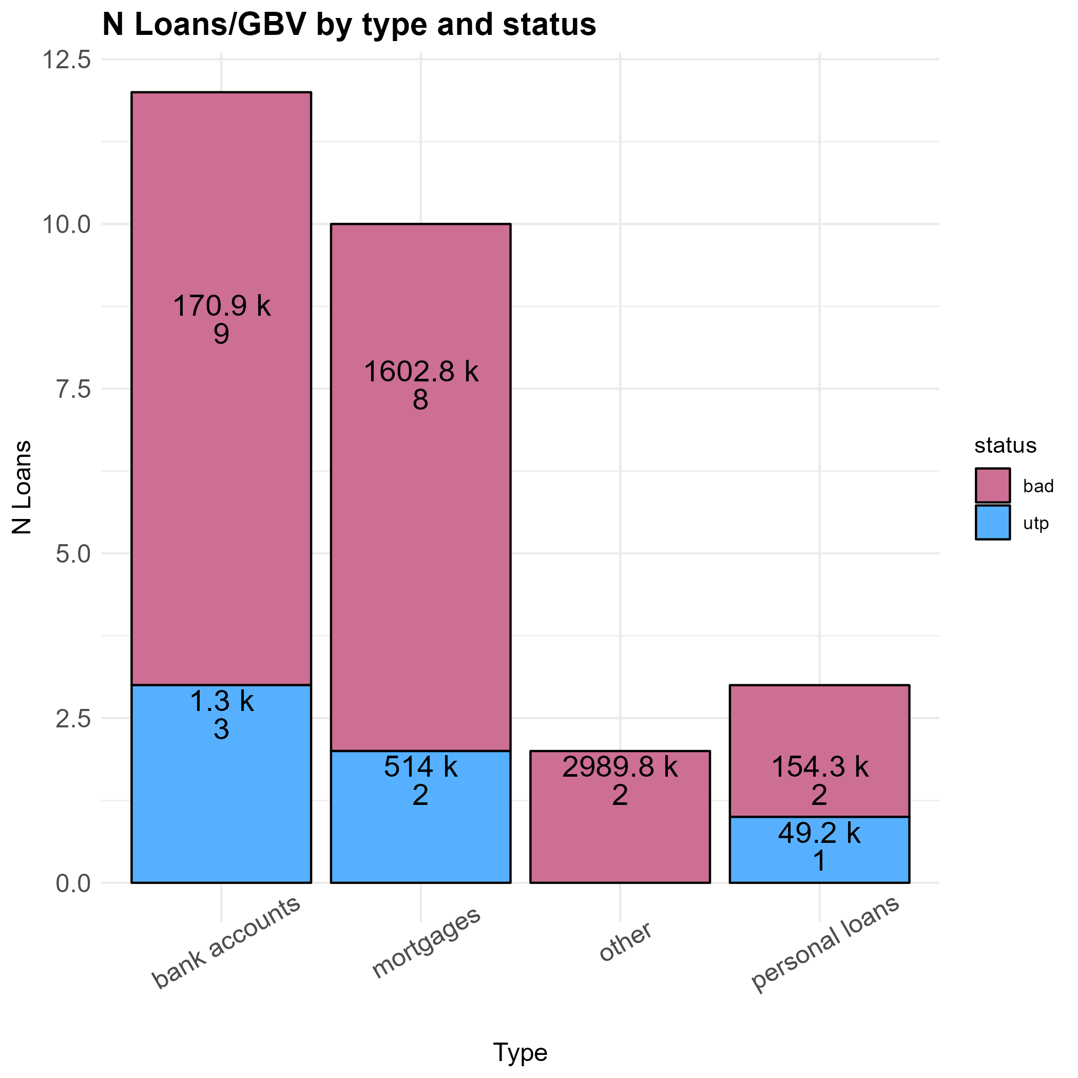
 |  |  |  | Loans with/without Guarantors
 |  |  |  |  | N Borrowers | Borrowers Ratio | N Loans | GBV Sum | GBV Mean
 |  |  |  | Totals | 15 |  | 27 | 5482.3k
 |  |  |  | with guarantors | 8 | 53.3% | 17 | 2593.9k | 152.6k
 |  |  |  | without guarantors | 7 | 46.7% | 10 | 2888.4k | 288.8k

 |  |  |  | Table for type of Loan
 |  |  |  | Type of Loan | N Borrowers | Borrowers Ratio | N Loans | GBV Sum | GBV Mean
 |  |  |  | Totals | 22 |  | 27 | 5482.3k
 |  |  |  | bank accounts | 10 | 45.5% | 12 | 172.3k | 14.4k
 |  |  |  | mortgages | 7 | 31.8% | 10 | 2116.8k | 211.7k
 |  |  |  | other | 2 | 9.1% | 2 | 2989.8k | 1494.9k
 |  |  |  | personal loans | 3 | 13.6% | 3 | 203.5k | 67.8k

 |  |  |  | Table for status of Loan
 |  |  |  | Status of Loan | N Borrowers | Borrowers Ratio | N Loans | GBV Sum | GBV Mean
 |  |  |  | Totals | 11 |  | 27 | 5482.3k
 |  |  |  | bad | 8 | 72.7% | 21 | 4917.8k | 234.2k
 |  |  |  | utp | 3 | 27.3% | 6 | 564.5k | 94.1k

 |  |  |  | Table for gbv clusters
 |  |  |  | GBV Clusters | N Borrowers | Borrowers Ratio | N Loans | GBV Sum | GBV Mean
 |  |  |  | Totals | 19 |  | 27 | 5482.3k
 |  |  |  | 0-60k | 10 | 52.6% | 15 | 202.2k | 13.5k
 |  |  |  | 60k-300k | 5 | 26.3% | 7 | 995.7k | 142.2k
 |  |  |  | 300k + | 4 | 21.1% | 5 | 4284.4k | 856.9k

 |  |  |  | by status and gbv clusters
 |  |  |  | Status | Range GBV | N Borrowers | Borrowers Ratio | N Loans | GBV Sum | GBV Mean
 |  |  |  | Totals |  | 19 |  | 27 | 5482.3k
 |  |  |  | bad | 0-60k | 7 | 36.8% | 10 | 112.1k | 11.2k
 |  |  |  | bad | 60k-300k | 5 | 26.3% | 7 | 995.7k | 142.2k
 |  |  |  | bad | 300k + | 3 | 15.8% | 4 | 3810.0k | 952.5k
 |  |  |  | utp | 0-60k | 3 | 15.8% | 5 | 90.1k | 18.0k
 |  |  |  | utp | 60k-300k | 0 | 0% | 0 | 0.0k | 0.0k
 |  |  |  | utp | 300k + | 1 | 5.3% | 1 | 474.4k | 474.4k

Report_Borrowers
Report about the Borrower Data

 | Borrowers with/without guarantors
 | Flag | N Borrowers | Borrowers Ratio | N Loans | GBV Sum | GBV Mean
 | Totals | 11 |  | 27 | 5482.3k
 | with guarantors | 8 | 72.7% | 21 | 2596.3k | 324.5k
 | without guarantors | 3 | 27.3% | 6 | 2886.1k | 962.0k

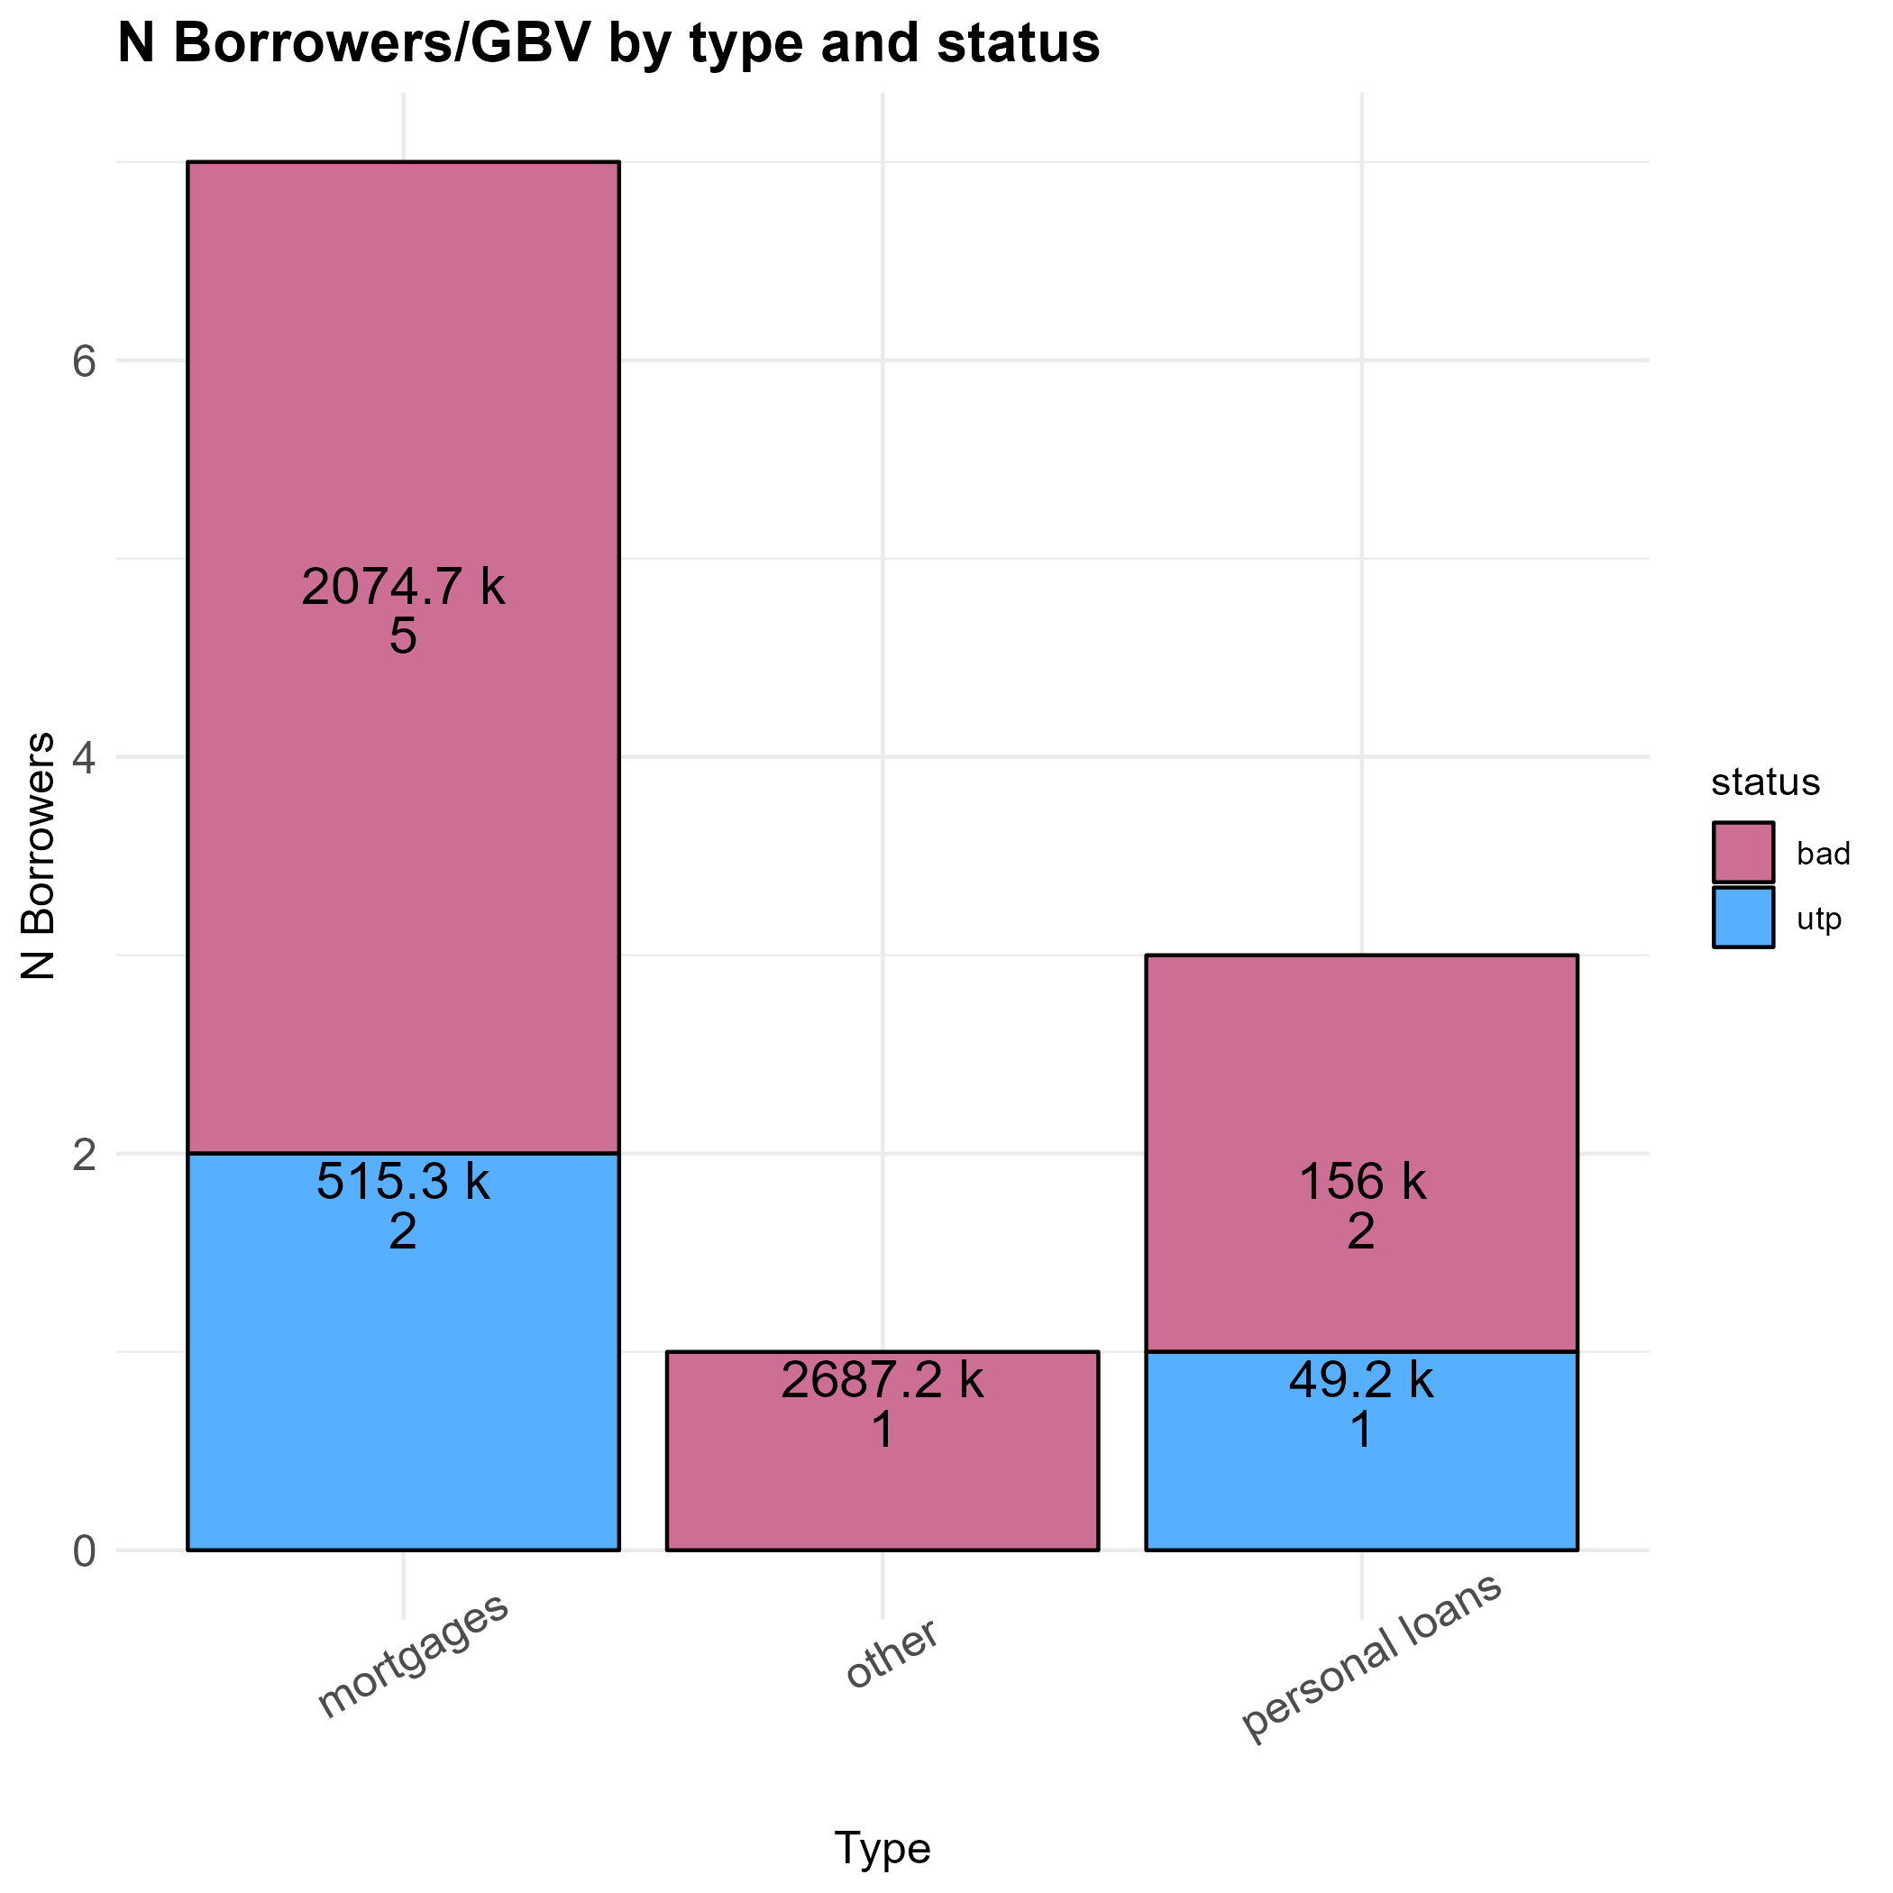
 | Table of borrowers by type
 | type | N Borrowers | Ratio | N Loans | GBV Sum | GBV Mean
 | Totals | 11 |  | 27 | 5482.3k
 | mortgages | 7 | 63.6% | 19 | 2589.9k | 370.0k
 | other | 1 | 9.1% | 1 | 2687.2k | 2687.2k
 | personal loans | 3 | 27.3% | 7 | 205.2k | 68.4k

 | Table of borrowers by status
 | status | N Borrowers | Ratio | N Loans | GBV Sum | GBV Mean
 | Totals | 11 |  | 27 | 5482.3k
 | bad | 8 | 72.7% | 21 | 4917.8k | 614.7k
 | utp | 3 | 27.3% | 6 | 564.5k | 188.2k

 | Table for area
 | Area | N Borrowers | Borrowers Ratio | N Loans | GBV Sum | GBV Mean
 | Totals | 11 |  | 27 | 5482.3k
 | north-east | 10 | 90.9% | 25 | 5406.3k | 216.3k
 | N/a | 1 | 9.1% | 2 | 76.0k | 38.0k

 | Sum of GBV by gbv CLuster/Guarantors
 | Guarantors /GBV Clusters | 0-60k | 60k-300k | 300k + | Total
 | Totals | 175.8k | 320.1k | 4986.5k | 5482.3k
 | with guarantors | 175.8k | 121.2k | 2299.3k | 2596.3k
 | without guarantors | 0.0k | 198.9k | 2687.2k | 2886.1k

