Run 1
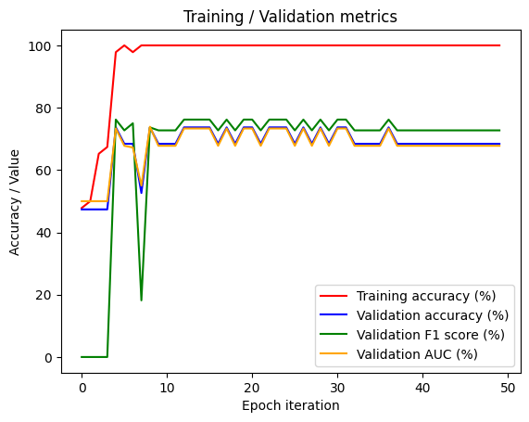
Dataset | Balanced 33/33
MIL | Yes
Network | ResNet + 2 linear layers
Aggregation method | Max pooling
Loss function | BCEWithLogitsLoss
Optimizer | Adam
Learning Rate | 0.00001
Data augmentations | No
Images trained per bag in each epoch | All
Dropout | 0.5

Run 2
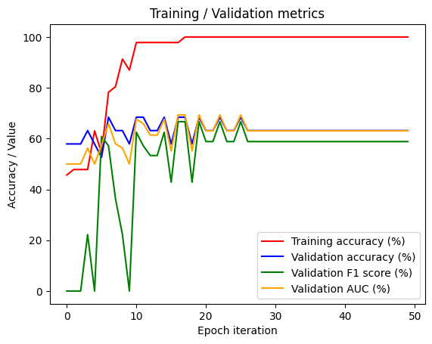
Dataset | Balanced 33/33
MIL | Yes
Network | ResNet + 2 linear layers
Aggregation method | Attention pooling
Loss function | BCEWithLogitsLoss
Optimizer | Adam
Learning Rate | 0.00001
Data augmentations | No
Images trained per bag in each epoch | All
Dropout | 0.5

Run 3
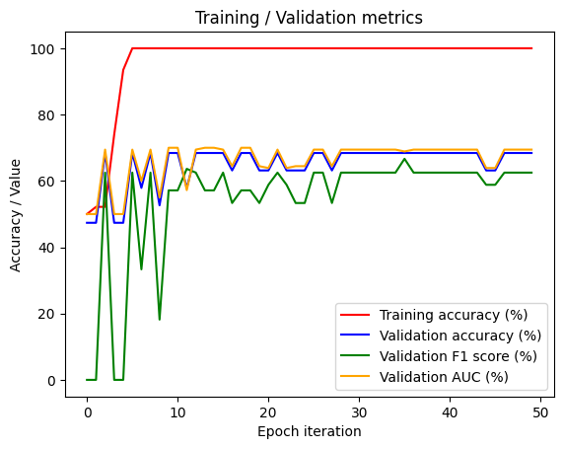
Dataset | Balanced 33/33
MIL | Yes
Network | ResNet + 2 linear layers
Aggregation method | Max pooling
Loss function | BCEWithLogitsLoss
Optimizer | Adam
Learning Rate | 0.00001
Data augmentations | No
Images trained per bag in each epoch | All
Dropout | No

Run 4
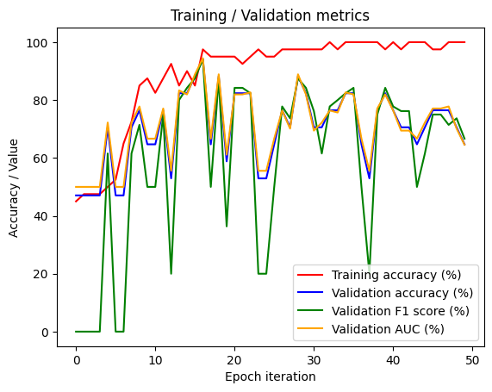
Dataset | Balanced 33/33
MIL | Yes
Network | ResNet + 2 linear layers
Aggregation method | Max pooling
Loss function | BCEWithLogitsLoss
Optimizer | Adam
Learning Rate | 0.00001
Data augmentations | No
Images trained per bag in each epoch | 20
Dropout | 0.5
Comment | In validation dataset also choose 20 images

Run 5
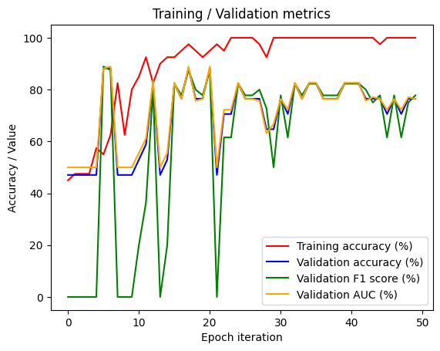
Dataset | Balanced 33/33
MIL | Yes
Network | ResNet + 2 linear layers
Aggregation method | Max pooling
Loss function | BCEWithLogitsLoss
Optimizer | Adam
Learning Rate | 0.00001
Data augmentations | No
Images trained per bag in each epoch | 20
Dropout | 0.5
Comment | Correctly implemented random sampling of images per bag

Run 6
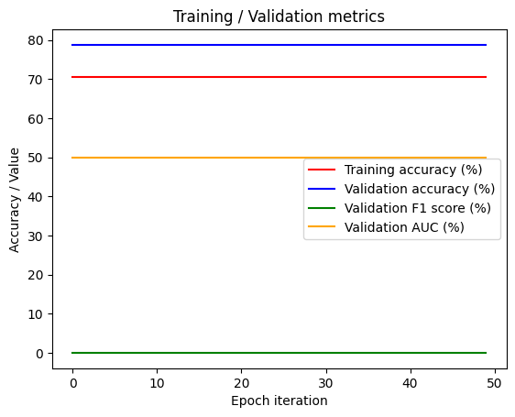
Dataset | Imbalanced 30/82
MIL | Yes
Network | ResNet + 2 linear layers
Aggregation method | Max pooling
Loss function | BCEWithLogitsLoss
Optimizer | Adam
Learning Rate | 0.00001
Data augmentations | No
Images trained per bag in each epoch | 20
Dropout | 0.5
Weight | No
Comment | Imbalanced dataset without weighting the loss function

Run 7
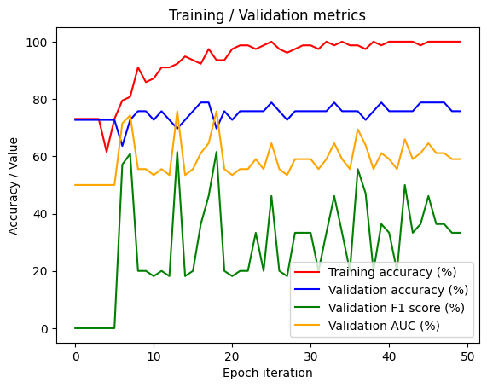
Dataset | Imbalanced 30/82
MIL | Yes
Network | ResNet + 2 linear layers
Aggregation method | Max pooling
Loss function | BCEWithLogitsLoss
Optimizer | Adam
Learning Rate | 0.00001
Data augmentations | No
Images trained per bag in each epoch | 20
Dropout | 0.5
Weight | Yes
Comment | Imbalanced dataset correctly implementing weighting of loss func

