Defects
Bug ID | Title / Description | Steps to Reproduce | Expected Result | Actual Result | Severity | Priority | Screenshot | Date Reported | Status
OHRM_BUG_001 | Date of birth field accepts a future date | 1. Open https://opensource-demo.orangehrmlive.com 2. Log in as Admin 3. Navigate to My Info -> Personal Details 3. Enter a future date in the 'Date of Birth' field 4. Click Save | System should display a validation error message. Future dates should not be allowed in the 'Date of Birth' field. Changes should not be saved. | The future date is accepted. No validation error message is displayed. Chnges are saved successfully. | High | P1 (Medium) | 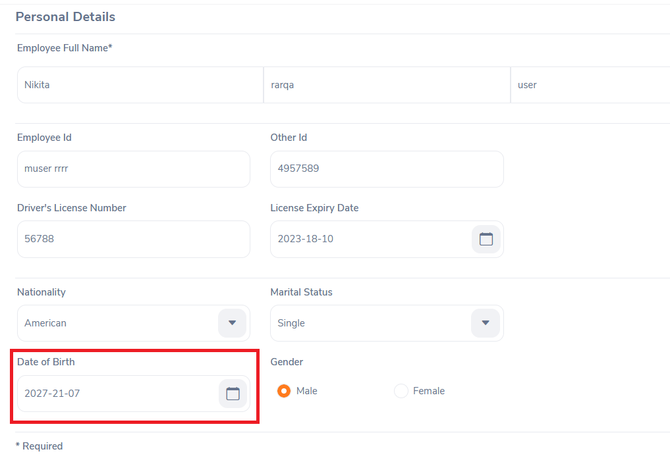 | February 2026 | Open
OHRM_BUG_002 | License Expiry Date field accepts a past date | 1. Open https://opensource-demo.orangehrmlive.com 2. Log in as Admin 3. Navigate to My Info -> Personal Details 3. Enter a past date in the 'License Expiry Date' field 4. Click Save | System should display a validation error message. Past dates should not be allowed in the 'License Expiry Date' field. Changes should not be saved. | The past date is accepted. No validation error message is displayed. Chnges are saved successfully. | Medium | P1 (Medium) | 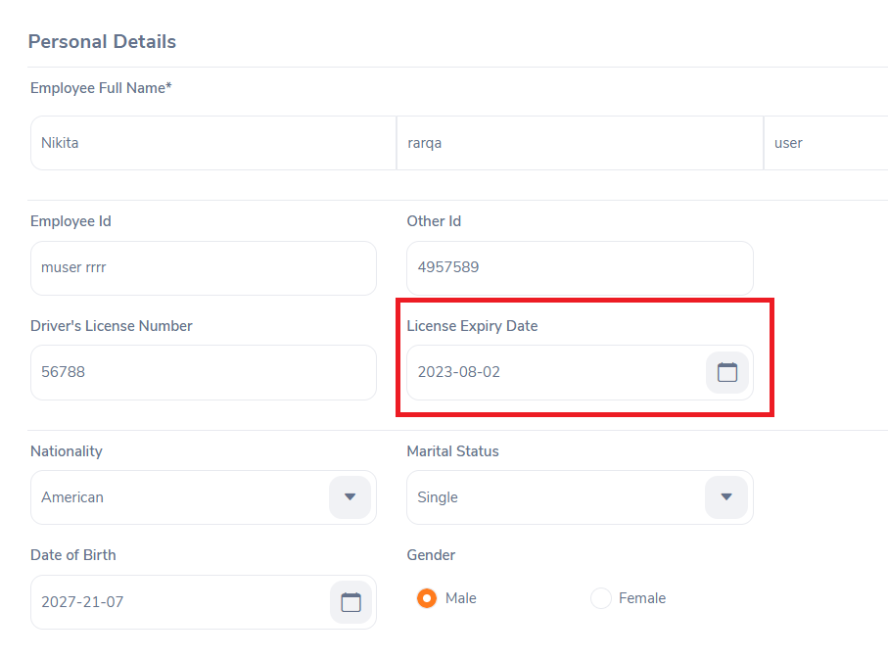 | February 2026 | Open

Observations
Bug ID | Title / Description | Steps to Reproduce | Expected Result | Actual Result | Severity | Priority | Screenshot | Date Reported | Status
OHRM_OBS_001 | Unclear purpose of 'Test_Fied' in 'Custom Fields' section under Personal Details | 1. Open https://opensource-demo.orangehrmlive.com 2. Log in as Admin 3. Navigate to My Info -> Personal Details 4. Scroll to the 'Custom Fields' section | Custom fields should have clear, meaningful labels idicating their purpose. Default values should should be relevant and clear. | A field labelled 'Test_Field' is displayed. The field contains a value of 822. No description or indication of the field's purpose is provided. | Low | P2 (Low) |  | February 2026 | Open

