Dashboard
Dashboard Visualization

Store type vs Profit
 | Total
Flagship | 374568
Online | 392050
Outlet | 185840
Loyalty level vs Customer Count
 | Count of Customer | Sum of Profit
Bronze | 125 | 219236
Gold | 122 | 228870
Platinum | 149 | 303914
Silver | 104 | 200438
Year vs Avg Discount
 | Total
2023 | 14.89%
2024 | 14.64%
2025 | 14.97%

Total Profit = 952458
Total Products=100
Total Customers=500
Total Transactions=2000
Year vs Profit and Transaction
 | Sum of Profit | Count of Sales_ID
2023 | 92890 | 217
2024 | 502294 | 999
2025 | 357274 | 784
Category vs Profit
 | Sum of Profit | Average of Discount
Beauty | 172523 | 15.31%
Clothing | 137354 | 14.08%
Electronics | 136515 | 14.93%
Home | 196125 | 14.93%
Sports | 309940 | 14.64%

Data Cleaning
Product_dim |  |  | Store_dim |  | Customer_dim
Using Power Query |  |  | Using Power Query |  | Using Power Query
1.Find and Replace |  |  | 1.Find and Replace |  | 1.Find and Replace
2. Clean and Trim | and Trim and find duplicates |  | 2. Clean and Trim | and Trim and find duplicates. | 2. Clean and Trim | and Trim and find duplicates.
3.Capitalize Each Word |  |  | 3.Capitalize Each Word |  | 3.Capitalize Each Word
4.In Cost column, change data type into decimal number |  |  |  |  | 4.In loyalty_level column to find a mode,
using statistics find average replacing it to empty cells. |  |  |  |  | I used Group By and replaced a empty cells
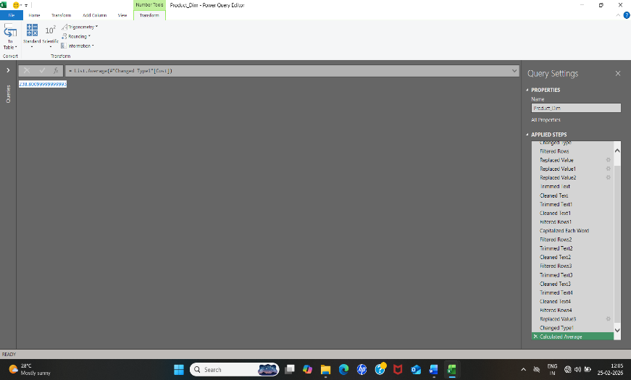
 |  |  |  |  | with Platinum.
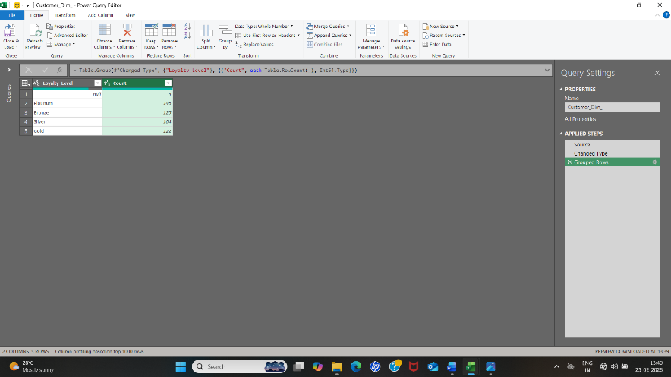
 |  |  | Sales_Fact
 |  |  | Using Formulae
 |  |  | 1.Clean and Trim
 |  |  | 2. Replacing empty values using formulae

 |  | Quantity
 |  | =IF(ISBLANK([@Quantity]),[@[Total_Amount]]/([@[Unit_Price]]*(1-[@Discount])),[@Quantity])

 |  | Unit_Prize
 |  | =IF(ISBLANK([@[Unit_Price]]),[@[Total_Amount]]/[@Quantity]*(1-[@Discount]),[@[Unit_Price]])

Using Formulae |  | Discount
5.In Stock column, replace empty values with average using formula |  | =IF(ISBLANK([@Discount]),1-([@[Total_Amount]]/([@Quantity]*[@[Unit_Price]])),[@Discount])
=INT(IF(ISBLANK([@Stock]),AVERAGE([Stock]),[@Stock]))
 |  | Total_Amount
 |  | IF(ISBLANK(Sales_Fact[@[Total_Amount]]),Sales_Fact[@Quantity]*Sales_Fact[@[Unit_Price]]*(1-Sales_Fact[@Discount]),Sales_Fact[@[Total_Amount]])

 |  |  | Final_Sales
 |  |  | Using Formulae

 |  | Category: | VLOOKUP([@[Product_ID]],Product_Dim_1,3)
 |  | Store type: | VLOOKUP([@[Store_ID]],Store_Dim_1,5)
 |  | Org Cost: | VLOOKUP([@[Product_ID]],Product_Dim_1,7)
 |  | Total Cost: | [@[Original Cost]]*[@Quantity]
 |  | Profit: | [@[Total_Amount]]-[@[Total_cost]]

Data Exploration&modelling
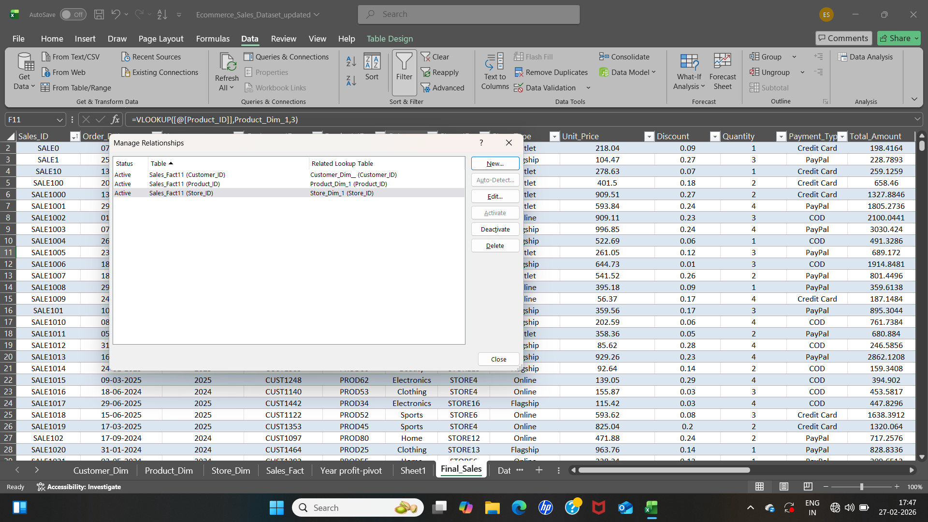
Total number of transaction |  |  | 2000 | Total revenue |  | 952458 | Analysis Tool Pak |  | Data Modelling
 |  | Store Type |  |  | Store Type
 | Flagship |  | 794 | Flagship |  | 374568 | TOTAL REVENUE

 | Online |  | 822 | Online |  | 392050 | Mean | 476.23
 |  |  |  |  |  |  | Standard Error | 17.57
 | Outlet |  | 384 | Outlet |  | 185840 | Median | 366.00
 |  | Category |  |  | Category |  | Mode | #N/A
 | Electronics |  | 451 | Electronics |  | 136515 | Standard Deviation | 785.86
 |  |  |  |  |  |  | Sample Variance | 617568.52
 | Beauty |  | 339 | Beauty |  | 172523 | Kurtosis | 0.72
 |  |  |  |  |  |  | Skewness | 0.62
 | Clothing |  | 302 | Clothing |  | 137354 | Range | 5331.15
 |  |  |  |  |  |  | Minimum | -1705.51
 | Home |  | 411 | Home |  | 196125 | Maximum | 3625.65
 |  |  |  |  |  |  | Sum | 952458.00
 | Sports |  | 497 | Sports |  | 309940 | Count | 2000.00
 |  | Gender |  |  | Gender
 | Male |  | 904 | Male |  | 402928

 | Female |  | 1096 | Female |  | 549530
 |  | Loyalty_Level |  |  | Loyalty_Level
 | Platinum |  | 622 | Platinum |  | 303914

 | Gold |  | 469 | Gold |  | 228870

 | Silver |  | 422 | Silver |  | 200438

 | Bronze |  | 487 | Bronze |  | 219236

