cycl view
Cycle |  | 1 | 2 | 3 | 4 | 5 | 6 | 7 | 8 | 9 | 10 | 11 | 12 | 13 | 14
 | stage
 | IF | IF1 |  |  |  | show
 | ID |  | ID2 |  |  | show | show
 | EXE |  |  | EXE3 |  | show
 | MEM |  |  |  | MEM4 | show
 | WB |  |  |  |  | WB5

 |  | inst1 | inst2 | inst3 | inst4 | inst5 | inst6

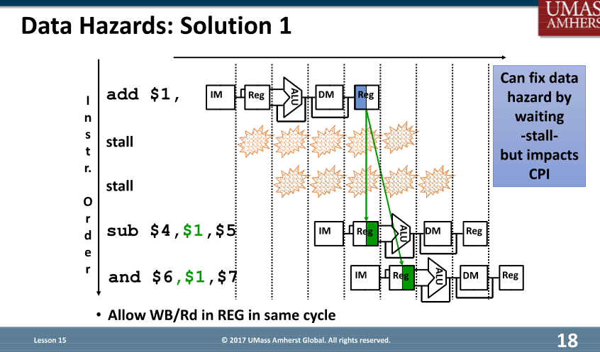
Data Hazard
RAW | Add R1, R2, R3
 | Sub R4, R1, R5

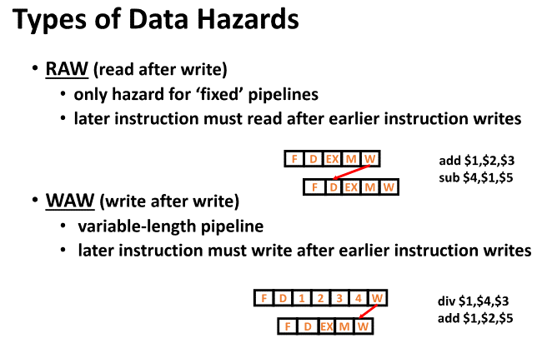
WAW |  |  | Not Apply, Variable-length wirte
 | Div R1, R4, R3
 | Add R1, R2, R5

WAR | mlt $4, $1, $3 |  | NOT APPLY ? Lesson 14, slide 20
 | add $1, $2, $5

 | Q1. On project 3, do we suppose all the Instructions are completed in 5 clock cycles? Especially for MUL operation. Q2. This is based on Q1, because Data Hazard WAW and WAR are only existed when instructions have variable-length write, if Q1 is true, then we will ignore WAW and WAR on the project 3.

