1. Title Page
Project Name: Instacart Grocery Basket Analysis
Date: 11 December 2024
Analyst Name: Emil Safarov

Contents:
Population Flow
Consistency checks
Wrangling steps
Column derivations
Visualizations
Recommendations

Data Source:
"The Instacart Grocery Shopping Dataset 2017", Accessed from https://www.instacart.com/datasets/grocery-shopping-2017 on November 10, 2022

Data Citation:
Customer data and the “prices” column in the products data set were fabricated for the purpose of this course.

2. Population Flow
Title page

Population flow

Exclusion flag
Condition: max_order <
Obervations to be removed:
Final total count of order_products_all:

Orders_products_combined
Orders_products_merged
Orders_products_all

Total: 32404859
Total: 32434489
Total: 32404859

1.) The grey boxes in the first row of the population flow represent the original data sets as they were when you downloaded them. In the Total fields you need to add the count of the rows when you imported the data set into Jupyter.
2.) The second row of boxes (coloured) represents the data sets after you manipulated them, e.g., removed missing values and duplicates. In the Total fields you need to add the count of the rows after conducting these operations. This offers a visual oveview of how the data flows throughout the data consistency checks.
3.) The third row, where also the arrows are coloured, represents the merges you performed between the datasets. In the Total fields you need to add the count of the rows in the merged datasets, so that you end up with the final dataset (in the red box). Keep in mind the final dataset should be without exclusions (based on the exclusion flag).

3. Consistency checks
 |  |  |  | Title page
Consistency checks

Dataset | Missing values | Missing values treatment | Duplicates
orders | Days_since_prior_order (206209) | Added a new column first_order as flag variable | No duplicates found
products | Product_name (16) | Removed | 5 duplicate rows dropped
orders_products_prior | No missing values | NA | No duplicates found
customers | First_name (11,259) | NA | No duplicates found

4. Wrangling steps
 |  |  |  |  | Title page
Wrangling steps

Data set | Columns dropped | Columns renamed | Columns' type changed | Comment/Reason
Orders | eval_set |  |  | not nessery fro analysis
 |  | order_dow |  | make for soundly
 |  |  | order_id changed to 'str'
 |  |  | user_id changed to 'str'
Department |  | index |  | transposed dataset and added an index and new header
customers |  | FIRST_NAME |  | for consistent style
 |  | surnam |  | for consistent style
 |  | STATE |  | for consistent style
 |  | Age |  | for consistent style
 |  | fam_status |  | for consistent style
 |  | Gender |  | for consistent style

5. Column derivations
 |  |  |  | Title page

Column derivations and aggregations

In this tab you should add tables below that the frequences of flags/label variables that you produced after deriving them. NB: don't do this for continuous variables, only for flags.
Dataset | New column | Column/s it was derived from | Conditions
ords_prod_merge | price_range_loc | prices | if price is <=5 = 'Low-range product'
 |  |  | if price is >5 and <=15 = 'Mid-range product'
 |  |  | if price is >15 = 'High-range product
ords_prod_merge | busiest_day | order_dow | 0 (Saturday) = busiest day
 |  |  | 4 (Wednesday) = least busy
 |  |  | any other day of the week = regularly busy
ords_prod_merge | busiest_days | order_dow | 0 or 1 (Saturday or Sunday) = busiest days
 |  |  | 3 or 4 (Tuesday or Wednesday) = slowest days
 |  |  | any other day of the week = regular days
ords_prod_merge | busiest_period_of_day | order_hour_of_day | 10 (10:00 am) = most orders
 |  |  | 3 (3:00 am) = fewest orders
 |  |  | any other hour of the day = average orders
ords_prod_merge | max_order | user_id, 'order_number' | This gets the maximum frequency of orders ('order_number') grouped by customer ('user_id').
ords_prod_merge | loyalty_flag | max_order | if max_order is >40, then labeled as "Loyal customer'
 |  |  | if max_order is <=40 and >10, then labeled as "Regular customer'
 |  |  | if max_order is <=10, then labeled as 'New customer'
ords_prod_merged | mean_price | user_id, 'prices' | This gets the average price purchased, grouped by 'user_id'
ords_prod_merged | spender_type | avg_purchase_price | If avg_purchase_price <10, then labeled as 'Low spender'
 |  |  | If avg_purchase_price >=10, then labeled as 'High spender'
ords_prod_merged | median_prior_order | user_id', 'days_since_prior_order' | This gets the median 'days_since_prior_order' and groups by 'user_id'
ords_prod_merged | frequency | median_days | If median_days >20, then labeled as 'Non-frequent customer'
 |  |  | If median_days >10 and <=20, then labeled as 'Regular customer'
 |  |  | If median_days <=10, then labeled as 'Frequent customer'
instacart | income_group | income | If income less than or equal to 50,000 then 'Low '
 |  |  | If income greater than 50,000 and less than or equal to 100,000 then 'Middle '
 |  |  | If income greater than 100,000 then 'High '
instacart | age_group | Age | If age less than or equal to 25 then young adult. (0-24)
 |  |  | If age greater than 25 & less than or equal to 40 then adult. (25-40)
 |  |  | If age greater than 40 & less than or equal to 65 then Older adult. (40-65)
 |  |  | If age greater than 65 then senior. (65+)
instacart | region | state | Northeast_states = ['Maine', 'New Hampshire', 'Vermont', 'Massachusetts', 'Rhode Island', 'Connecticut', 'New York', 'Pennsylvania', 'New Jersey']
 |  |  | Midwest_states = ['Wisconsin', 'Michigan', 'Illinois', 'Indiana', 'Ohio', 'North Dakota', 'South Dakota', 'Nebraska', 'Kansas', 'Minnesota', 'Iowa', 'Missouri']
 |  |  | Southern_states = ['Delaware', 'Maryland', 'District of Columbia', 'Virginia', 'West Virginia', 'North Carolina', 'South Carolina', 'Georgia', 'Florida', 'Kentucky', 'Tennessee', 'Mississippi', 'Alabama', 'Oklahoma', 'Texas', 'Arkansas', 'Louisiana']
 |  |  | Western_states = ['Idaho', 'Montana', 'Wyoming', 'Nevada', 'Utah', 'Colorado', 'Arizona', 'New Mexico', 'Alaska','Washington', 'Oregon', 'California', 'Hawaii']
instacart | dependents_flag | number_of_dependents | If number of dependents > 0, then 'Has dependents'
 |  |  | If number of dependents <= 0, then 'No dependents'
customer_profile | order_total | user_id,price, order_number,loyalty_flag,spender_type,region,age_group,income_group,dependents_flag,days_since_prior_order | This gets the sum of all prices, grouped by user_id, order_number, loyalty_flag, spender_type, region,age_group, marital_status, income_group, dependents_flag, days_since_prior_order

6. Visualizations
 |  |  |  |  | Title page

Visualisations

1 | The sales team needs to know what the busiest days of the week and hours of the day are (i.e., the days and times with the most orders) in order to schedule ads at times when there are fewer orders.

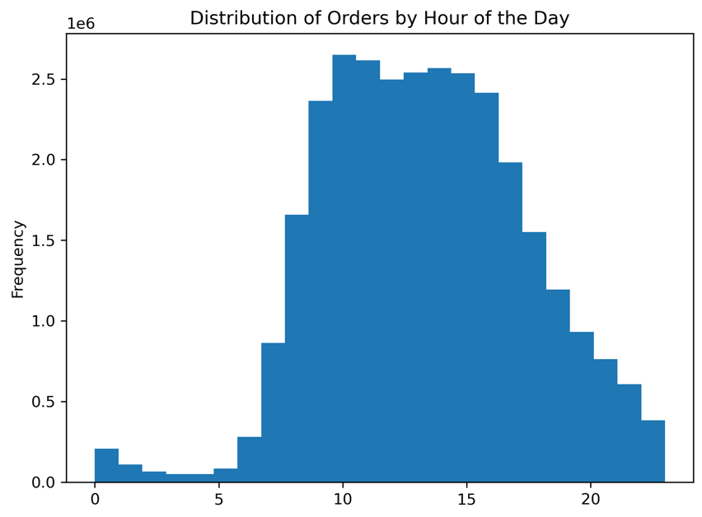
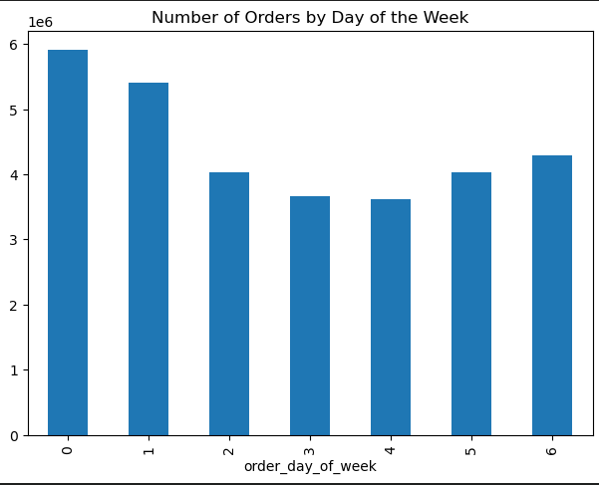
 |  |  |  | Observations:

 |  |  |  | Orders by Day of the Week: The first chart shows that the highest number of orders occurs on weekends (Sunday and Monday). There is a noticeable drop in orders during midweek days.

 |  |  |  | Orders by Hour of the Day: The second chart demonstrates that order activity peaks between 10 AM and 3 PM, with significantly lower activity during early morning hours (midnight to 6 AM) and late evening hours.

 |  |  |  | Recommendation:

 |  |  |  | Marketing Campaigns: Focus promotional efforts and discounts on peak ordering times (10 AM–3 PM) during weekends to maximize revenue.
 |  |  |  | Operational Planning: Allocate more staff and resources to handle the high order volume on Sundays and Mondays, particularly during late mornings and early afternoons.
 |  |  |  | Customer Engagement: Introduce incentives or discounts for midweek and early morning orders to balance demand and improve overall efficiency.

2 | They also want to know whether there are particular times of the day when people spend the most money, as this might inform the type of products they advertise at these times

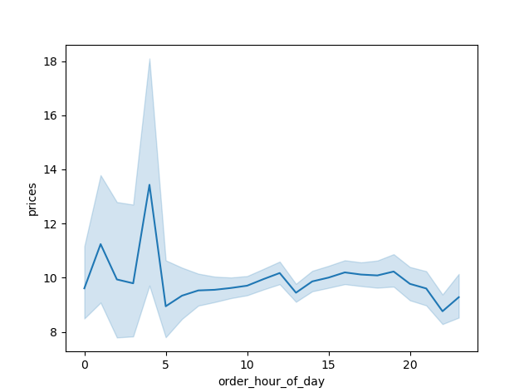

 |  | Observation:

 |  | This chart shows the relationship between order hour of the day and prices. It indicates a significant spike in prices around 5 AM, followed by a gradual stabilization throughout the day. Prices tend to remain relatively consistent during most waking hours (10 AM–8 PM), with minor fluctuations.

 |  | Recommendation:
 |  | Early Morning Premium: Investigate the nature of high-priced orders at 5 AM (e.g., specialty products, express delivery). If intentional, consider marketing these premium services more prominently during early mornings.
 |  | Dynamic Pricing Strategies: Evaluate whether dynamic pricing can be implemented to take advantage of early morning trends or incentivize orders during low-activity periods.
 |  | Customer Insight Analysis: Conduct further analysis to understand customer demographics and behavior during high-price hours to tailor offerings effectively.

3 | Are there certain types of products that are more popular than others? The marketing and sales teams want to know which departments have the highest frequency of product orders.

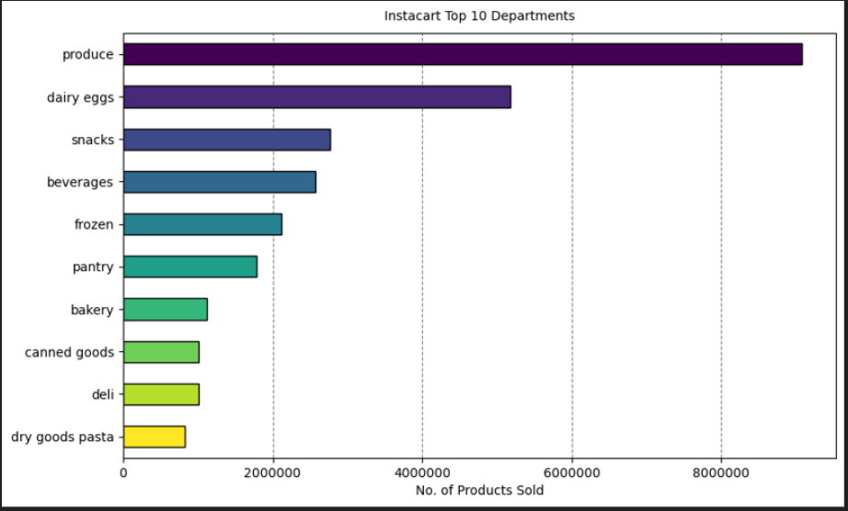
 |  |  | Observation:

 |  |  | The chart displays the top 10 departments in terms of the number of products sold on Instacart. The Produce department significantly outperforms all other categories, followed by Dairy & Eggs and Snacks, while categories like Dry Goods Pasta and Deli rank lower.

 |  |  | Recommendation:

 |  |  | Focus on Produce:

 |  |  | Enhance the variety and availability of fresh produce to retain and attract customers.
 |  |  | Promote seasonal produce through targeted campaigns.

 |  |  | Cross-Selling Opportunities:

 |  |  | Bundle produce with other underperforming categories (e.g., canned goods or deli items) to increase sales across departments.

 |  |  | Optimize Marketing:

 |  |  | Highlight the top-performing departments (Produce, Dairy & Eggs) in advertisements and Instacart promotions to capitalize on their popularity.
 |  |  | Evaluate Low-Performing Departments:
 |  |  | Analyze pricing, product range, and visibility of low-performing departments to identify areas for improvement.

4 | Based on the distribution of customers by age group, which demographic represents the largest customer base, and what strategies could be implemented to engage the underrepresented senior demographic effectively?

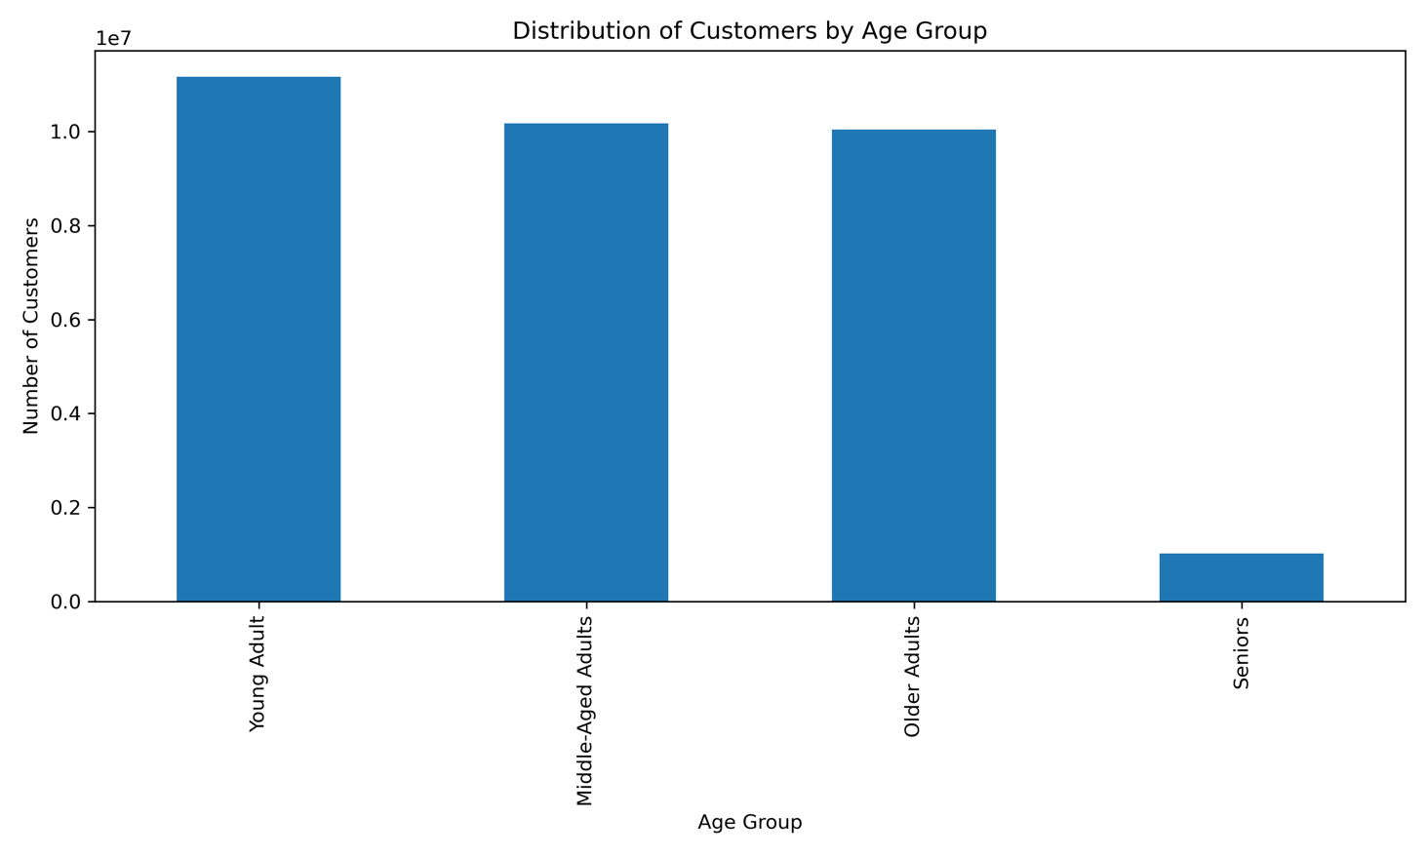
 |  |  | Observation:

 |  |  | This chart illustrates the distribution of customers by age group. The majority of customers fall into the Young Adult, Middle-Aged Adults, and Older Adults categories, with Seniors representing a significantly smaller portion of the customer base.

 |  |  | Recommendation:

 |  |  | Targeted Marketing for Seniors:

 |  |  | Develop campaigns to attract more senior customers, such as highlighting ease of use, reliability, and promotions on products frequently purchased by seniors.

 |  |  | Engagement Strategies:

 |  |  | Offer discounts or loyalty programs tailored to senior customers to encourage their adoption of services.

 |  |  | Retention for Core Age Groups:

 |  |  | Focus on maintaining and enhancing services for Young and Middle-Aged Adults, who form the bulk of the customer base, by offering personalized promotions and addressing their specific preferences.

5 | Question: How does the distribution of customers by age group vary across different regions (Midwest, Northeast, South, and West), and what regional strategies could be implemented to address the needs of specific age groups?

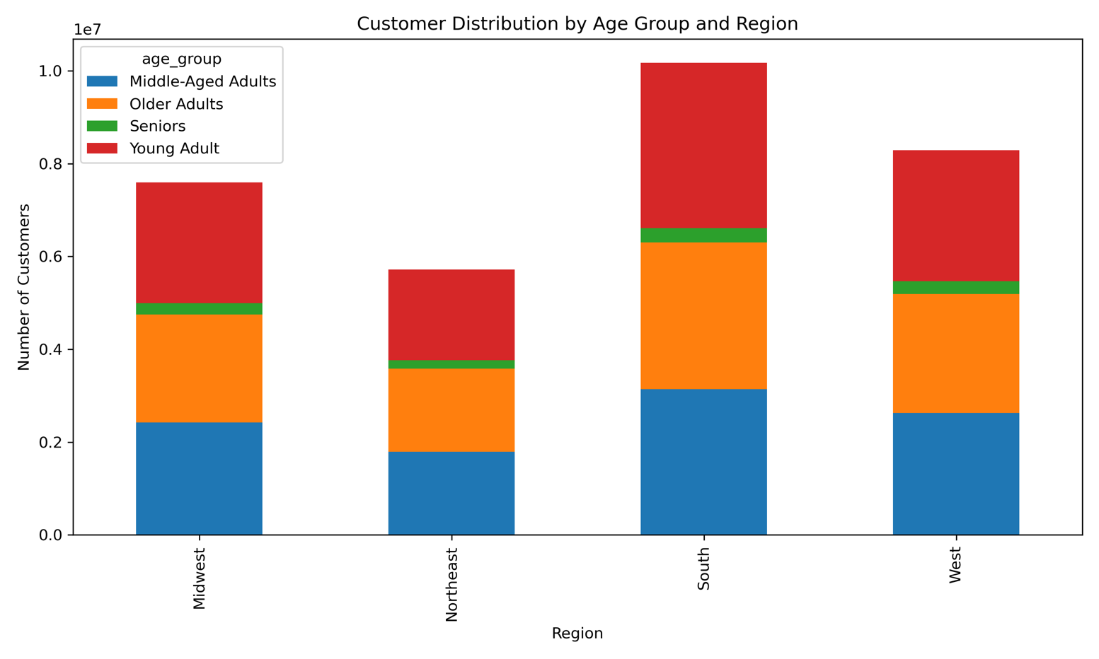
 |  |  | Observations:

 |  |  | Young Adults Dominate Across All Regions:

 |  |  | Young Adults consistently represent the largest customer base in every region, especially in the South and West.

 |  |  | Regional Variations:

 |  |  | The Midwest and South have a relatively higher proportion of Middle-Aged Adults compared to the Northeast and West.
 |  |  | Seniors represent a very small segment across all regions but are slightly more prominent in the Midwest and Northeast.

 |  |  | Older Adults:

 |  |  | Older Adults have a notable share in all regions, with a relatively higher representation in the Midwest and South compared to the Northeast and West.

 |  |  | Recommendations:

 |  |  | South and West:

 |  |  | Leverage the large Young Adult demographic by offering tech-friendly solutions such as app-based promotions, student discounts, and loyalty programs tailored for younger audiences.

 |  |  | Midwest:

 |  |  | Focus on services catering to Middle-Aged Adults and Older Adults, such as promotions on family-oriented products and easy online navigation for less tech-savvy users.

 |  |  | Northeast:

 |  |  | Since the region has a balanced representation of age groups, consider diverse marketing strategies that appeal to all segments, including seniors.

 |  |  | Senior Engagement:

 |  |  | Across all regions, improve senior outreach by simplifying ordering processes, providing dedicated customer support, and running targeted campaigns on senior-oriented products.

5 | Question: How can marketing strategies be tailored to leverage the dominance of Middle-Income and Upper-Middle-Income Households while effectively engaging Low-Income and High-Income Households to broaden market reach?

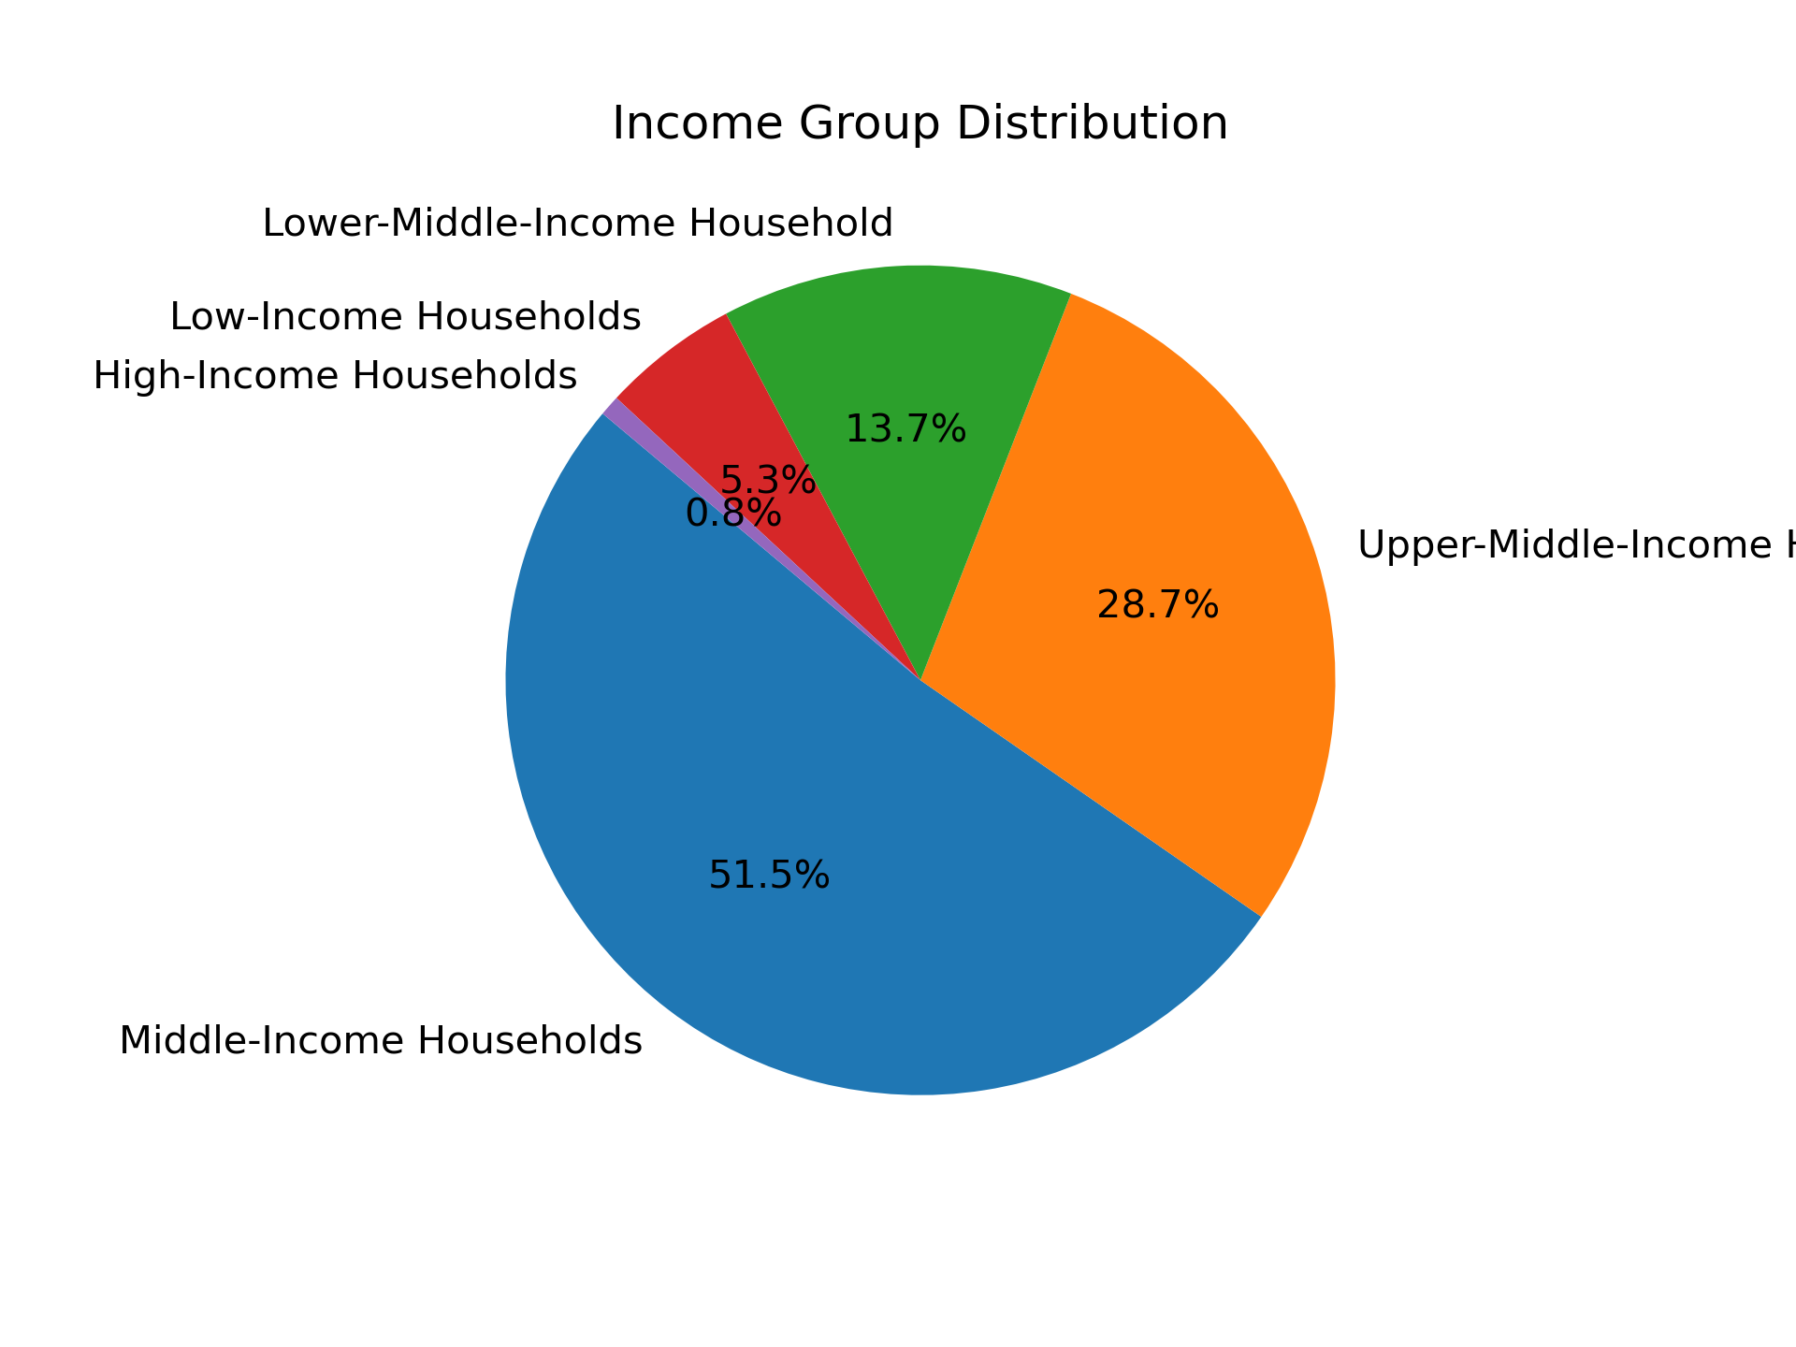

 |  |  | Observations:

 |  |  | Middle-Income Households Dominate:

 |  |  | Middle-Income Households make up the largest portion of the customer base at 51.5%, followed by Upper-Middle-Income Households at 28.7%.

 |  |  | Smaller Segments:

 |  |  | Lower-Middle-Income Households account for 13.7%, while Low-Income and High-Income Households form minor portions at 5.3% and 0.8%, respectively.

