Big-5
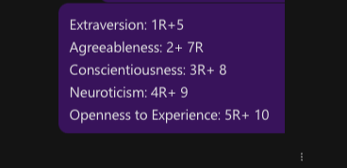
ID | Q1 | Q2 | Q3 | Q4 | Q5 | Q6 | Q7 | Q8 | Q9 | Q10 | Extraversion | Agreeableness | Conscientiousness | Neuroticism | Openness
T001 | 2 | 3 | 1 | 4 | 2 | 4 | 2 | 4 | 2 | 4 | 6 | 7 | 9 | 4 | 8
T002 | 4 | 3 | 2 | 4 | 1 | 2 | 2 | 4 | 2 | 2 | 3 | 7 | 8 | 4 | 7
T003 | 4 | 3 | 4 | 2 | 4 | 4 | 4 | 4 | 4 | 4 | 6 | 5 | 6 | 8 | 6
T004 | 2 | 4 | 1 | 4 | 5 | 4 | 3 | 5 | 2 | 5 | 9 | 7 | 10 | 4 | 6
T005 | 1 | 2 | 1 | 5 | 2 | 5 | 2 | 4 | 1 | 5 | 7 | 6 | 9 | 2 | 9
T006 | 3 | 4 | 3 | 4 | 4 | 4 | 1 | 3 | 3 | 1 | 7 | 9 | 6 | 5 | 3
T007 | 1 | 4 | 1 | 5 | 2 | 5 | 2 | 5 | 1 | 5 | 7 | 8 | 10 | 2 | 9
T008 | 5 | 5 | 3 | 4 | 4 | 2 | 4 | 4 | 2 | 3 | 5 | 7 | 7 | 4 | 5
T009 | 1 | 5 | 3 | 5 | 4 | 5 | 2 | 3 | 1 | 3 | 9 | 9 | 6 | 2 | 5
T010 | 1 | 4 | 1 | 4 | 4 | 5 | 4 | 4 | 2 | 5 | 9 | 6 | 9 | 4 | 7

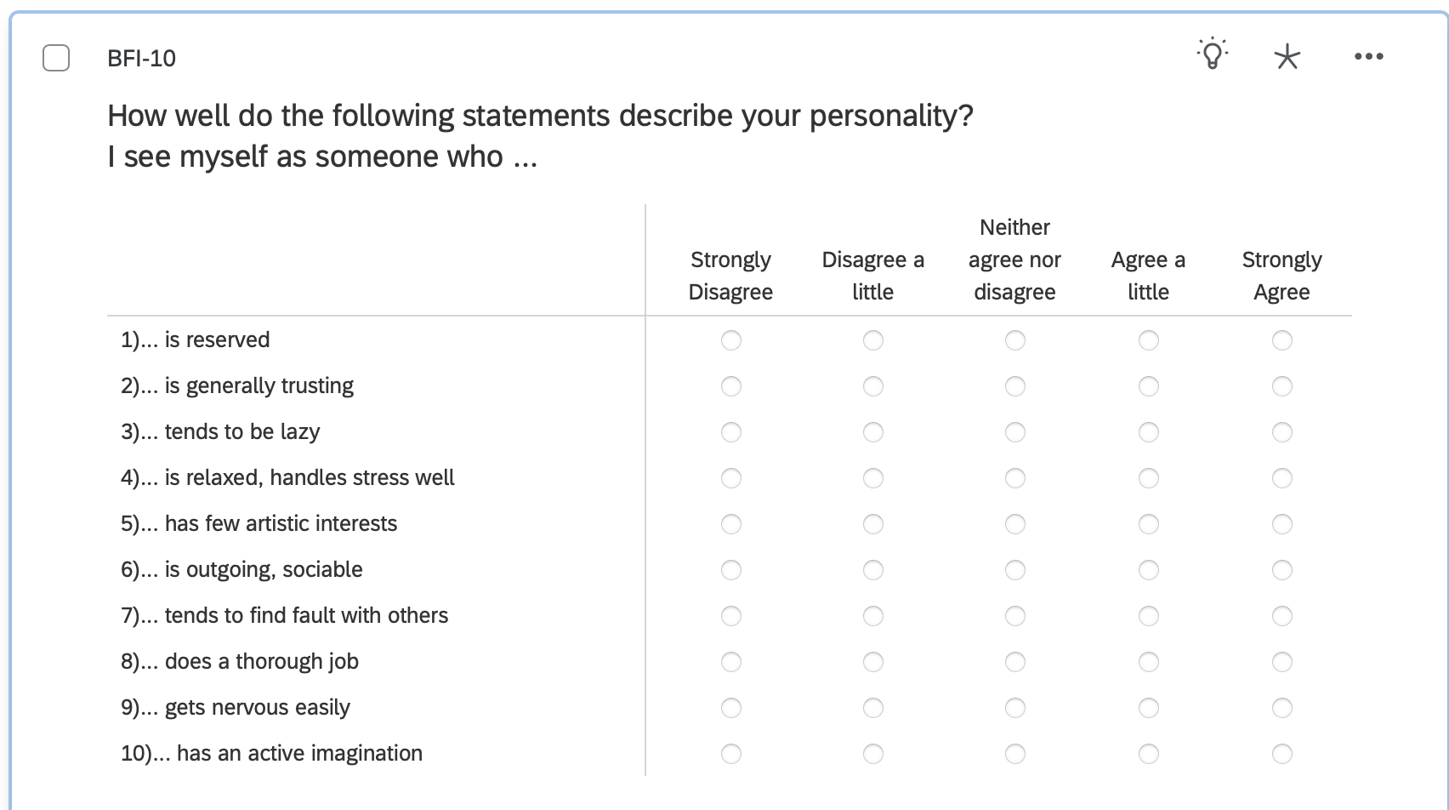

 |  |  |  | 1= | Strongly Disagree
 |  |  |  | 2= | Disagree a little
 |  |  |  | 3= | Neither agree nor disagree
 |  |  |  | 4= | Agree a little
 |  |  |  | 5= | Strongly Agree

SAI
ID | Q1 | Q2 | Q3 | Q4 | Q5 | Q6 | Q7 | Q8 | Q9 | Q10 | Q11 | Q12 | Q13 | Q14 | Q15 | Q16 | Q17 | Q18 | Q19 | Q20 | SAI_SUM
T001 | 1 | 2 | 2 | 1 | 2 | 1 | 1 | 1 | 0 | 1 | 1 | 2 | 1 | 2 | 1 | 2 | 0 | 0 | 2 | 2 | 45
T002 | 2 | 3 | 0 | 0 | 0 | 0 | 0 | 1 | 0 | 1 | 2 | 0 | 0 | 0 | 2 | 3 | 0 | 0 | 1 | 2 | 33
T003 | 3 | 3 | 0 | 0 | 2 | 0 | 0 | 1 | 0 | 2 | 2 | 0 | 0 | 0 | 2 | 1 | 0 | 0 | 2 | 2 | 30
T004 | 1 | 2 | 2 | 1 | 2 | 1 | 1 | 1 | 0 | 1 | 1 | 2 | 1 | 2 | 1 | 2 | 0 | 0 | 2 | 2 | 45
T005 | 2 | 3 | 0 | 0 | 0 | 0 | 0 | 1 | 0 | 1 | 2 | 0 | 0 | 0 | 2 | 3 | 0 | 0 | 1 | 2 | 33
T006 | 3 | 3 | 0 | 0 | 2 | 0 | 0 | 1 | 0 | 2 | 2 | 0 | 0 | 0 | 2 | 1 | 0 | 0 | 2 | 2 | 30
T007 | 1 | 2 | 2 | 1 | 2 | 1 | 1 | 1 | 0 | 1 | 1 | 2 | 1 | 2 | 1 | 2 | 0 | 0 | 2 | 2 | 45
T008 | 2 | 3 | 0 | 0 | 0 | 0 | 0 | 1 | 0 | 1 | 2 | 0 | 0 | 0 | 2 | 3 | 0 | 0 | 1 | 2 | 33
T009 | 3 | 3 | 0 | 0 | 2 | 0 | 0 | 1 | 0 | 2 | 2 | 0 | 0 | 0 | 2 | 1 | 0 | 0 | 2 | 2 | 30
T010 | 1 | 1 | 1 | 1 | 1 | 0 | 2 | 1 | 1 | 1 | 0 | 2 | 2 | 2 | 0 | 1 | 1 | 1 | 1 | 1 | 55

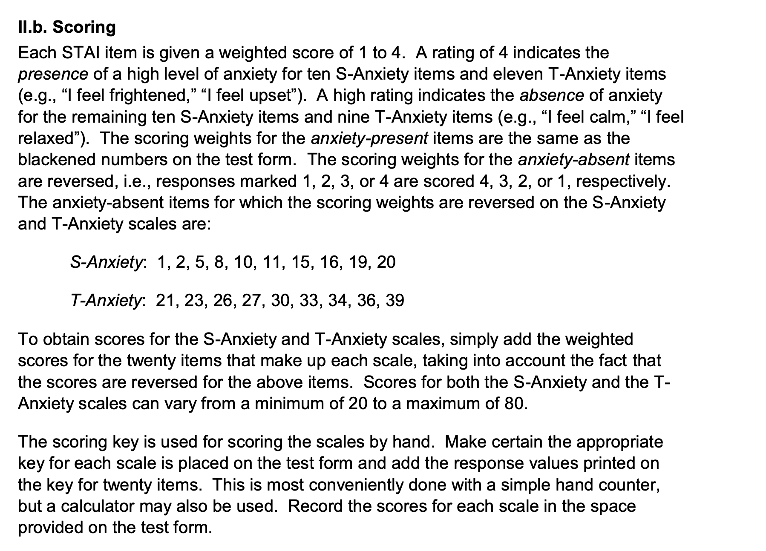
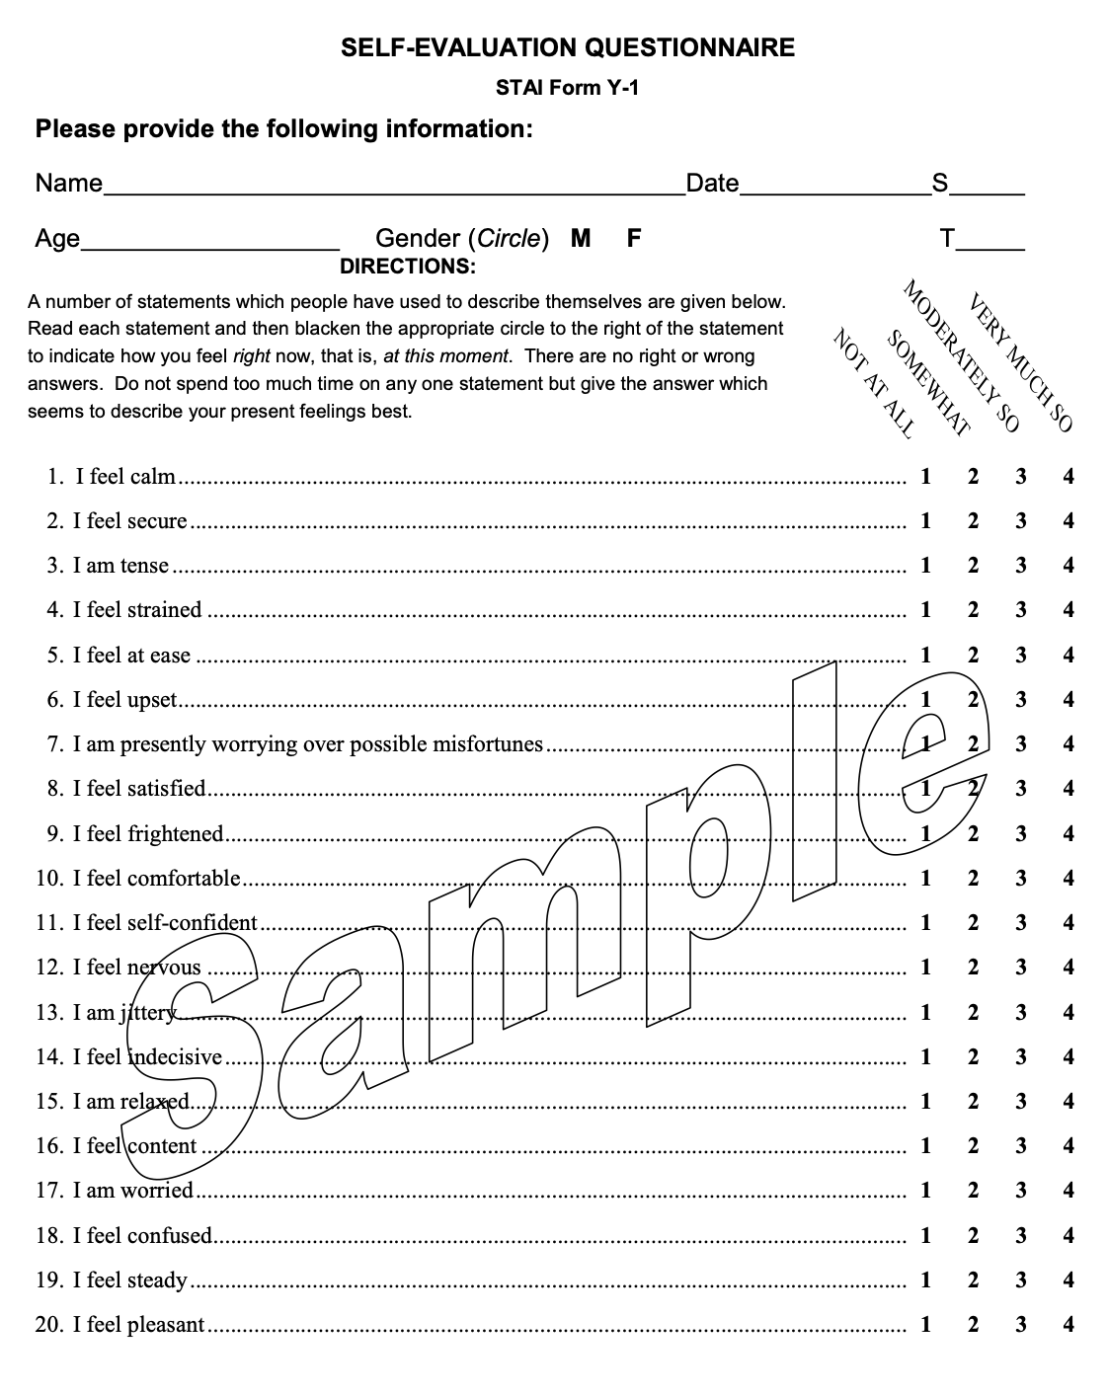

0 = Not at all
1 = Somewhat
2 = Moderately So
3 = Very Much So

TAI
ID | Q21 | Q22 | Q23 | Q24 | Q25 | Q26 | Q27 | Q28 | Q29 | Q30 | Q31 | Q32 | Q33 | Q34 | Q35 | Q36 | Q37 | Q38 | Q39 | Q40 | TAI_SUM
T001 | 1 | 2 | 2 | 1 | 2 | 1 | 1 | 1 | 0 | 1 | 1 | 2 | 1 | 2 | 1 | 2 | 0 | 0 | 2 | 2 | 44
T002 | 2 | 3 | 0 | 0 | 0 | 0 | 0 | 1 | 0 | 1 | 2 | 0 | 0 | 0 | 2 | 3 | 0 | 0 | 1 | 2 | 48
T003 | 3 | 3 | 0 | 0 | 2 | 0 | 0 | 1 | 0 | 2 | 2 | 0 | 0 | 0 | 2 | 1 | 0 | 0 | 2 | 2 | 49
T004 | 1 | 2 | 2 | 1 | 2 | 1 | 1 | 1 | 0 | 1 | 1 | 2 | 1 | 2 | 1 | 2 | 0 | 0 | 2 | 2 | 44
T005 | 2 | 3 | 0 | 0 | 0 | 0 | 0 | 1 | 0 | 1 | 2 | 0 | 0 | 0 | 2 | 3 | 0 | 0 | 1 | 2 | 48
T006 | 3 | 3 | 0 | 0 | 2 | 0 | 0 | 1 | 0 | 2 | 2 | 0 | 0 | 0 | 2 | 1 | 0 | 0 | 2 | 2 | 49
T007 | 1 | 2 | 2 | 1 | 2 | 1 | 1 | 1 | 0 | 1 | 1 | 2 | 1 | 2 | 1 | 2 | 0 | 0 | 2 | 2 | 44
T008 | 2 | 3 | 0 | 0 | 0 | 0 | 0 | 1 | 0 | 1 | 2 | 0 | 0 | 0 | 2 | 3 | 0 | 0 | 1 | 2 | 48
T009 | 3 | 3 | 0 | 0 | 2 | 0 | 0 | 1 | 0 | 2 | 2 | 0 | 0 | 0 | 2 | 1 | 0 | 0 | 2 | 2 | 49
T010 | 1 | 1 | 1 | 1 | 1 | 0 | 2 | 1 | 1 | 1 | 0 | 2 | 2 | 2 | 0 | 1 | 1 | 1 | 1 | 1 | 44

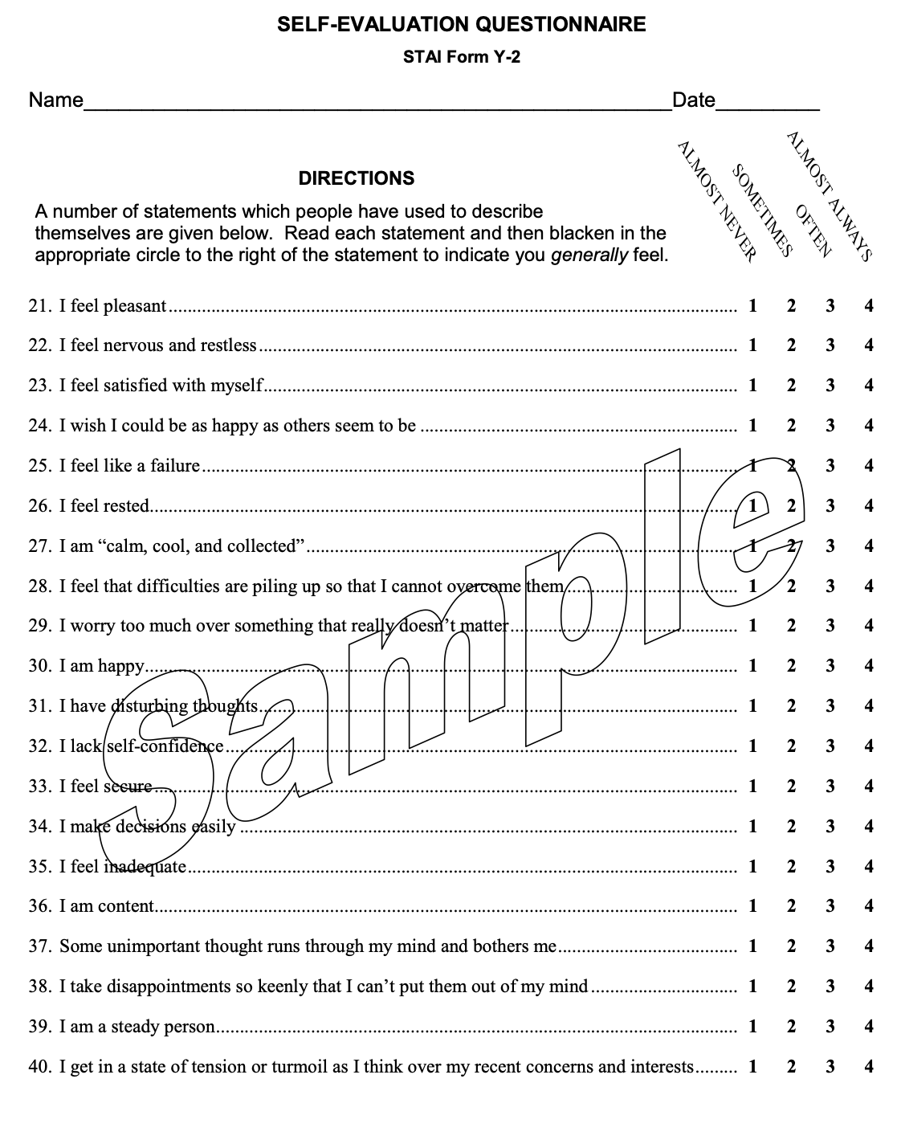

0 = Not at all
1 = Somewhat
2 = Moderately So
3 = Very Much So

