Data
Data

Total Number of Rows | 284,807 |  | Data is taken from: https://www.kaggle.com/mlg-ulb/creditcardfraud It contains only numerical input variables. There are 30 features, due confidentiality issues the features are named as V1, V2, ... V28, Time' and Amount. Feature 'Class' is the response variable and it takes value 1 in case of fraud and 0 otherwise.
Count of No Fraud | 284,315 | 99.83%
Count of Fraud | 492 | 0.17%

 |  |  |  | Inspiration Identify fraudulent credit card transactions. Given the class imbalance ratio, we recommend measuring the accuracy using the Area Under the Precision-Recall Curve (AUPRC). Confusion matrix accuracy is not meaningful for unbalanced classification. Acknowledgements The dataset has been collected and analysed during a research collaboration of Worldline and the Machine Learning Group (http://mlg.ulb.ac.be) of ULB (Université Libre de Bruxelles) on big data mining and fraud detection. More details on current and past projects on related topics are available on http://mlg.ulb.ac.be/BruFence and http://mlg.ulb.ac.be/ARTML Please cite: Andrea Dal Pozzolo, Olivier Caelen, Reid A. Johnson and Gianluca Bontempi. Calibrating Probability with Undersampling for Unbalanced Classification. In Symposium on Computational Intelligence and Data Mining (CIDM), IEEE, 2015

Total Number of Rows | 9,103 |  | Since the event rate is very low (0.17%), sampling technique has been used to boost the event rate. From Event = 1 (Fraud): 100% observations (492) are kept From Event = 0 (No Fraud): 3% observations (8,611) are kept
Count of No Fraud | 8,611 | 94.60%
Count of Fraud | 492 | 5.40%

Feature Engineering
Feature Engineering
 |  |  | Engineered Features Different combinations of the 29 raw variables are tried. These include adding (V1+V2), subtracting (V1-V2), multiplying (V1*V2), and dividing (V1/V2). Since the variables have been normalized, the combination of the variables is likely to give better results. Variable Clustering Proc Factor (SAS) has been used to cluster the variables.
Count of Original Features | 29
Count of Engineered Features | 1,624
Count of Total Features | 1,653
Count of Features after Clustering | 87

Original Features | 0 | 29
Engineered Features | 29 | 1,624
Total Features | 0 | 1,653
Reduction | 87 | 1,566
After Clustering | 0 | 87

Artificial Neural Network
Artificial Neural Network
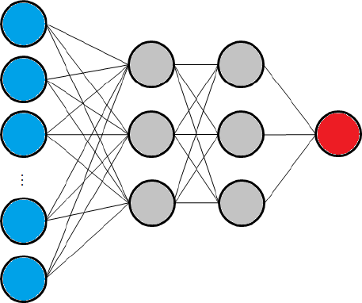
Count of neurons in input layer | 87
Count of neurons in hidden layer 1 | 58
Count of neurons in hidden layer 2 | 29
Count of neurons in output layer | 1

Neural network A neural network is put together by hooking together many of simple “neurons,” so that the output of a neuron can be the input of another. The leftmost layer of the network is called the input layer (blue), and the rightmost layer the output layer (red). The middle layers of nodes is called the hidden layer (gray), because its values are not observed in the training set. Activation Function In neural networks, the activation function of a node defines the output of that node given an input or set of inputs. A standard computer chip circuit can be seen as a digital network of activation functions that can be "ON" (1) or "OFF" (0), depending on input. This is similar to the behavior of the linear perceptron in neural networks. * Activation function for hidden layers: Rectified Linear Function * Activation function for output layer: Sigmoid Function

Actual = 0 |  | Actual = 1
Predicted = 0 | Predicted = 1 | Predicted = 0 | Predicted = 1 | F1 Score
TN | FP | FN | TP | P | R | F1 | Accuracy
1,433 | 2 | 13 | 69 | 0.972 | 0.841 | 0.902 | 99.01%

