1. Title Page
[Project Name]

Project Name: Instacart Grocery Basket Analysis
Date: April 2025
Analyst Name: Fabrizio Denegri

Contents:
Population Flow
Consistency checks
Wrangling steps
Column derivations
Visualizations
Recommendations

Data Citation:
Primary Dataset:
“The Instacart Online Grocery Shopping Dataset 2017,” originally available at www.instacart.com/datasets/grocery-shopping-2017.
Supplementary Dataset:
Additional customer data provided by CareerFoundry.
US Census bureau regions and divisions.csv from US Census website

2. Population Flow
 |  |  |  |  |  |  |  |  |  | Title page

Population flow
Customers - original data
Total:
Customers - after consistency checks
Total:
Products - original data
Total:
Products - after consistency checks
Total:
orders_products_prior - original data
Total:
orders_products_prior - after consistency checks
Total:
Exclusion flag
Condition: max_order <
Obervations to be removed:
Final total count of order_products_all:
Orders - original data
Total:
Orders - after consistency checks
Total:

<5
32404859
 |  |  |  |  |  |  |  | 206209
3421083 |  |  | 32434489 |  |  | 49639

 |  |  |  |  |  |  |  |  | 206209
 | 3421083 |  |  | 32434489
 |  |  |  |  |  |  | 49672

Orders_products_combined
Orders_products_merged
Orders_products_all

Total:
Total:
Total:
 |  | 32434489 |  |  |  |  |  | 32404859
 |  |  |  |  | 32404859

1.) The grey boxes in the first row of the population flow represent the original data sets as they were when you downloaded them. In the Total fields you need to add the count of the rows when you imported the data set into Jupyter.
2.) The second row of boxes (coloured) represents the data sets after you manipulated them, e.g., removed missing values and duplicates. In the Total fields you need to add the count of the rows after conducting these operations. This offers a visual oveview of how the data flows throughout the data consistency checks.
3.) The third row, where also the arrows are coloured, represents the merges you performed between the datasets. In the Total fields you need to add the count of the rows in the merged datasets, so that you end up with the final dataset (in the red box). Keep in mind the final dataset should be without exclusions (based on the exclusion flag).

3. Consistency checks
 |  |  |  | Title page
Consistency checks

Dataset | Missing values | Missing values treatment | Duplicates
orders | 206209 in 'days_since_prior_order' column | None. Missing values are all for first orders. | No duplicates
products | 16 in 'product_name' column | 16 rows with missing 'product_name' removed | 5 duplicates removed
orders_products_prior | No missing values | NA | No duplicates
customers | No missing values | NA | No duplicates

4. Wrangling steps
 |  |  |  | Title page
Wrangling steps

Columns dropped | Columns renamed | Columns' type changed | Comment/Reason
eval_set |  |  | not needed

name |  |  | GDPR + data protection safeguard
surname |  |  | GDPR + data protection safeguard

 | order_dow to orders_day_of_week |  | easier to interpret
 | First Name to first_name |  | make column titles uniform
 | Surnam to last_name |  | make column titles uniform
 | Gender to gender |  | make column titles uniform
 | STATE to state |  | make column titles uniform
 | Age to age |  | make column titles uniform
 | fam_status to marital_status
 | State to state

 |  | order_id | changed to string
 |  | user_id | changed to string
 |  | name | changed to string
 |  | state | changed to category
 |  | gender | changed to category
 |  | Region | changed to category

5. Column derivations
 |  |  |  | Title page
In this tab you should add tables below that the frequences of flags/label variables that you produced after deriving them. NB: don't do this for continuous variables, only for flags.
Column derivations and aggregations

Dataset | New column | Column/s it was derived from | Conditions
ords_prods_merge | price_range_loc | prices | prices > 15, price_range_loc = High-range product
 |  |  | prices <= 15 & prices > 5, price_range_loc = Mid-range product
 |  |  | prices <= 5, price_range_loc = Low-range product

ords_prods_merge | busiest_days | orders_day_of_week | orders_day_of_week = 0 or = 1, busiest_days =B usiest days
 |  |  | orders_day_of_week = 4 or = 3, busiest_days = Least busy
 |  |  | orders_day_of_week = else, busiest_days = Regularly busy

ords_prods_merge | loyalty_flag | max_order | max_order > 40, loyalty_flag = Loyal customer
 |  |  | max_order <= 40 & max_order > 10, loyalty_flag = Regular customer
 |  |  | max_order' <= 10, loyalty_flag = New customer

ords_prods_merge | spending_flag | average_spend | average_spend< 10, spending_flag = Low spender
 |  |  | average_spend>= 10, spending_flag = High spender

ords_prods_merge | frequency_flag | prior_order_days_median | prior_order_days_median' <= 10, 'frequentcustomer_flag' = 'Frequent customer'
 |  |  | prior_order_days_median' > 10 & 'prior_order_days_median' <= 20, 'frequentcustomer_flag' = 'Regular customer'
 |  |  | prior_order_days_median' > 20, 'frequentcustomer_flag' = 'Non-frequent customer'
 |  |  | prior_order_days_median' = missing (first time order), 'frequentcustomer_flag' = 'Non-frequent customer'

df_copm1 | region | state | Merged previous data-frame with file US Census bureau regions and divisions.csv (downloaed from US Census website)

df | age_group | age | age <25 -> age_group = Young adult
 |  |  | age >= 25 & age < 40 -> age_group = Adult
 |  |  | age >= 40 & age < 60 -> age_group = Middle-aged
 |  |  | age >= 60 -> age_group = Senior

 | dependants_group | n_dependants | if n == 0: return 'No Dependents'
 |  |  | elif n == 1: return 'One Dependent'
 |  |  | else return 'Multiple Dependents'

 | income_group | income | if income < 50000: return Low Income
 |  |  | elif income < 100000: return Lower Middle Income
 |  |  | elif income < 200000: return Middle Income
 |  |  | elif income < 200000: return Upper Middle Income
 |  |  | else return High Income

 | department_profile | department_id | if dept = 18: return Babies
 |  |  | if dept = 11: return Personal care
 |  |  | if dept = 5: return Alcohol
 |  |  | else return Other
 | customer_group | age_group, dependants_group | if row['dependents_group'] == 'No Dependents' and row['age_group'] == 'Young Adult':
 |  |  | return 'Young Adult Single'
 |  |  | elif row['dependents_group'] != 'No Dependents' and row['department_profile'] == 'Babies':
 |  |  | return 'Young Parent'
 |  |  | elif row['dependents_group'] == 'No Dependents' and row['age_group'] == 'Senior':
 |  |  | return 'Senior Single'
 |  |  | elif row['department_profile'] == 'Alcohol':
 |  |  | return 'Social Adult'
 |  |  | else:
 |  |  | return 'General Family'

6. Visualizations
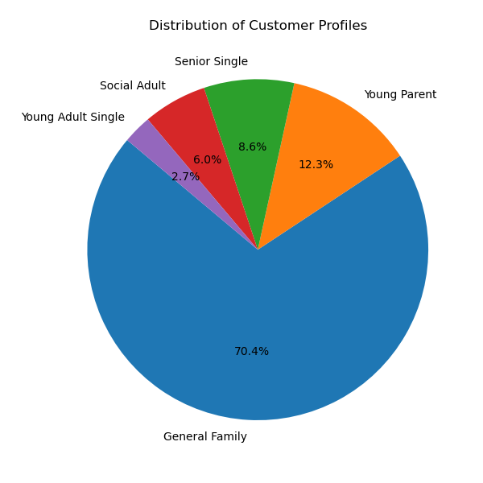
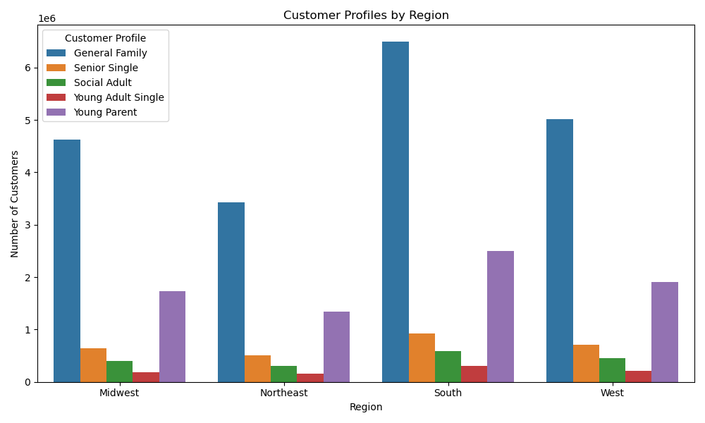
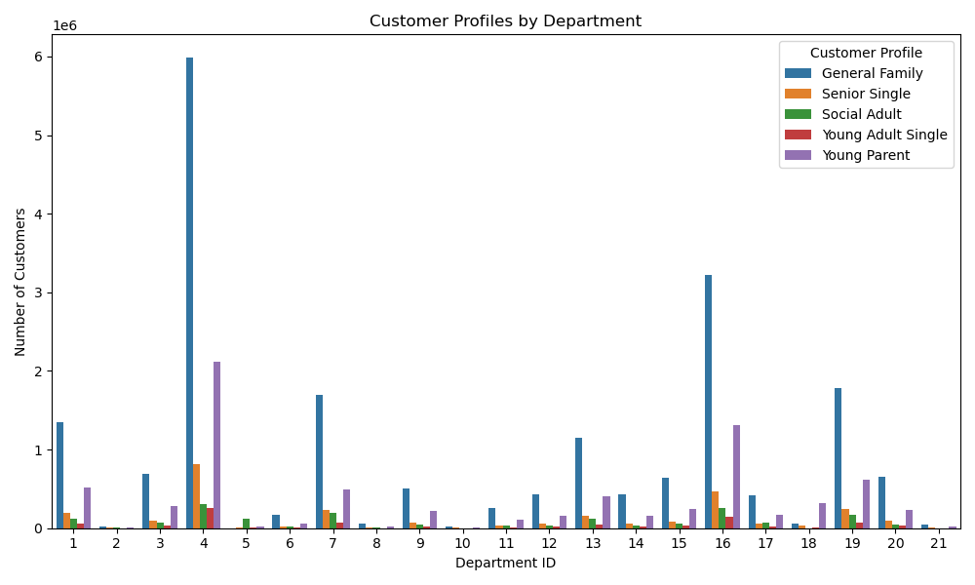
 |  |  | Title page

Visualisations

In this tab you should include all the visualtions from Exercises 4.9 and 4.10, alongside the questions from the project brief that they answer. Include any commentary on the relationship between different variables.

 | BUSIEST DAY OF THE WEEK

 |  | The week days with biggest numbers of orders are Sunday and Monday, followed by Saturday. The week days with fewest orders are Wednesday and Tuesday.

 |  | Legend:
 |  | 0=Sunday
 |  | 1=Monday
 |  | 2=Tuesday
 |  | 3=Wednesday
 |  | 4=Thursday
 |  | 5=Friday
 |  | 6=Saturday

 |  | The histogram shows that the majority of orders is made during the day between 9am and 5pm, i.e. during working hours for most people. While few orders are placed at night (between midnight and 5am). The best time for any website maintenance would be between 3am and 4am. The best time for ads would be between 10am and 4pm.

 | 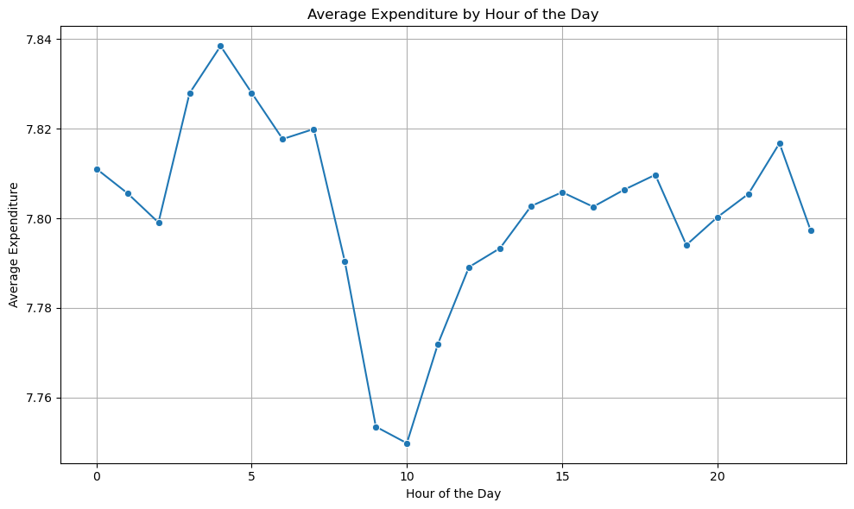 | The line graph shows that the average expenditureby hour of the day. There is an high level of expenditure in early morning which is slowing down until 10 a.m. Afterwards it ramp up again until dinner hours. Smallests amount of money were spent in the middle of the night, i.e. 2-4am.

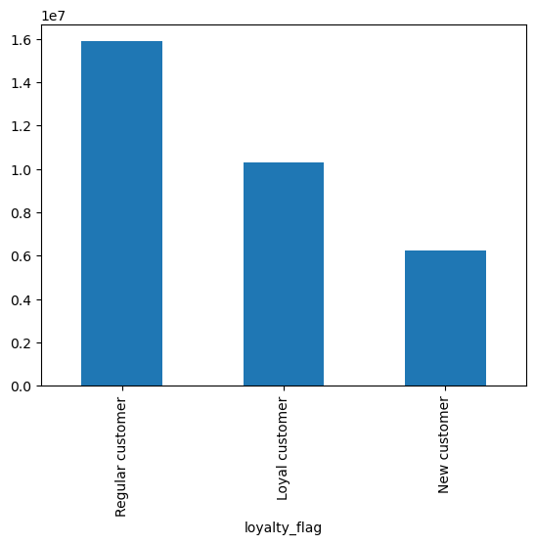 |  | The majority of customers are regular customers, and the second largest group are loyal customers. Marketing team needs to work to turn more of regular customers into loyal customers. New customers are the smallest group. They can potentially become loyal customers. Special promotions should be sent to new customers to motivate brand loyalty. Loyal customers should also be given some rewards to encourage them to remain with Instacart. These rewards should be ed in social media to encourage brand loyalty in the other customer groups.

7. Recommendations
 |  |  |  | Title page
Recommendations

In this tab you should include any recommendations you would made to Instcart in terms of their marketing strategy based on the questions posed in the brief. Every key question has been covered in the Tasks of the Exercises - here you need to add an item - a visualisation or table/crosstable that is showing the answer in the data, acompanied by a comment from you. Please, list the questions below and add the answer underneath.

 | Question | Answer | Recommendations

1 | What are the busiest days of the week and hours of the day? | The week days with biggest numbers of orders are Sunday and Monday, followed by Saturday. The week days with fewest orders are Wednesday and Tuesday. | The best time for ads would be between 10am and 4pm. The most important ads should be run at that time on Monday and the weekend. The best time for any website maintenance would be between 3am and 4am during the middle of the week. Mid-week (Wednesday or Thursday) during standard working hours (9-5) would be a good time for special one day promotions to increase shopping frequency. Special promotions only available on certain days might stimulate more customers to make orders more than once per week.
2 | Are there particular times of the day when people spend the most money? | Similar with number of orders, the majority of money is spent during the day between 9am and 5pm. Customers are spending least money in the middle of the night between 2am and 4am. | Any maintenance that might disrupt or slow down the website should be done at night around 3am. The best time for ads is in the middle of the day: 10am to 4pm. One suggestion is to introduce special evening clearances and promotions which are only active during the evening hours, e.g. 7pm to midnight. This might encourage customers to log back into the Instacart site in the evenings to catch the promotions and thus might increase order frequency.
3 | Are there certain types of products that are more popular than others? | The biggest number of purchased products is from the produce department, followed by dairy/eggs departments. Other departments in the top 5 most popular are snacks, beverages and frozen, in that order. Fewest of the purchased products are from the bulk department or classified as "other". The top 5 most popular departments are the same among loayl and new customers, different income levels and across the four US regions. | It is crucia to make sure that the top 5 most popular departments: produce, dairy/eggs, snacks, beverages and frozen are always well stocked. Otherwise the customers might leave for the other platforms providing similar service. Many promotions for products from these departments is likely to attract new customers. Since the pattern was the same across all the different groups that were considered, it is likely that these departments would also be popular among potential customers.
4 | What’s the distribution among users in regards to their brand loyalty (i.e., how often do they return to Instacart)? Are there differences in ordering habits based on a customer’s loyalty status? | The majority of customers are regular customers, and the second largest group are loyal customers. New customers are the smallest group. Loyal customers make purchases more frequently than regular or new customers. | The marketing team needs to work to turn more of the regular customers into loyal customers. New customers can also potentially become loyal customers. Special promotions should be sent to new customers to motivate brand loyalty. Loyal customers should also be given some rewards to encourage them to remain with Instacart. These rewards should be highlighted in social media to encourage brand loyalty in other customer groups.
5 | Are there differences in spending habits based on a customer’s region? | No notable differences were found between the four US regions. | The same marketing campaigns can be run across the coutry.
6 | Is age related to spending potential? | There is a clear relationship between age and income, with middle-aged and senior customers earning more on average. Also seniors with dependants and middle-aged adults with dependants are the two biggest customer groups. Thus, not only do they have higher spending potential, they also have more people in the household to shop for. | High price range items should be advertised to the older age groups (40+ years). The younger customers (those in their 20s and 30s) are most likely to be interested in BOGO promotions and clearances.
7 | Is there a connection between age and family status in terms of ordering habits? | Customers were separated into groups based on their age groups and having or not having any dependants. No notable differences were found between these groups in their loyalty status or how frequently they order from Instacart. | From the available data it appears that it does not make sense to divide customers of marketing purposed based age and having children. Other customer differences need to be explored.
8 | What different classifications does the demographic information suggest? Age? Income? Certain types of goods? Family status? | Age and having children or other dependants in the household was not a particularly useful way of classifying customers. As an alternative, customers were divided into three income groups.
9 | What differences can you find in ordering habits of different customer profiles? | Just over half of customers are low earners and just under half are medium earners. Frequent customers is the biggest group among all levels of income. | There are very few high earning customers. Thus, even though they have the spending potential, the reality is that the majority of high-range products are bought by low and medium earners. For best marketing strategies, it is best to focus on customers' personal shopping history and advertise high-range products to customers who bought them in the past.

