READ ME 1st
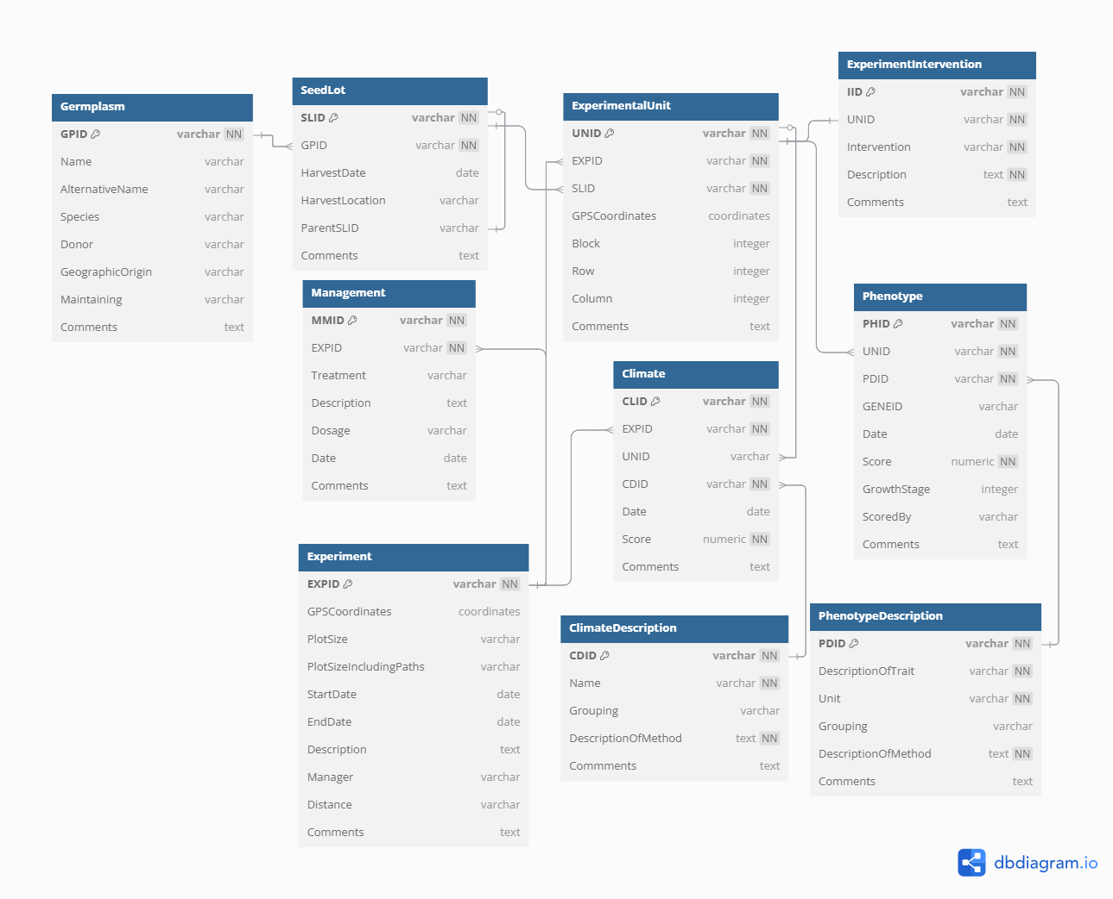
This work book contains 11 sheets with the tab names:
0) READ ME 1st
1) Germplasm
2) Seed Lot
3) Experiment information
4) Experimental unit information
5) | Features
6) Experiment Intervention
7) Phenotype description
8) Phenotype scores
9) Climate Description
10) Climate
11) Management

The 11 last sheets can be divided into a couple of slightly overlapping categories:
Germplasm, SeedLot, Climate Description, Phenotype Description and Feature tables benefit from having common codings and scorings across data sources
Management, climate, and climate description are mostly for use with actual field trials
Experiment, experimental unit, experiment intervention, phenotype description, some features would be filled out before an experiment
While phenotype, climate (containing actual data), and some features would be filled out during or after an experiment

Experiment contains metadata about the entire trial/experiment
Experimental unit contains metadata on each unit in the experiment, which could be a field plot, a plant pot, an eppendorf sample etc.
Experiment intervention contains additional metadata on experiments with an intervention
Think something like watered/not watered, inoculated with a symbiont/not inoculated, or different intercropping crops (barley vs wheat vs none)
Basically most things that you could do an anova on
Phenotype and climate table contain the actual phenotype and climate data
While their respective description tables contains the explanation of what the numbers mean
So while phenotype might say something nondecipherable like 0.19 or 31
Phenotype description might explain that these numbers mean protein content proportion and days to flowering, respectively
Features contain leftover information on each experimental unit or phenotype observation that cannot be readily annotated in the current format
Examples of what could be annotated would be the tissue the sample belongs to, which gene the phenotype belongs to, which wavelength of NIR it belongs to

The info required in each sheet was organised according with the Database Setup diagram on the right.
NN means the column cannot be empty, and the key means the ID must be unique

There are the following IDs in the schema:
1) | Germplasm ID (GPID)
2) | Seed Lot ID (SLID)
3) | Experiment ID (EXPID)
4) | Experimental Unit ID (UNID)
5) | Experiment intervention ID (IID)
6) | Phenotype description ID (PDID)
7) | Phenotype ID (PHID)
8) | Climate ID (CLID)
9) | Climate description ID (CDID)
10) | Management ID (MMID)
11) | Feature ID (FTID)

Germplasm ID is used to integrate with genomic data, and it is very important it is annotated correctly
Meanwhile, UNID in Climate is optional, if left empty, the values will be assumed to apply to the entire trial

There are date columns in some tables. These should be written as YYYY-MM-DD
But as long as excel recognizes the data as a date, there should be no problem.
The columns are: HarvestDate, Date, StartDate, EndDate

GPS Coordinates should be written as latitude;longitude in decimal form, without spaces
An example would be:
56.170308;10.207013

Features are annotated just as usual in the features table
The only specific thing is that the 'Type' column determines which values it can be annotated with in other tables.
With 'c' meaning any text can be placed there, 'I' only whole numbers, and 'd' any real numbers
The 'Vocabulary' column further allows users to restrict which values can be entered for a specific feature
With 'c', a semicolon (;) separated list with no spaces determining what each feature can contain of values
With Type 'd' or 'I', Vocabulary is given as a range of two numbers, within which the feature is valid, as 'min..max'. It is ends-inclusive.
In UN and PH table, as multiple features should be able to fit in one cell, it has a very specific format
(FTID1=value1;FTID2;value2;…;FTIDn=valuen)
With FTID1, FTID2,…, FTIDn matching the feature IDs in FT table perfectly, and value1, value2,…, valuen confirmed to be valid values from the definition of the feature

Row and Columns (in UN table) should be integers, not characters or IDs

Score columns can only contain numbers
This doesn't mean categorical values cannot enter the database
1 could be green, 2 beige and 3 black. As long as it is described in DescriptionOfMethod in phenotype description table, should be fine.
This also applies for climate and climate description tables

Check the correctness of the data formatting at https://troelsmou.shinyapps.io/n2crop-validation/

Checklist for data collection:
 | Before your study: fill out Experiment information, experimental unit, phenotype description and intervention tables
 | (Climate description table if you are using)
 | During/after your study, fill out Phenotype scores, possibly add changes to rest of tables
 | (Fill out Climate and management if using)
 | As you start to fill out a table, remove the sample data In the respective table (denoted FAKE DATA in the comment)
 | To finish, remove all column descriptors in the data
 | (e.g. "Germplasm ID (required)" in cell A2 in germplasm table)
 | Then upload to https://troelsmou.shinyapps.io/n2crop-validation/ to check for common mistakes (like spelling errors in IDs)
 | Done!

