工作表1
Member | Status | Task Type | Description | Start Date | End Date | Progress | Comment
Physical AI
TungYi | Ongoing | Others | [Documents] - Release Note 1.1 --- Done - 手臂支援: OMX, SO101 - 模型支援: ACT, GR00T - 平台: nvidia, thor, intel - Blog - 讓機械手臂像錄影一樣學你的動作！Robotic Suite/Physical AI 實戰解密 --- Done - 1.x --- OnGoing | 2026-08-03 |  |  | 讓機械手臂像錄影一樣學你的動作！Robotic Suite/Physical AI 實戰解密
Iris | Done | Enhancement | Robotics -- 整合 gr00t - Backend: - 新增 so101 inference 結束後自動手臂歸位 - 新增 gr00t policy - 新增 gr00t convert model 功能 - simulate 階段新增可以直接輸出 虛擬錄製 dataset - Fixed Bug: - 修正 ai-server 無法使用 gr00t interface 問題 - openvino 無法使用問題 - Frontend: - 調整主業流程圖 - simulate 流程增加可以直接輸出 Record Dataset - 修正 model path 問題 (Gr00t model 格式不同) - 新增 gr00t policy
Jim | Ongoing | New Feature | [Physical AI Studio (Intel) Safetensors Export測試] - 驗證 LeRobot safetensors 訓練產物能否透過 Studio 原生 export 一鍵轉出 OpenVINO / ONNX IR - Done - 目前無法從 LeRobot SmolVLA safetensors 取得可用 OpenVINO IR，改以原ACT 方式`openvino-ros`，針對每一個模型架構設計一個IR輸出 [LeRobot Policy → OpenVINO IR 轉檔架構與 CPU / iGPU 推論延遲測試 - Without web userflow] - 完成 policy plugin 架構，統一 IR 轉檔與推論流程，涵蓋 ACT / Diffusion / VQ-BeT / SmolVLA / PI0 / PI0FAST - Done - Intel Core Ultra 7 165H CPU / iGPU 推論延遲基準測試 - Done - `act`、`vqbet` 於 CPU / iGPU 皆可穩定運行，iGPU 略快 - `diffusion`、`vqbet` 於 CPU 出現 OpenVINO 2026.1 CPU plugin 相容性問題，`compile_model` 直接 segfault，(openvino runtime tool error)需改用 iGPU - `smolvla`、`pi0` 於 CPU 明顯優於 iGPU - `pi0fast` 於 CPU（~25s/次）與 iGPU（失敗）皆不適合即時控制 - AMD Ryzen 7 PRO 8845HS（OpenVINO CPU，雙相機）推論延遲基準測試 - Done [NVIDIA Tool ONNX → OpenVINO IR 轉換與推論架構] - 將 GR00T N1.5 官方 `export_onnx.py` 產出之 7 個 ONNX 轉出 OpenVINO IR - Done - 於 openvino-ros 新增 `policies/gr00t`，比照既有 `pi0` / `smolvla` adapter 架構（純 numpy + OpenVINO），完成 convert / inference，convert 階段沿用官方 `export_onnx.py` 產物作為轉檔起點 - Done [OpenVINO GR00T Inference on Intel CPU 測試] - 7 個 IR 於 Intel CPU 完整載入並跑通端到端 - Done - 修正後 7 個 IR 皆成功載入，推論可穩定產出 action chunk（首次 ~2.6s，穩定後約 ~1.4s；`chunk_size=16`） - 日誌顯示Action queue empty（CPU 吞吐不足導致 fps=30下步跟不上） [模擬環境測試 資料收集/轉檔/訓練] - Ongoing |  |  |  | https://ess-kms.edgecenter.io/en/deviceon/private/jim/openvino_survey |  | GPU(CUDA) inference | 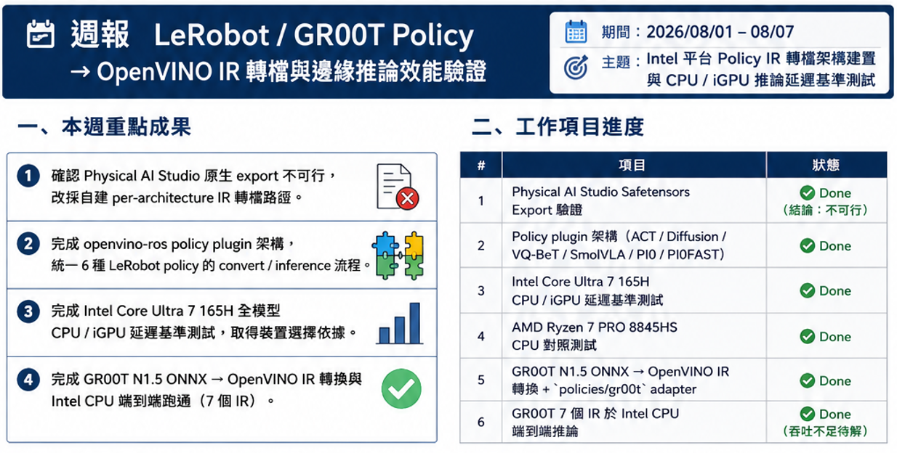
 |  |  |  |  |  |  |  | IntelCPU(openvinoIR) inference
GenAI Studio & LLM
Alex | Done | New Feature | • Phison inference integration > Merge to `backend` > Check installer integrity > Runtime exam | 2026-07-14 | 2026-07-27 | 100%
Alex | Done | Enhancement | • Installer bug fix and enhancement > Not all settings are kept after upgrade > Change compression from pigz to zstd > Audo-Generate SHA256 checksum | 2026-07-30 | 2026-08-06 | 100%
Alex | Ongoing | Others | • Prepare 1.5 release > New models support for LoRA fine-tuning - google/gemma-4-12B-it - Qwen/Qwen3.6-27B - Qwen/Qwen3.6-35B-A3B > Support multi-GPU for LoRA fine-tuning > Phison inference > Beta 2 for testing > Online documentation | 2026-07-29
TungYi | Done | Enhancement | [sbom] • 在每周3的CVE掃描時同時建立sbom並push進source code | 2026-07-23 | 2026-07-23 | 100%
WunHuei | Ongoing | New Feature | 【Industrial Claw】 協助Scott 做Industrial Claw 的UIUX設計 | 2026-08-04
Scott | Ongoing | New Feature | [Industial Claw] Tasks Dispatch 1. Implement agent 2 agent plugin 2. Implement Sample WebUI for Task Dispatch |  |  |  | https://ess-kms.edgecenter.io/en/deviceon/private/Scott/AI/Industrial_Claw/agent-bootstrap
Scott | Ongoing | Enhancement | [GAIS] * Bug fix 1. [Unsloth] 多顯卡環境下 跨GPU掛載小模型報錯 - 原因: device_map="auto" 把整個模型放到 GPU 3，但訓練 process 在 cuda:0 —— accelerate 不允許量化模型待在非訓練裝置上。
Fabian | Done | New Feature | [OpenClaw] MemoSynth 智能會議洞察助理 v1.0.7 * New Feature 1. 在【技術分享】分析中，添加的直接發布到部落格的功能 *Enhancement 1. 將郵件發送從個人 Gmail 改成 SendGrid，支援群組發信 | 2026-07-06 | 2026-07-31 | 100% | MemoSynth 更新內容 1.0.7 | ESS-KMS
DeviceOn
Rafael | Ongoing | New Feature | [DeviceOn] Java17 + OTA App ✓ RESTful API: add parameter for frontend (7/20) Docker Compose ✓ Table schema ✓ Backend function ✱ RESTful API: CRUD, deploy/list/up/down Image Deploy ✓ Make a offline tool for making OTA package. ✱ Payload Package Deploy ✱ Make a tool for directly uploading image file to storage.
Rafael | Ongoing | Enhancement | [DeviceOn] EdgeBMC flash BIOS issue (PM: Joanna, AE: Stark, EC: Jack) Model: DS-054 7/23 AE request manual. 7/24 AE feedback BIOS file `rom` unable to upload. 7/24 Hot patch DeviceOn, AE continue test. 7/27 AE feedback failed flash BIOS. 7/27 Get DS-054, start debug. Confirm issues, esclate to PM. Total: 9, Failed: 7, Success: 2 7/29 EC confirm issues. 8/4 Update online document: guide about troubleshooting. 8/5 Pressure test. [flash bios -> power on] repeat 20 rounds. After 3 rounds, failed on boot up to OS. EC cut off power before flash bios, cause Windows error. ✱ Add shutdown gracefully before flash bios. - UI add option. - API add relevant codes. Todo: Transfer DeviceOn EdgeBMC operation to DQA | 2026-07-23
Rafael | Pending | Support | [DeviceOn] Check EdgeBMC function working Model: MIO-5356
Scott | Ongoing | Enhancement | [DeviceOn Agent] Bug and vulnerability Fix 1. update old dll for vulnerability - Windows: libcurl, libxml2, openssl - Ubuntu 26: sqlite, curl, c-ares, libmodbus - 更新 minizip並手動改寫以符合跨平臺編譯， 受影響 Plugins: OTAHandler, PowerOn/Off (EdgeBMC), ContainerManagement (Docker Compose) 2. ContainerManagement 新增支援 Docker Compose 3. Screenshot 調整檔案路徑 | 2026-07-20
Scott | Ongoing | New Feature | [DeviceOn Agent] 支援新平台 imx8-Yocto 4.2 與 imx9-yocto 5.2 - toolchain 缺少 mosquitto 資源，導致編譯失敗 | 2026-08-04
WunHuei | Done | Enhancement | 【DeviceOn-WEDA】 1. ✓ 前端依照目前最新v1.1.0版去做調整，API的url 或回傳物件架構 | 2026-07-20 | 2026-07-20
WunHuei | Ongoing | New Feature | 【DeviceOn-OTA】 1. ✓ UIUX 修改 *OS upgrade 操作流程修改 * 依不同的Rule做版面調整 2. ✓ 串接並驗證好API (75個左右) 3. OS upgrade 相關的API 還在等Rafael | 2026-06-01 | 2026-08-04
TungYi | Done | Others | [Installer/Azure VM (deviceon, deviceonapp, deviceon-trial)] - mongodb 6.x --> 7.0.39 - postgrsql 10 --> 15.18 - JRE 8 --> 17 - Tomcat 9 --> 10 | 2026-07-20 | 2026-07-24 | 100%
TungYi | Done | Others | [Azure Pipeline] - 將Code Anaysis/build deviceon installer 的自動化從Azure Release 移至 Azure Pipeline | 2026-07-13 | 2026-07-17 | 100%
TungYi | Done | Others | [sbom] • 在每周3的CVE掃描時同時建立sbom並push進source code • 根據wiseagent提供的 sbom掃描CVE並寄出給Scott | 2026-07-23 | 2026-07-23 | 100%
Alex | Done | Others | • Bumps Java/Tomcat [Phase 5] > Ubuntu 22/24 test (0713 ~ 0716) > Solve issues based on test result - Hibernet PK issue (Rafael) - Tomcat CORS setting (Grafana) - Artifact missing (Mail) > Windows test | 2026-07-13 | 2026-07-20 | 100%
Alex | Done | Others | • Bumps Java/Tomcat [Phase 6] > Upgrade PostgreSQL from 14.17 to 15.18 > Upgrade MongoDB from 6.0.20 to 7.0.39 | 2026-07-20 | 2026-07-28 | 100%
Alex | Done | Others | • Bumps Java/Tomcat [Phase 7] > Merge code back to develop > Merge installer back to master | 2026-07-30 | 2026-08-04 | 100%
EPD
Fabian | Done | New Feature | DeviceOn/ePaper v3.2.13 released 1. Service Monitor (Bug Fix): Fixed pg library compatibility issue on Ubuntu 22.04. 2. EPD_Hub (Bug Fix): Upgrade docker-compose version to support Ubuntu 22.04. 3. EPD_Portal (New Feature): Support new EPD model - EPD-408-K and EPD-408-W. 4. EPD_Portal (Enhancement): Upgrade Gradle from 4.0 to 5.6.4. | 2026-08-03 | 2026-08-07 | 100%
Fabian | Ongoing | Support | Fulfill the HA requirements from Singapore. 1. Separate the settings for FTP IP and Broker IP on DeviceOn/ePaper site (Done) 2. Check the capability for support on multiple MAC addresses in multiple node structure (Ongoing) | 2026-08-05 |  | 80%
Project & Others
Fabian | Ongoing | Enhancement | AI自動化修補CVEs漏洞 1. 使用 Azure Pipeline 在晚間12:00進行nightly-build，Trivy掃描並自動修補漏洞 (focus on minor and patch version) | 2026-07-27 | 2026-08-06 | 80% | AI自動化修補CVEs漏洞
Iris | Ongoing | New Feature | Codex × Azure Pipeline 自動修 CVE 流程 | 2026-07-27 | 2026-07-31 |  | https://ess-kms.edgecenter.io/e/en/deviceon/private/Iris/Azure_pipeline_CodexCVE
WunHuei | Done | Support | 【OpenClaw 決策戰情室】 與爵麟確認好 設備端 與 網頁 之間的websocket溝通是成功的 | 2026-08-03 | 2026-08-03 | 100%

