Intro
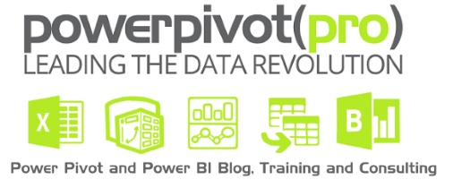
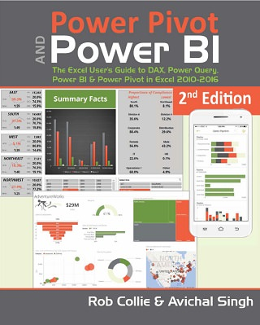
Supporting file from the book:
Power Pivot and Power BI
by Rob Collie & Avi Singh
PowerPivotPro.com

Source and example files provided as-is and free of charge. No warranty is offered.
These files may be redistributed freely as long as this attribution sheet is included.

