WEO Update July 2021
 |  |  | 2021-07-27

International Monetary Fund
World Economic Outlook


July 2021

World Economic Outlook Update

This datafile includes tables, charts, and underlying data from the July 2021 World Economic Outlook Update. When using the data, please refer to the
IMF, World Economic Outlook Update, July 2021.

 | Please submit any questions using | WEO Data Question Form

Figure 7
Sources: Baker, Bloom, and Davis 2016; www.PolicyUncertainty.com.
Note: The global index is calculated as the GDP-weighted average of monthly index values for sample of 18 advanced, emerging market, and middle-income economies. Each monthly national index value is proportional to the share of own-country newspaper articles that discussed economic policy uncertainty in that month.
Figure 1.7. Global Economic Policy Uncertainty Index, 2007–16
Uncertainty about future economic policies has reached a decade high.
World Economic Outlook, July 2021 Update
 | Figure 7. Gaps in Vaccination Rates Across Economies
 | (Percent)

 | ISO country code | Average daily vaccination rate needed to reach 40 percent by the end of 2021 | Average daily vaccination rate June 14-27, 2021
 |  |  | Countries where avg. rate > rate needed | Countries where avg. rate < rate needed
 | ABW | 0.08 | 0.26
 | AIA | 0.09 | 0.48
 | AND | 0.14 | 1.75
 | ARE | 0.14 | 0.97
 | ARG | 0.22 | 0.55
 | ATG | 0.21 | 0.32
 | AUS | 0.27 | 0.43
 | AUT | 0.14 | 0.93
 | AZE | 0.29 | 0.38
 | BEL | 0.12 | 1.17
 | BHR | 0.09 | 0.60
 | BHS | 0.32 | 0.40
 | BIH | 0.34 | 0.36
 | BLZ | 0.29 | 0.38
 | BMU | 0.07 | 0.27
 | BRA | 0.23 | 0.63
 | BRB | 0.23 | 0.36
 | CAN | 0.06 | 1.22
 | CHE | 0.16 | 0.91
 | CHL | 0.08 | 0.72
 | CHN | 0.18 | 1.49
 | COL | 0.28 | 0.62
 | CPV | 0.33 | 0.50
 | CRI | 0.24 | 0.42
 | CUB | 0.29 | 1.17
 | CUW | 0.13 | 0.21
 | CYM | 0.04 | 0.57
 | CYP | 0.14 | 0.66
 | CZE | 0.16 | 0.89
 | DEU | 0.13 | 0.98
 | DNK | 0.13 | 1.02
 | DOM | 0.18 | 0.98
 | ECU | 0.31 | 0.42
 | ESP | 0.14 | 1.03
 | EST | 0.18 | 0.53
 | FIN | 0.11 | 0.91
 | FJI | 0.25 | 0.60
 | FRA | 0.15 | 0.85
 | FRO | 0.12 | 1.18
 | GBR | 0.08 | 0.55
 | GGY | 0.15 | 0.58
 | GRC | 0.17 | 0.81
 | GRL | 0.19 | 0.68
 | GUY | 0.24 | 0.28
 | HKG | 0.25 | 0.60
 | HRV | 0.21 | 0.68
 | HUN | 0.11 | 0.41
 | IMN | 0.03 | 1.11
 | IND | 0.30 | 0.38
 | IRL | 0.17 | 1.14
 | ISL | 0.03 | 1.30
 | ITA | 0.13 | 0.91
 | JEY | 0.07 | 0.44
 | JOR | 0.28 | 0.68
 | JPN | 0.29 | 0.89
 | KAZ | 0.31 | 0.43
 | KHM | 0.28 | 0.57
 | KNA | 0.18 | 1.31
 | KOR | 0.24 | 0.49
 | KWT | 0.06 | 0.27
 | LAO | 0.33 | 0.34
 | LIE | 0.15 | 0.75
 | LTU | 0.17 | 0.68
 | LUX | 0.15 | 1.06
 | LVA | 0.22 | 0.44
 | MAC | 0.22 | 0.84
 | MAR | 0.26 | 0.46
 | MCO | 0.15 | 0.48
 | MDV | 0.10 | 0.16
 | MEX | 0.28 | 0.37
 | MNG | 0.10 | 0.31
 | MUS | 0.24 | 1.28
 | MYS | 0.31 | 0.65
 | NLD | 0.13 | 1.18
 | NOR | 0.19 | 0.89
 | NRU | 0.05 | 0.81
 | NZL | 0.32 | 0.38
 | OMN | 0.32 | 0.62
 | PAN | 0.28 | 0.35
 | PER | 0.32 | 0.33
 | POL | 0.17 | 0.73
 | PRT | 0.14 | 0.94
 | PYF | 0.27 | 0.33
 | QAT | 0.11 | 0.52
 | SGP | 0.14 | 0.82
 | SLV | 0.27 | 0.40
 | SMR | 0.07 | 0.25
 | SRB | 0.19 | 0.35
 | SUR | 0.26 | 0.65
 | SVK | 0.21 | 0.66
 | SVN | 0.20 | 0.49
 | SWE | 0.17 | 0.61
 | SXM | 0.16 | 0.69
 | SYC | 0.04 | 0.06
 | TCA | 0.10 | 1.04
 | TLS | 0.34 | 0.70
 | TTO | 0.32 | 0.48
 | TUR | 0.21 | 1.18
 | URY | 0.08 | 1.03
 | USA | 0.13 | 0.28
 | VGB | 0.19 | 0.48
 | WLF | 0.19 | 0.20
 | WSM | 0.28 | 0.47
 | AFG | 0.37 |  | 0.03
 | AGO | 0.37 |  | 0.04
 | ALB | 0.29 |  | 0.27
 | ARM | 0.37 |  | 0.05
 | BEN | 0.38 |  | 0.01
 | BFA | 0.38 |  | 0.00
 | BGD | 0.36 |  | 0.00
 | BGR | 0.32 |  | 0.15
 | BOL | 0.31 |  | 0.20
 | BRN | 0.32 |  | 0.26
 | BTN | 0.08 |  | 0.01
 | BWA | 0.35 |  | 0.25
 | CAF | 0.38 |  | 0.08
 | CIV | 0.37 |  | 0.01
 | CMR | 0.38 |  | 0.01
 | COD | 0.38 |  | 0.00
 | COG | 0.38 |  | 0.08
 | COM | 0.36 |  | 0.03
 | DJI | 0.38 |  | 0.03
 | DMA | 0.25 |  | 0.17
 | EGY | 0.37 |  | 0.04
 | ETH | 0.37 |  | 0.00
 | GAB | 0.38 |  | 0.06
 | GEO | 0.35 |  | 0.14
 | GHA | 0.37 |  | 0.00
 | GIN | 0.37 |  | 0.08
 | GMB | 0.38 |  | 0.00
 | GNB | 0.38 |  | 0.01
 | GNQ | 0.33 |  | 0.05
 | GRD | 0.30 |  | 0.26
 | GTM | 0.36 |  | 0.10
 | HND | 0.36 |  | 0.20
 | IDN | 0.34 |  | 0.21
 | IRN | 0.36 |  | 0.06
 | IRQ | 0.37 |  | 0.04
 | ISR | 0.08 |  | 0.07
 | JAM | 0.36 |  | 0.13
 | KEN | 0.37 |  | 0.02
 | KGZ | 0.37 |  | 0.04
 | LBN | 0.33 |  | 0.23
 | LBR | 0.38 |  | 0.02
 | LBY | 0.36 |  | 0.04
 | LCA | 0.30 |  | 0.08
 | LKA | 0.33 |  | 0.22
 | LSO | 0.37 |  | 0.02
 | MDA | 0.33 |  | 0.29
 | MDG | 0.38 |  | 0.02
 | MKD | 0.32 |  | 0.21
 | MLI | 0.38 |  | 0.01
 | MMR | 0.37 |  | 0.01
 | MNE | 0.27 |  | 0.26
 | MOZ | 0.38 |  | 0.01
 | MRT | 0.37 |  | 0.21
 | MSR | 0.25 |  | 0.09
 | MWI | 0.37 |  | 0.02
 | NAM | 0.36 |  | 0.11
 | NCL | 0.29 |  | 0.23
 | NER | 0.38 |  | 0.03
 | NGA | 0.38 |  | 0.03
 | NPL | 0.34 |  | 0.06
 | PAK | 0.36 |  | 0.13
 | PHL | 0.35 |  | 0.20
 | PNG | 0.38 |  | 0.01
 | PRY | 0.35 |  | 0.13
 | PSE | 0.34 |  | 0.26
 | ROU | 0.27 |  | 0.13
 | RUS | 0.31 |  | 0.29
 | RWA | 0.37 |  | 0.02
 | SDN | 0.38 |  | 0.02
 | SEN | 0.37 |  | 0.02
 | SLB | 0.37 |  | 0.02
 | SLE | 0.38 |  | 0.01
 | SOM | 0.38 |  | 0.03
 | SSD | 0.38 |  | 0.01
 | STP | 0.35 |  | 0.08
 | SWZ | 0.37 |  | 0.03
 | SYR | 0.38 |  | 0.01
 | TCD | 0.38 |  | 0.00
 | THA | 0.34 |  | 0.30
 | TJK | 0.38 |  | 0.09
 | TUN | 0.33 |  | 0.24
 | TWN | 0.35 |  | 0.34
 | UGA | 0.37 |  | 0.01
 | UKR | 0.36 |  | 0.12
 | UZB | 0.36 |  | 0.18
 | VCT | 0.30 |  | 0.12
 | VEN | 0.36 |  | 0.15
 | VNM | 0.37 |  | 0.13
 | VUT | 0.37 |  | 0.11
 | YEM | 0.38 |  | 0.01
 | ZAF | 0.36 |  | 0.11
 | ZMB | 0.38 |  | 0.00
 | ZWE | 0.36 |  | 0.07

Box 1 Figure 1
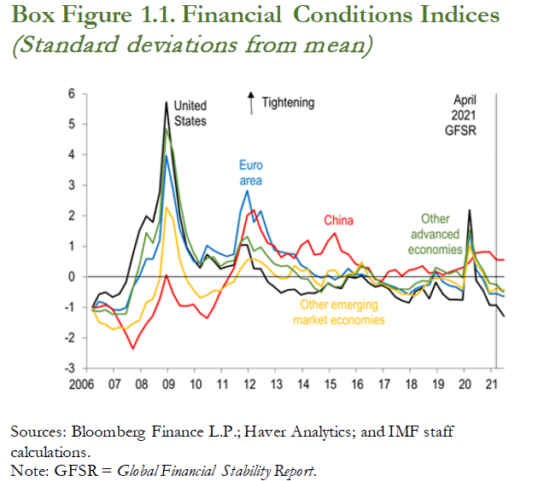
World Economic Outlook, July 2021 Update
 | Box 1 Figure 1. Financial Conditions Indices
 | (Standard deviations from mean)

 |  | United States | Euro area | Other advanced economies | China | Other emerging market economies
 | 2006Q1 | -1.00 | -1.10 | -1.13 | -1.02 | -1.02
 | 2006Q2 | -0.56 | -0.81 | -0.85 | -0.99 | -1.49
 | 2006Q3 | -0.50 | -0.88 | -0.83 | -0.93 | -1.56
 | 2006Q4 | -0.66 | -1.07 | -1.01 | -1.05 | -1.72
 | 2007Q1 | -0.55 | -1.09 | -1.22 | -1.48 | -1.66
 | 2007Q2 | -0.18 | -1.01 | -1.21 | -1.87 | -1.70
 | 2007Q3 | 0.73 | -0.35 | -0.36 | -2.36 | -1.54
 | 2007Q4 | 1.51 | 0.02 | 0.38 | -1.90 | -1.42
 | 2008Q1 | 1.99 | 0.59 | 1.44 | -1.54 | -0.84
 | 2008Q2 | 1.80 | 0.59 | 1.11 | -1.27 | -0.72
 | 2008Q3 | 2.78 | 1.21 | 1.86 | -0.73 | -0.08
 | 2008Q4 | 5.72 | 3.97 | 4.85 | 0.06 | 2.29
 | 2009Q1 | 3.68 | 2.83 | 4.09 | -0.55 | 1.87
 | 2009Q2 | 2.03 | 1.57 | 2.51 | -0.94 | 0.55
 | 2009Q3 | 0.97 | 0.94 | 1.37 | -0.95 | -0.10
 | 2009Q4 | 0.57 | 0.51 | 0.80 | -0.90 | -0.43
 | 2010Q1 | 0.29 | 0.45 | 0.41 | -1.19 | -0.69
 | 2010Q2 | 0.74 | 1.02 | 0.61 | -1.36 | -0.60
 | 2010Q3 | 0.54 | 0.87 | 0.65 | -1.01 | -0.45
 | 2010Q4 | 0.26 | 0.76 | 0.34 | -0.49 | -0.45
 | 2011Q1 | 0.34 | 0.67 | 0.50 | -0.13 | -0.26
 | 2011Q2 | 0.38 | 0.75 | 0.53 | 0.28 | -0.15
 | 2011Q3 | 1.03 | 2.13 | 1.14 | 1.04 | 0.26
 | 2011Q4 | 1.04 | 2.83 | 1.32 | 2.01 | 0.56
 | 2012Q1 | 0.28 | 1.79 | 0.84 | 2.19 | 0.59
 | 2012Q2 | 0.26 | 2.16 | 0.97 | 1.54 | 0.50
 | 2012Q3 | -0.16 | 1.45 | 0.67 | 1.11 | 0.31
 | 2012Q4 | -0.32 | 0.89 | 0.43 | 1.01 | 0.07
 | 2013Q1 | -0.53 | 0.81 | 0.35 | 0.64 | -0.06
 | 2013Q2 | -0.43 | 0.77 | 0.37 | 0.78 | -0.05
 | 2013Q3 | -0.41 | 0.75 | 0.17 | 0.61 | 0.37
 | 2013Q4 | -0.59 | 0.38 | -0.05 | 1.03 | 0.20
 | 2014Q1 | -0.52 | 0.25 | -0.07 | 1.19 | 0.24
 | 2014Q2 | -0.53 | 0.06 | -0.37 | 0.72 | -0.14
 | 2014Q3 | -0.43 | -0.04 | -0.50 | 0.77 | -0.31
 | 2014Q4 | -0.22 | 0.05 | -0.19 | 1.18 | 0.18
 | 2015Q1 | -0.33 | -0.09 | -0.33 | 1.44 | 0.23
 | 2015Q2 | -0.38 | 0.02 | -0.32 | 0.85 | -0.03
 | 2015Q3 | 0.01 | 0.27 | 0.06 | 0.74 | 0.09
 | 2015Q4 | -0.05 | 0.07 | 0.05 | 0.43 | 0.14
 | 2016Q1 | 0.04 | 0.09 | 0.38 | 0.32 | 0.48
 | 2016Q2 | -0.19 | 0.00 | 0.22 | 0.29 | 0.01
 | 2016Q3 | -0.33 | -0.25 | -0.05 | -0.09 | -0.25
 | 2016Q4 | -0.27 | -0.18 | -0.20 | -0.14 | -0.22
 | 2017Q1 | -0.39 | -0.27 | -0.29 | 0.18 | -0.35
 | 2017Q2 | -0.66 | -0.35 | -0.40 | 0.23 | -0.43
 | 2017Q3 | -0.77 | -0.45 | -0.40 | 0.03 | -0.56
 | 2017Q4 | -0.85 | -0.58 | -0.41 | 0.22 | -0.57
 | 2018Q1 | -0.48 | -0.39 | -0.22 | 0.26 | -0.63
 | 2018Q2 | -0.37 | -0.31 | -0.13 | 0.35 | -0.41
 | 2018Q3 | -0.72 | -0.26 | -0.15 | 0.11 | -0.14
 | 2018Q4 | -0.18 | 0.16 | 0.31 | 0.18 | -0.06
 | 2019Q1 | -0.56 | -0.16 | 0.20 | 0.06 | -0.06
 | 2019Q2 | -0.75 | -0.29 | 0.09 | 0.16 | -0.11
 | 2019Q3 | -0.75 | -0.34 | 0.20 | 0.23 | -0.22
 | 2019Q4 | -0.75 | -0.49 | -0.03 | 0.31 | -0.41
 | 2020Q1 | 2.19 | 1.45 | 1.53 | 0.48 | 1.04
 | 2020Q2 | -0.12 | 0.24 | 0.59 | 0.78 | 0.42
 | 2020Q3 | -0.44 | -0.09 | 0.22 | 0.81 | 0.14
 | 2020Q4 | -0.92 | -0.56 | -0.21 | 0.82 | -0.52
 | 2021Q1 | -0.93 | -0.54 | -0.26 | 0.55 | -0.37

Box 1 Figure 2
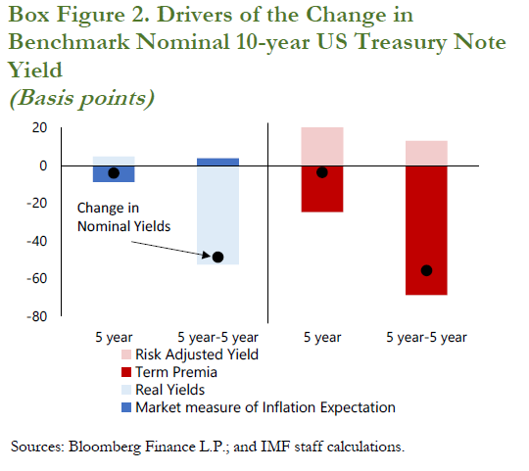
World Economic Outlook, July 2021 Update
 | Box 1 Figure 2. Drivers of the Change in Benchmark Nominal 10-year US Treasury Note Yield
 | (Basis points)

 |  | Market measure of Inflation Expectation | Real Yields | Change in Nominal Yields | Term Premia | Risk Adjusted Yield | Change in Nominal Yields
 | 5 year | -8.6 | 3.9 | -4.7
 | 5 year-5 year | 3.1 | -55.0 | -51.9
 | 5 year |  |  |  | -26.1 | 22.8 | -3.2
 | 5 year-5 year |  |  |  | -73.6 | 14.2 | -59.3

Box 1 Figure 3
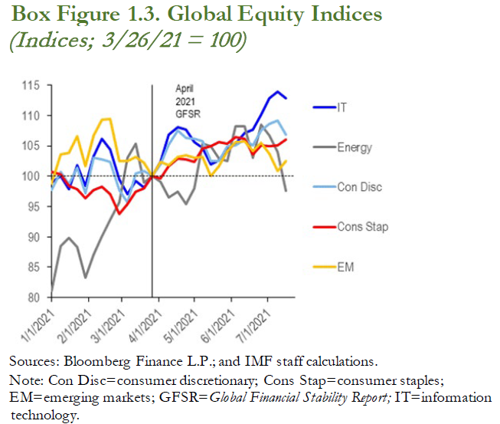
World Economic Outlook, July 2021 Update
 | Box 1 Figure 3. Global Equity Indices
 | (Indices; 3/26/21 = 100)

 |  | Energy | Consumer discretionary | Consumer staples | Emerging markets | Information technology
 | 2021-01-01 | 81.0 | 97.7 | 100.7 | 98.8 | 98.9
 | 2021-01-08 | 88.4 | 100.7 | 100.4 | 103.5 | 100.0
 | 2021-01-15 | 89.8 | 98.7 | 98.3 | 103.9 | 97.9
 | 2021-01-22 | 88.3 | 101.4 | 97.9 | 106.5 | 101.8
 | 2021-01-29 | 83.2 | 97.1 | 96.4 | 101.7 | 98.4
 | 2021-02-05 | 87.1 | 103.0 | 97.7 | 106.7 | 103.3
 | 2021-02-12 | 90.0 | 102.8 | 98.2 | 109.3 | 106.2
 | 2021-02-19 | 92.9 | 102.4 | 97.1 | 109.4 | 104.4
 | 2021-02-26 | 95.7 | 97.7 | 93.8 | 102.4 | 99.5
 | 2021-03-05 | 103.1 | 95.6 | 95.5 | 102.4 | 97.1
 | 2021-03-12 | 105.3 | 100.5 | 97.4 | 103.1 | 99.3
 | 2021-03-19 | 99.0 | 100.8 | 98.0 | 102.2 | 98.2
 | 2021-03-26 | 100.0 | 100.0 | 100.0 | 100.0 | 100.0
 | 2021-04-02 | 99.0 | 102.0 | 99.6 | 102.4 | 102.3
 | 2021-04-09 | 96.5 | 105.2 | 101.6 | 101.8 | 106.8
 | 2021-04-16 | 97.5 | 107.6 | 102.9 | 103.2 | 108.0
 | 2021-04-23 | 95.4 | 106.3 | 102.8 | 103.5 | 107.7
 | 2021-04-30 | 98.0 | 106.2 | 102.4 | 103.1 | 105.6
 | 2021-05-07 | 105.3 | 105.7 | 104.5 | 103.1 | 104.6
 | 2021-05-14 | 104.9 | 102.6 | 104.9 | 100.0 | 101.9
 | 2021-05-21 | 102.8 | 102.5 | 105.7 | 101.7 | 102.6
 | 2021-05-28 | 102.5 | 105.0 | 105.4 | 104.1 | 104.4
 | 2021-06-04 | 108.2 | 105.0 | 106.4 | 105.7 | 105.4
 | 2021-06-11 | 108.3 | 106.0 | 106.2 | 105.7 | 107.1
 | 2021-06-18 | 103.1 | 105.0 | 103.6 | 104.1 | 107.6
 | 2021-06-25 | 108.5 | 107.5 | 105.1 | 105.5 | 110.1
 | 2021-07-02 | 112.80 | 106.70 | 108.62 | 104.94 | 103.66
 | 2021-07-09 | 113.90 | 103.98 | 109.22 | 105.04 | 100.82
 | 2021-07-16 | 112.86 | 97.63 | 106.84 | 105.98 | 102.49

