Plots
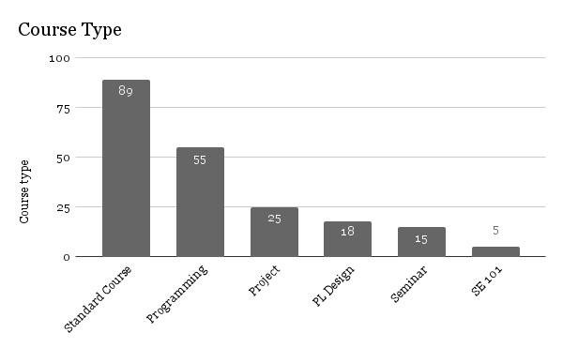

Course types
Standard | 89
Programming | 55
Project | 25
PL Design | 18
Seminar | 15
SE 101 | 5

 | B | M

 | BSc | Msc
Construction and Prog. | 62 | 13
SE models | 14 | 14
Verification | 10 | 18
SE process | 8 | 17
Design | 12 | 12
Prog. language design | 12 | 12
SE management | 6 | 18
Architecture | 4 | 18
Requirements | 12 | 8
Testing | 7 | 12
Maintenance | 1 | 18
SW security | 5 | 11
Operations | 6 | 9
Config. management | 4 | 5
SE economics | 2 | 7

