Lifecycle Activity for Database
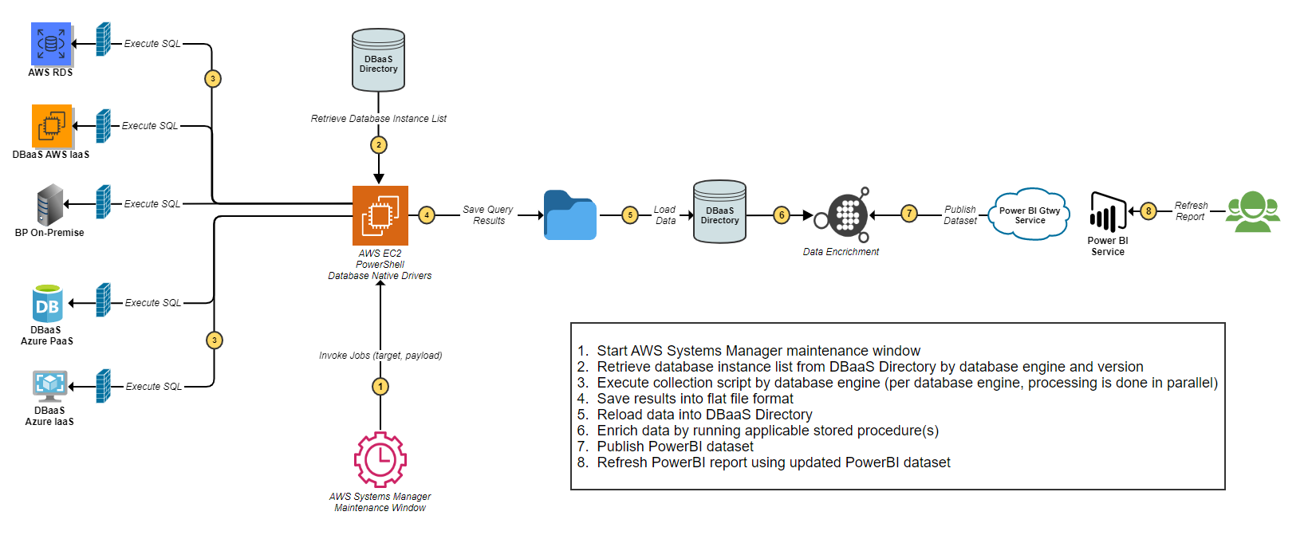
Lifecycle Activity for Database Instance Account Compliance Collection - Database and Containers - Confluence (atlassian.net)
Lifecycle Activity for Database Instance Account Compliance Collection

