top-PCR-harness
Part Number: |  | TBD
Main function |  | PCR MCU board to LED const current board
Note: | Needs to be reviewed
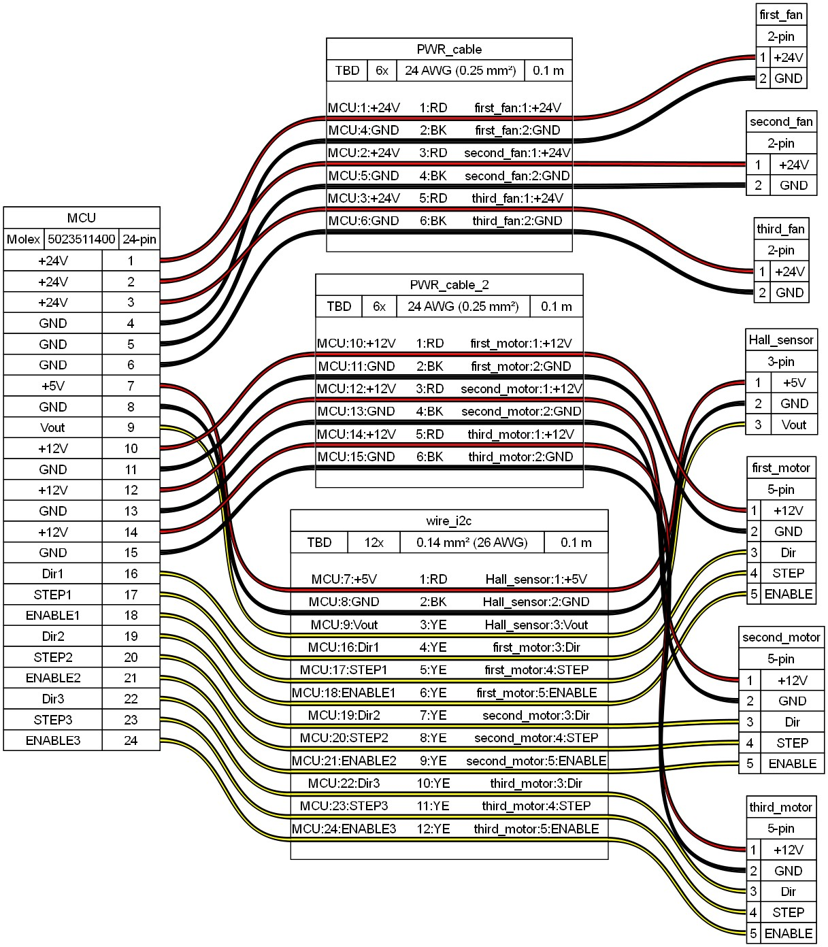

Part Number: |  | TBD
Main function |  | PCR MCU board to Y and Z motors
Note: | Needs to be reviewed

Part Number: |  | TBD
Main function |  | PCR MCU board to TEC
Note: | Needs to be reviewed

Part Number: |  | TBD
Main function |  | PCR MCU board to
Note: | Needs to be reviewed

