COVER
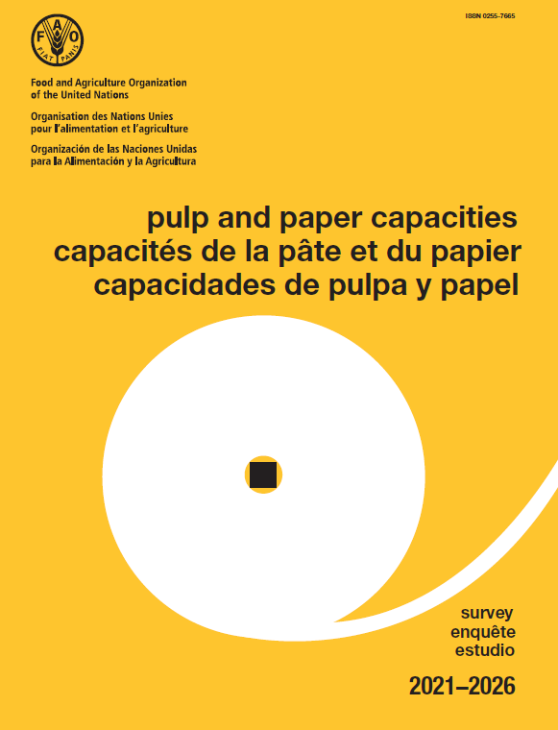

https://www.fao.org/forestry/statistics/80571/en/

