Sheet1
PIN | PMOD1 | FPGA Pin | PMOD2 | FPGA Pin | PMOD3 | FPGA Pin | PMOD4 | FPGA Pin
1 | PMOD1_IO1_HDA11 | H12 | PMOD2_IO1_HDA02 | J11 | PMOD3_IO1_HDB00_CC | AE12 | PMOD4_IO1_HDB08_CC | AC12
2 | PMOD1_IO5_HDA15 | B10 | PMOD2_IO5_HDA06 | H11 | PMOD3_IO5_HDB04 | AF11 | PMOD4_IO5_HDB12 | AD11
3 | PMOD1_IO2_HDA12 | E10 | PMOD2_IO2_HDA03 | J10 | PMOD3_IO2_HDB01 | AF12 | PMOD4_IO2_HDB09 | AD12
4 | PMOD1_IO6_HDA16_CC | E12 | PMOD2_IO6_HDA07 | G10 | PMOD3_IO6_HDB05 | AG11 | PMOD4_IO6_HDB13 | AD10
5 | PMOD1_IO3_HDA13 | D10 | PMOD2_IO3_HDA04 | K13 | PMOD3_IO3_HDB02 | AG10 | PMOD4_IO3_HDB10 | AE10
6 | PMOD1_IO7_HDA17 | D11 | PMOD2_IO7_HDA08_CC | F12 | PMOD3_IO7_HDB06 | AH12 | PMOD4_IO7_HDB14 | AA11
7 | PMOD1_IO4_HDA14 | C11 | PMOD2_IO4_HDA05 | K12 | PMOD3_IO4_HDB03 | AH10 | PMOD4_IO4_HDB11 | AF10
8 | PMOD1_IO8_HDA18 | B11 | PMOD2_IO8_HDA09 | F11 | PMOD3_IO8_HDB07 | AH11 | PMOD4_IO8_HDB15 | AA10
9 | GND |  | GND |  | GND |  | GND
10 | GND |  | GND |  | GND |  | GND
11 | 3.3V |  | 3.3V |  | 3.3V |  | 3.3V
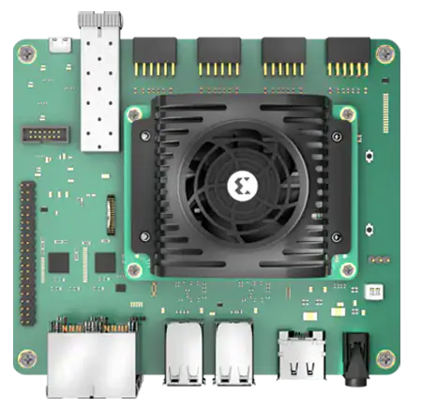
12 | 3.3V |  | 3.3V |  | 3.3V |  | 3.3V

PMOD 4
PMOD 3
PMOD 1
PMOD 2
2
1
12
11

