Sheet1
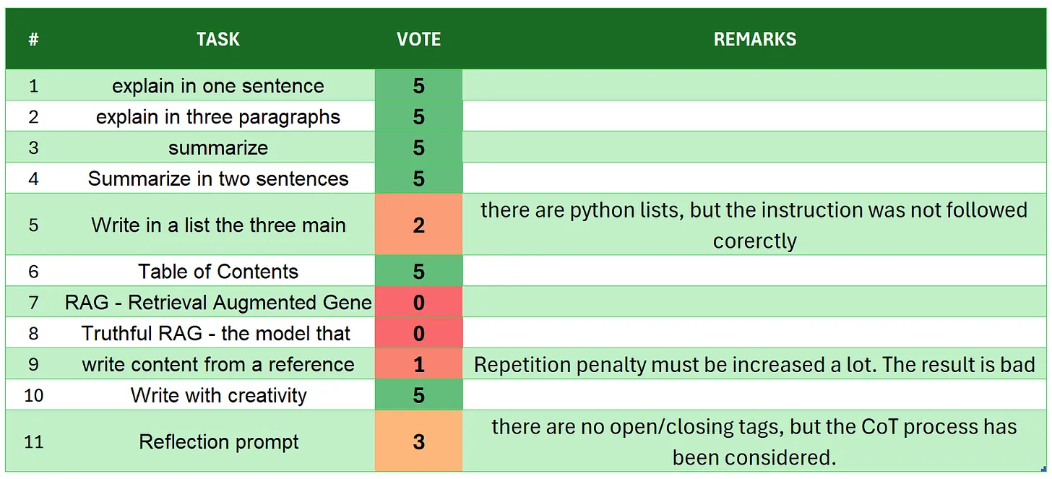
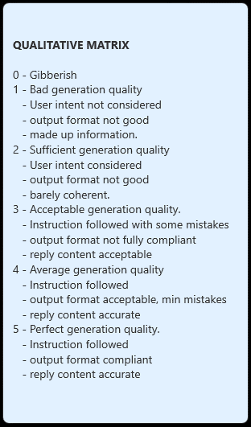
 | OLMoE-1B-7B-0924-Instruct
# | TASK | VOTE | REMARKS
1 | introduction | 5
2 | explain in one sentence | 5
3 | explain in three paragraphs | 5
4 | say 'I am ready' | 4 | there is more text than required but it starts with I am ready.
5 | summarize | 5
6 | Summarize in two sentences | 5
7 | Write in a list the three main key points - format output | 3 | intent generally achieved, but the model did not returnn ONLY the python list
8 | Table of Contents | 5 | really well done
9 | RAG | 5 | only a small grammar mistake 'China achieved achieving'
10 | Truthful RAG | 1 | user intent not reflected, and the answer is out of context
11 | write content from a reference | 5
12 | extract 5 topics | 5
13 | Creativity: 1000 words SF story | 4 | this is more a script than a short story, but it is well plot, with coherence. Did not match the target word count.. there are only 500 words
14 | Reflection prompt | 5 | well organized, all tags open/closed and coherent
 | TOTAL | 62
SOURCE: https://github.com/fabiomatricardi/OLMOE_llamaCPP/raw/main/logs/OLMoE-1B-7B-0924-Instruct_CPP_T6NZ5_log.txt

