Sheet1
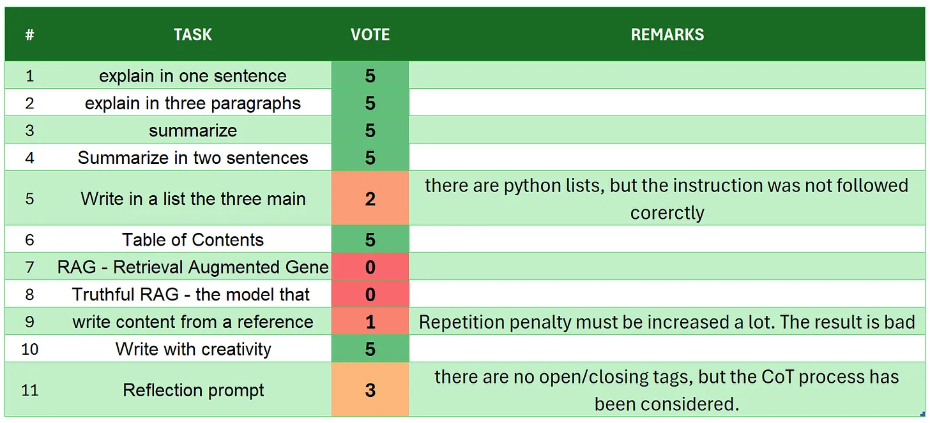
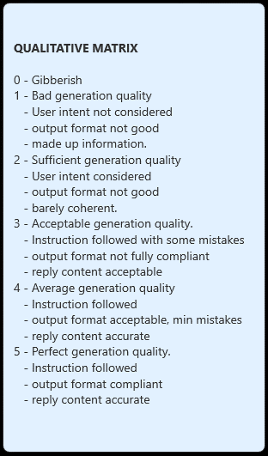
 | Gemma2-2B-it
# | TASK | VOTE | REMARKS
1 | introduction | 5
2 | explain in one sentence | 5
3 | explain in three paragraphs | 5
4 | say 'I am ready' | 5
5 | summarize | 5
6 | Summarize in two sentences | 5
7 | Write in a list the three main key points - format output | 5
8 | Table of Contents | 5 | it is quite good indeed
9 | RAG | 5
10 | Truthful RAG | 5
11 | write content from a reference | 5
12 | extract 5 topics | 5
13 | Creativity: 1000 words SF story | 5 | there are 741 words, the best on target. the story is consistent and coherent, even with this low temperature setting
14 | Reflection prompt | 5 | correct structure, reflection flow, and perfect useof opening/closure of tags. it can be easily used in a pipeline
 | TOTAL | 70 | FULL MARKS SCORE
SOURCE: https://github.com/fabiomatricardi/YouAreTheBenchmark/raw/main/GEMMA2-2B/gemma-2-2b-it_CPP_8DYBB_log.txt

