Sheet1
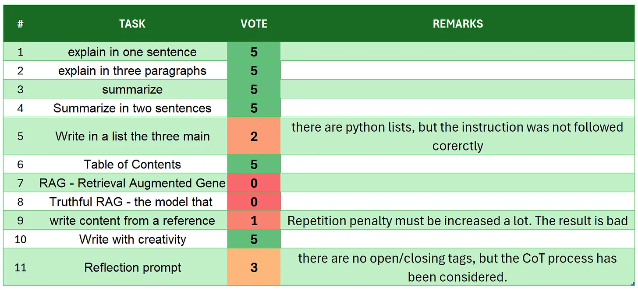
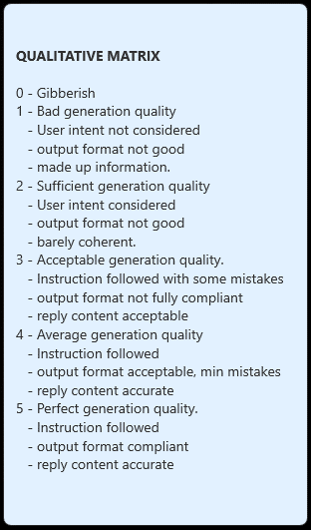
 | Llama-3.2-3B-Instruct
# | TASK | VOTE | REMARKS
1 | introduction | 5
2 | explain in one sentence | 5
3 | explain in three paragraphs | 5
4 | say 'I am ready' | 5
5 | summarize | 5
6 | Summarize in two sentences | 5
7 | Write in a list the three main key points - format output | 5
8 | Table of Contents | 5
9 | RAG | 5
10 | Truthful RAG | 5
11 | write content from a reference | 5 | there is also not so many biases, regardless the text
12 | extract 5 topics | 5
13 | Creativity: 1000 words SF story | 5 | - it is coherent, it is almost 650 words, so near the target
14 | Reflection prompt | 4 | it is a good reflection output. But theopenin/closure of tags still quite not coherent $output instad of <output>. But quite good
 | TOTAL | 69
SOURCE: https://github.com/fabiomatricardi/YouAreTheBenchmark/raw/main/LLAMA3.2-3B-IT/Llama-3.2-3B-Instruct_CPP_CPZXL_log.txt

