Sheet1
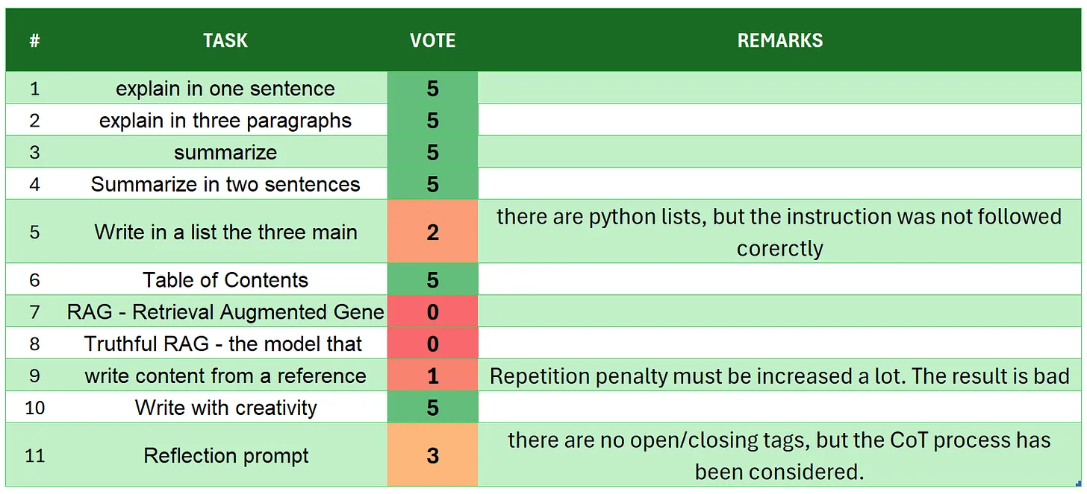
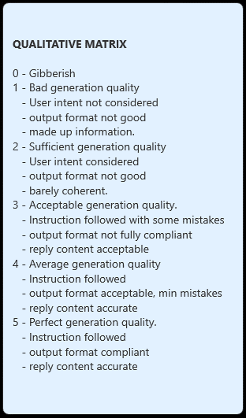
 | LFM Liquid-3B
# | TASK | VOTE | REMARKS
1 | introduction | 5
2 | explain in one sentence | 5
3 | explain in three paragraphs | 5
4 | say 'I am ready' | 5
5 | summarize | 5
6 | Summarize in two sentences | 3 | there is only onesentence
7 | Write in a list the three main key points - format output | 5
8 | Table of Contents | 5
9 | RAG | 4 | good but too verbose
10 | Truthful RAG | 5
11 | write content from a reference | 3 | it gives back 5 paragraphs, but 4 different essays
12 | extract 5 topics | 5
13 | Creativity: 1000 words SF story | 3 | there are 1500 words and many repetitions (around 471), that would make a 1000 words story
14 | Reflection prompt | 3 | there are some repetitions, and the structure does not follow the reflection template. But the model proceeds with some analysis and reflection in its reply
 | TOTAL | 61
SOURCE: https://github.com/fabiomatricardi/YouAreTheBenchmark/raw/main/LIQUID-3B/LIQUID-3B_LOGS.txt

