Sheet1
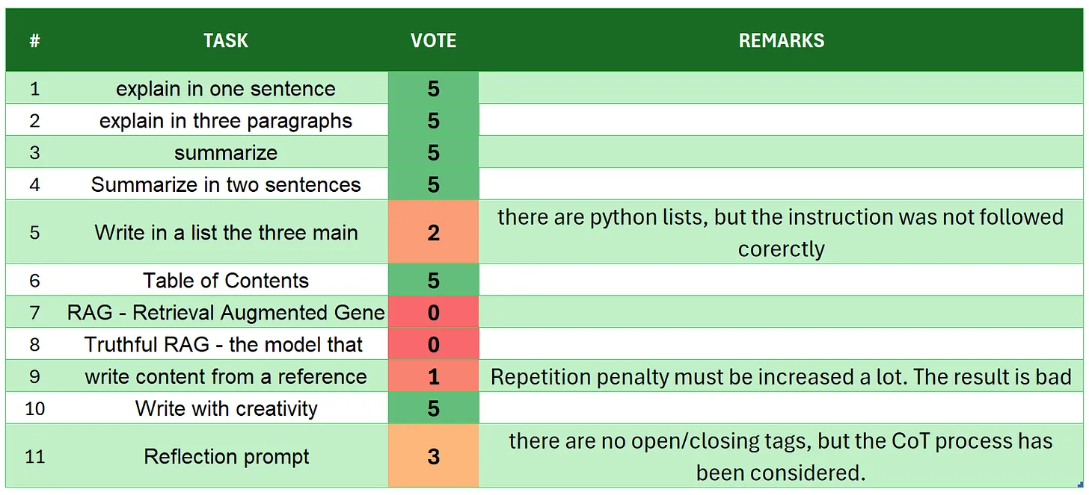
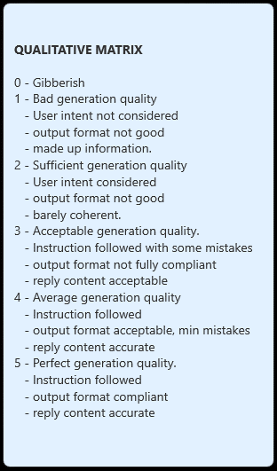
 | Arcee-Lite-1.5B
# | TASK | VOTE | REMARKS
1 | introduction | 5
2 | explain in one sentence | 5
3 | explain in three paragraphs | 3 | there are 5 paragraphs
4 | say 'I am ready' | 5
5 | summarize | 5
6 | Summarize in two sentences | 3 | there are more than 2 sentences
7 | Write in a list the three main key points - format output | 5
8 | Table of Contents | 5
9 | RAG | 5
10 | Truthful RAG | 3 | user intent satisfied, the format is not as expected but still can be used in a pipeline
11 | write content from a reference | 3 | there are less than 5 paragraphs and the essaay is poor. user intent understood, though
12 | extract 5 topics | 4 | additional comments not required
13 | Creativity: 1000 words SF story | 4 | there are 570 words, the text is coehernt and consistent with the user intent
14 | Reflection prompt | 5 | well formatted, coherent, and opening/closure of tags isok
 | TOTAL | 60
SOURCE: https://github.com/fabiomatricardi/YouAreTheBenchmark/raw/main/ARCEE-LITE-1.5B/arcee-lite_CPP_OSOND_log.txt
 |  |  | max score is 70

