Sheet1
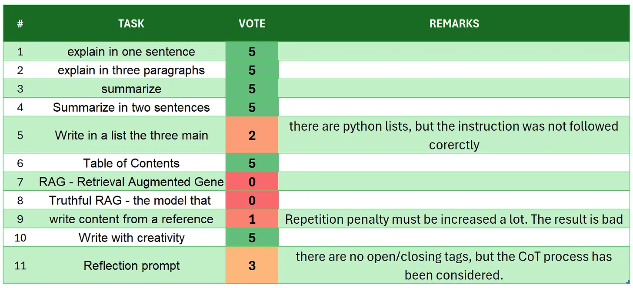
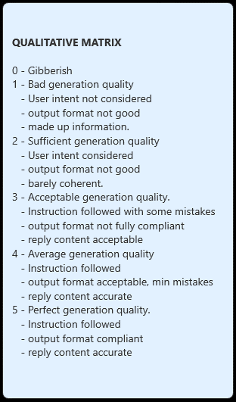
 | stablelm-2-zephyr-1_6b
# | TASK | VOTE | REMARKS
1 | introduction | 5
2 | explain in one sentence | 3 | there are 2 sentences
3 | explain in three paragraphs | 3 | there are 5 paragraphs
4 | say 'I am ready' | 5
5 | summarize | 5 | very good
6 | Summarize in two sentences | 5
7 | Write in a list the three main key points - format output | 3 | but there is a continuation not fully compliant with the prompt. a little of fine tuning prompt engineering may be able to fix it
8 | Table of Contents | 4 | it is good but a little too short
9 | RAG | 5 | always well mentioned when data are not retrieved from the context but from common known information
10 | Truthful RAG | 0 | out of context, out of the user intent and some made up information
11 | write content from a reference | 3 | there are 6 paragraphs
12 | extract 5 topics | 3 | there are only 4 points
13 | Creativity: 1000 words SF story | 4 | coherent, followed the prompt instruction, but the lenght is not even 800
14 | Reflection prompt | 4 | there are some mistakes in opening/closing tags, but the overall process is followed and maintained. The output is coherent too.
 | TOTAL | 52
SOURCE:https://github.com/fabiomatricardi/YouAreTheBenchmark/raw/main/STABLELM-2-zephyr-1_6b/stablelm-2-zephyr-1_6b_CPP_50KRO_log.txt

