Sheet1
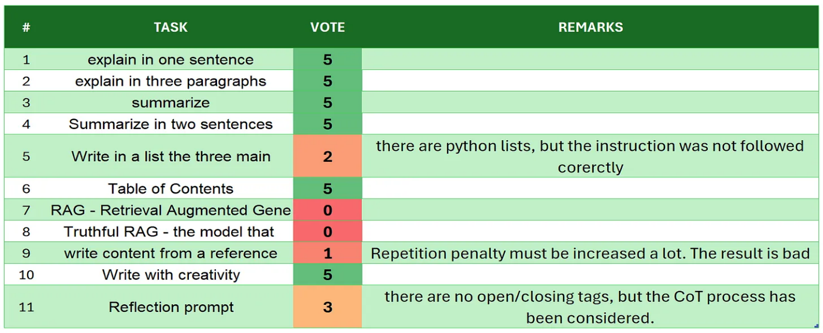
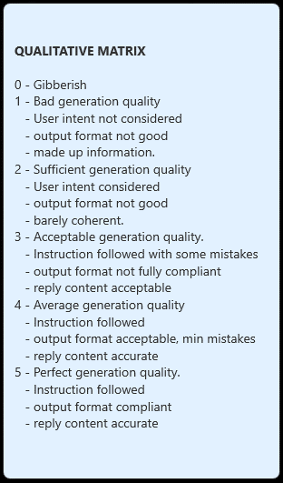
 | smollm2-1.7b-instruct
# | TASK | VOTE | REMARKS
1 | introduction | 5 | good self intruction
2 | explain in one sentence | 5
3 | explain in three paragraphs | 4 | for some reasons the fullstop punctuation at end ofparagraphs are missing
4 | say 'I am ready' | 5
5 | summarize | 4 | there are few biases
6 | Summarize in two sentences | 5 | I had to change the prompt and switch to numbers instead of words for "2" not two
7 | Write in a list the three main key points - format output | 5 | good one. I had to change the prompt and remove the examples
8 | Table of Contents | 4 | a part from the last paragraphs, the ToC is quite good
9 | RAG | 5
10 | Truthful RAG | 5
11 | write content from a reference | 5 | nice starting point, with some facts to be verifed
12 | extract 5 topics | 5 | good. I had to change the prompt and switch from 'five' to 5
13 | Creativity: 1000 words SF story | 5 | good one, with some fix are ok. generation stopped at 865 words, good on target, only for context lenght reasons
14 | Reflection prompt | 5 | with also multi hop thinking/reasoning. The output is consistent with the process. there are some closere tag not always 100% accurate, and the generation stoped becasuse of max_tokens limit
 | TOTAL | 67
SOURCE: https://github.com/fabiomatricardi/YouAreTheBenchmark/raw/main/smollm2-1.7b-instruct/SmolLM2-1.7B-Instruct_CPP_Q0564_log.txt

