Sheet1
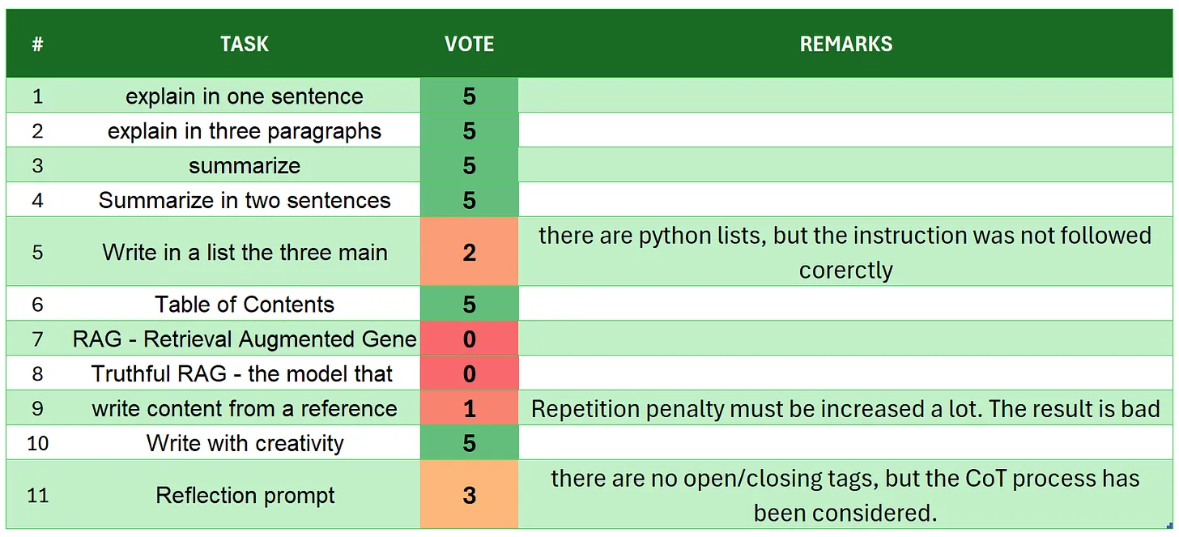
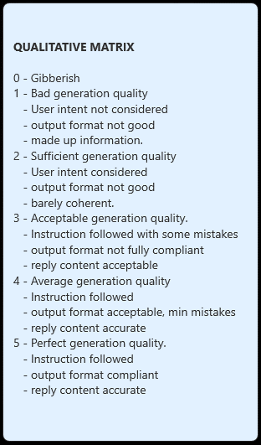
 | SmolLM-1.7B-Instruct
# | TASK | VOTE | REMARKS
1 | introduction | 2
2 | explain in one sentence | 5
3 | explain in three paragraphs | 3 | it is only 2 paragraphs
4 | say 'I am ready' | 1
5 | summarize | 2 | there are some made up information
6 | Summarize in two sentences | 1 | there are more than 2 sentences and some made up information not coming from the context
7 | Write in a list the three main key points - format output | 0
8 | Table of Contents | 1
9 | RAG | 1
10 | Truthful RAG | 0
11 | write content from a reference | 5
12 | extract 5 topics | 2 | it is 5 pointsin a list but there are too many unrequested opinions not coming from the context
13 | Creativity: 1000 words SF story | 1 | user intent not understood
14 | Reflection prompt | 1 | user intent non considered but
 | TOTAL | 25
SOURCE: https://github.com/fabiomatricardi/YouAreTheBenchmark/raw/main/SMOLLM-1.7B/SmolLM-1.7B-Instruct_CPP_SMWMO_log.txt

