Sheet1
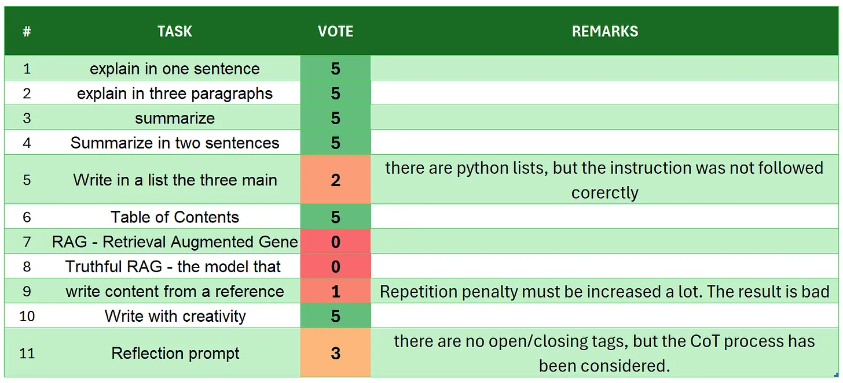
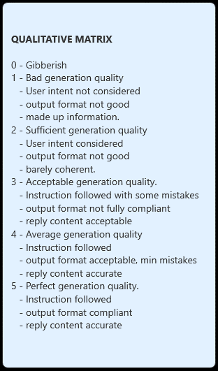
 | h2o-danube2-1.8b-chat
# | TASK | VOTE | REMARKS
1 | introduction | 5
2 | explain in one sentence | 5
3 | explain in three paragraphs | 3 | there are 4 paragraphs and they are not marked clearly in the output
4 | say 'I am ready' | 3 | the user intent is understood and replied, but there is some more not requested information
5 | summarize | 2 | although the summary is well done there are made up information like 'China's capacity for strategic environmental management and plans towards reducing carbon dioxide emissions by 65% from their peak levels,'
6 | Summarize in two sentences | 5
7 | Write in a list the three main key points - format output | 3 | it is a python list, for the format mistakes a proper fine tuning of the prompt can fix it
8 | Table of Contents | 3 | there are mentions of sections and chapters... some fine tune of the prompt instruction can fix it
9 | RAG | 5
10 | Truthful RAG | 5
11 | write content from a reference | 2 | some prompt tuning can fix the repetitions and the structure, because the genartion is not an essay but an outline of the essay
12 | extract 5 topics | 3 | there are only 3 topics
13 | Creativity: 1000 words SF story | 3 | the story is flowing but not coherent with the names,
14 | Reflection prompt | 4 | overall good structure and coherence, even though the requested tags are not included
 | TOTAL | 51
SOURCE:https://github.com/fabiomatricardi/YouAreTheBenchmark/raw/main/H2O-DANUBE-1.8/h2o-danube2-1.8b-chat_CPP_KF9E8_log.txt

