Sheet1
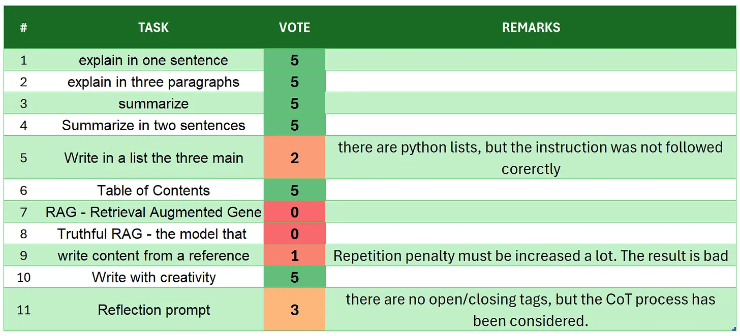
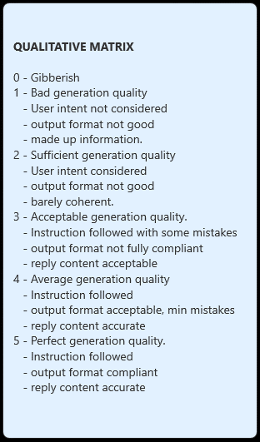
# | TASK | VOTE | REMARKS
1 | introduction | 5
2 | explain in one sentence | 4 | too simplistic
3 | explain in three paragraphs | 3 | there are more than 3 paragraphs
4 | say 'I am ready' | 5
5 | summarize | 2 | there are made up information like 'its peak carbon dioxide emissions in 2018'
6 | Summarize in two sentences | 4 | there are more than 2 sentences
7 | Write in a list the three main key points - format output | 5
8 | Table of Contents | 2 | the ouput format is barely coherent
9 | RAG | 2 | there is a made up information 'reaching peak carbon dioxide and greenhouse gas emissions by 2038'
10 | Truthful RAG | 5
11 | write content from a reference | 5
12 | extract 5 topics | 5
13 | Creativity: 1000 words SF story | 3 | a creativity text with 0.15 temperature and repeat penalty 1.52 is really good, but it has only 350 words...
14 | Reflection prompt | 1 | barely coherent with made up information
 | TOTAL | 51
SOURCE: https://github.com/fabiomatricardi/YouAreTheBenchmark/raw/main/QWEN2.5-0.5B/Qwen2-0.5B-it_CPP_5U3M0_log.txt

