Sheet1
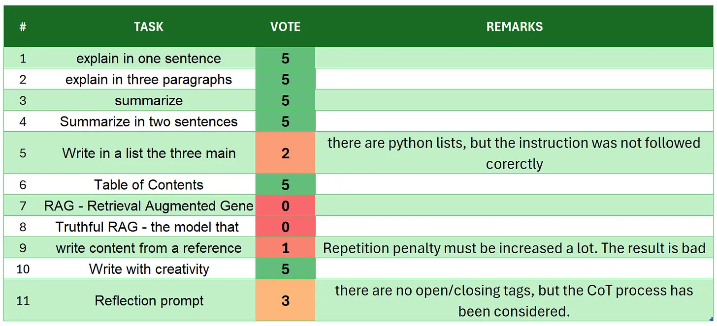
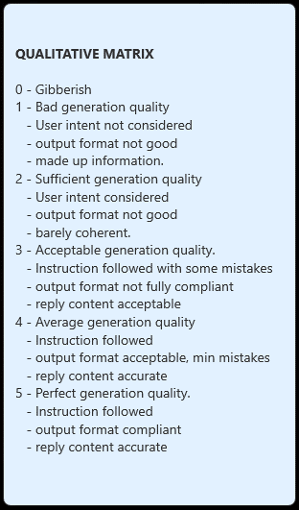
# | TASK | VOTE | REMARKS
1 | introduction | 4
2 | explain in one sentence | 5
3 | explain in three paragraphs | 5
4 | say 'I am ready' | 5
5 | summarize | 5
6 | Summarize in two sentences | 1 | there are made up information like 'China aims at achieving peak carbon emissions by 2035' and it is 3 paragraphs
7 | Write in a list the three main key points - format output | 5
8 | Table of Contents | 5
9 | RAG | 5
10 | Truthful RAG | 5
11 | write content from a reference | 4 | there are some additional information that will require verification. but this is creative wring not rewriting
12 | extract 5 topics | 5
13 | Creativity: 1000 words SF story | 0 | not ended generation with repeated text all over the place.
14 | Reflection prompt | 3 | overall the process flow is compliant with the requests: but the open/closure of the tags is not consistent. You cannot use it to extract data in a structured way
 | TOTAL | 57
SOURCE: https://github.com/fabiomatricardi/YouAreTheBenchmark/raw/main/QWEN2.5-1.5B/Qwen2.5-1.5B-it_CPP_YWDAB_log.txt

