Sheet1
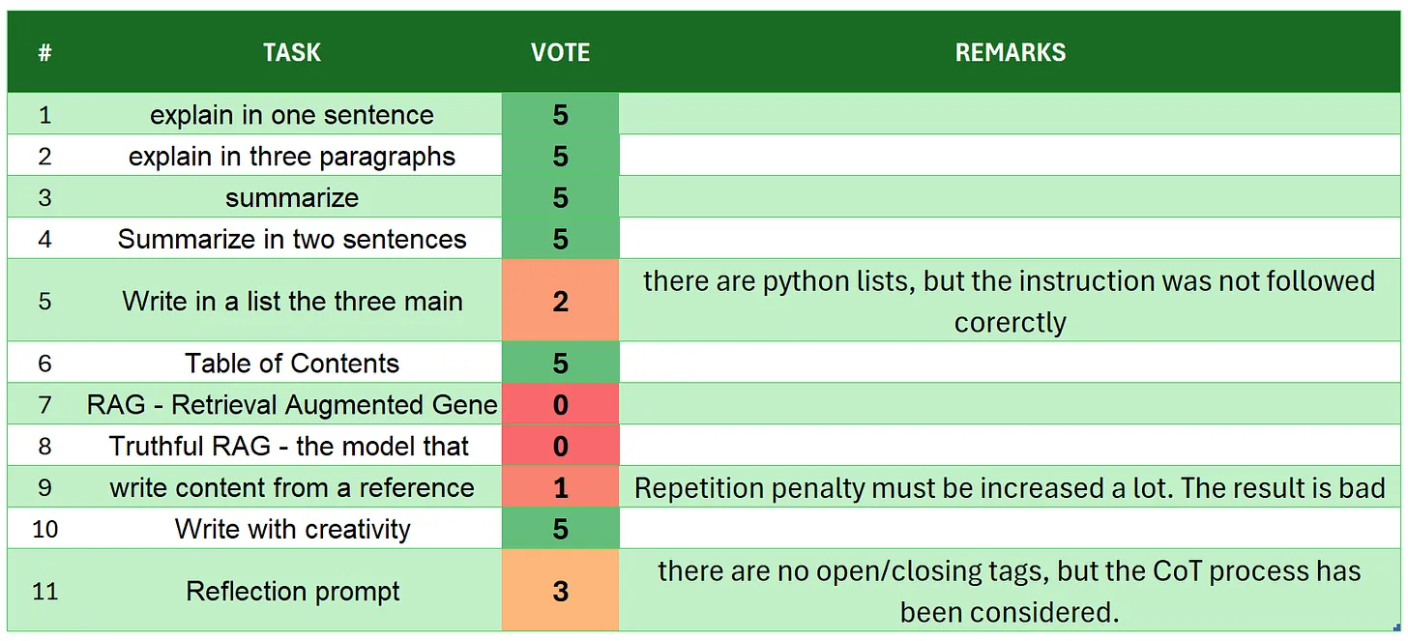
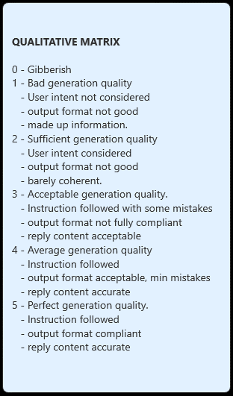
 | RASPBERRY-3B
# | TASK | VOTE | REMARKS
1 | introduction | 5 | even without asystem prompt given, the AI is impersonating Olivia by OpenAI... training datasets really sucks
2 | explain in one sentence | 5
3 | explain in three paragraphs | 4 | there are 4 paragraphs, but instead of 3 I give 4 because there is no RECAP, and this is a good thing
4 | say 'I am ready' | 5
5 | summarize | 5
6 | Summarize in two sentences | 3 | there are more than 2 sentences
7 | Write in a list the three main key points - format output | 5
8 | Table of Contents | 5 | the idea of referencing with the lines is creative
9 | RAG | 5
10 | Truthful RAG | 1 | completely out of user intent
11 | write content from a reference | 5
12 | extract 5 topics | 3 | there are only 3
13 | Creativity: 1000 words SF story | 5
14 | Reflection prompt | 5 | even though the entire process doesn't look like the original REFLECTION, the model is thiNKING during the steps. And creating the output in the process. there are some </a> tags on the way.
 | TOTAL | 61
SOURCE: https://github.com/fabiomatricardi/YouAreTheBenchmark/raw/main/RASPBERRY-3B/raspberry-3B_CPP_WRK8E_log.txt

