Sheet1
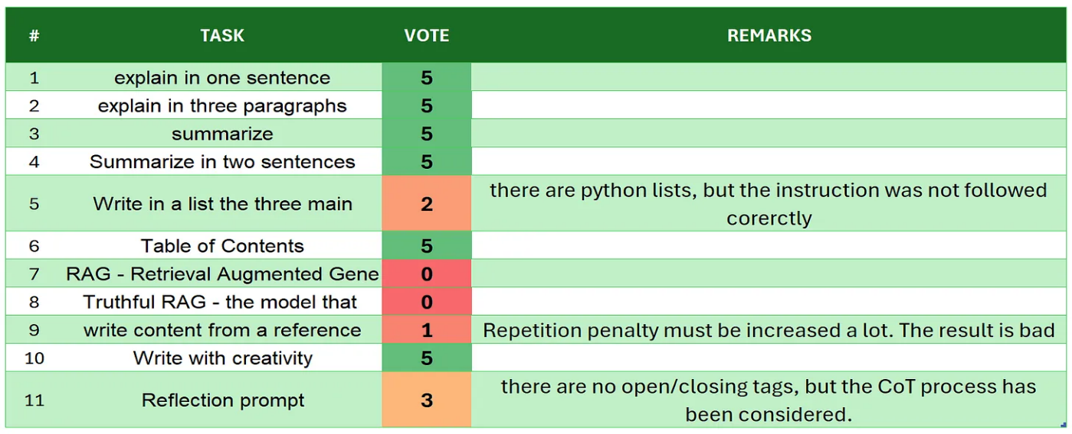
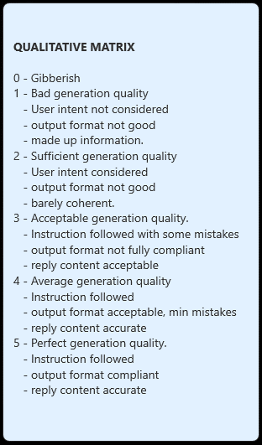
 | Orca-mini-3B
# | TASK | VOTE | REMARKS
1 | introduction | 5 | the model does not have any internal alignment. Maybe it can tested on system message level
2 | explain in one sentence | 5
3 | explain in three paragraphs | 5
4 | say 'I am ready' | 5
5 | summarize | 5
6 | Summarize in two sentences | 3 | there are 3 paragraphs
7 | Write in a list the three main key points - format output | 2 | this is not a python list
8 | Table of Contents | 4 | although it is not a fully structured ToC, for a model t his old the results is quite good and accurate
9 | RAG | 5
10 | Truthful RAG | 1 | even with several attempt of prompt tuning
11 | write content from a reference | 3 | there are only 3 paragraphs
12 | extract 5 topics | 5
13 | Creativity: 1000 words SF story | 3 | although the generation is smooth, sometimes it has weak coherence. The total number of words is 420, quite far from the target
14 | Reflection prompt | 5 | there are multi hop thinking and reasoning steps. Amazing this model was never trained to do so, and it has almost 1 year! very good
 | TOTAL | 56
SOURCE: https://github.com/fabiomatricardi/YouAreTheBenchmark/raw/main/ORCA-MINI-3B/orca-mini-3B_CPP_7WFN4_log.txt

