Sheet1
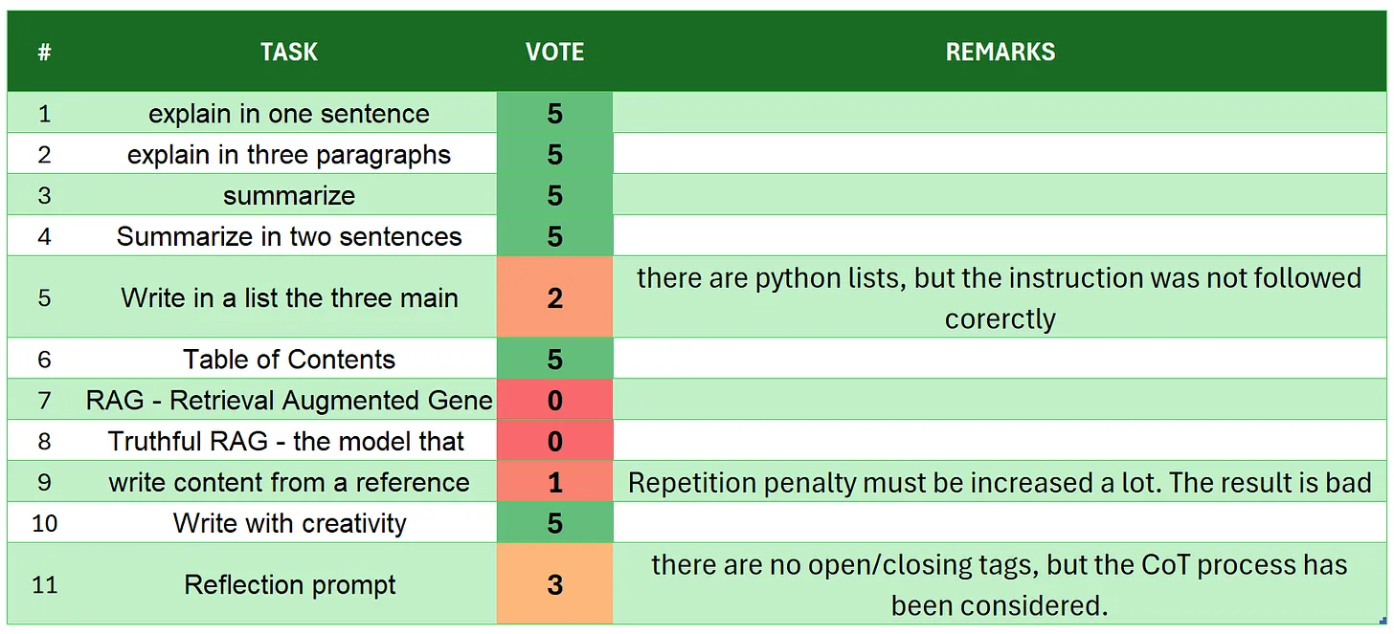
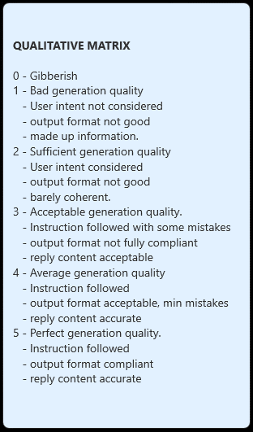
 | Qwen2.5-3B-Instruct
# | TASK | VOTE | REMARKS
1 | introduction | 5
2 | explain in one sentence | 5
3 | explain in three paragraphs | 3 | there are 4 paragraphs
4 | say 'I am ready' | 5
5 | summarize | 5
6 | Summarize in two sentences | 5
7 | Write in a list the three main key points - format output | 5
8 | Table of Contents | 5
9 | RAG | 4 | some imprecisions 'China achieved achieving'
10 | Truthful RAG | 4 | - some more text, as non requested explanation,
11 | write content from a reference | 5
12 | extract 5 topics | 4 | maybe a little too judgy, but considering the tone of the article it is not more biased
13 | Creativity: 1000 words SF story | 2 | there are too many repetitions, in this case we should try higher temperature and a higher repetition penallty
14 | Reflection prompt | 5 | so far the best REFLECTION output, even better than GEMMA2-2B. Here there is a double thinking, coming after the first reflection!
 | TOTAL | 62
SOURCE: https://github.com/fabiomatricardi/YouAreTheBenchmark/raw/main/QWEN2.5-3B/Qwen2.5-3B-it_CPP_FQSWE_log.txt

