Sheet1
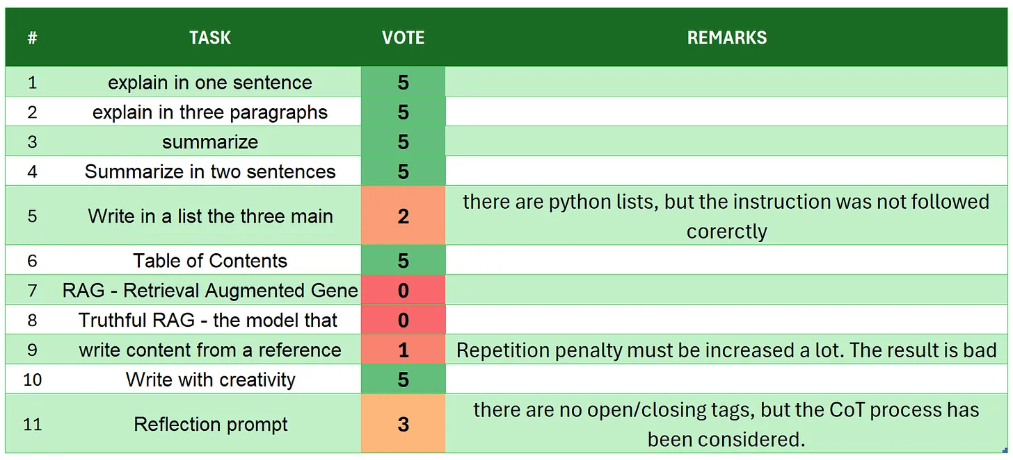
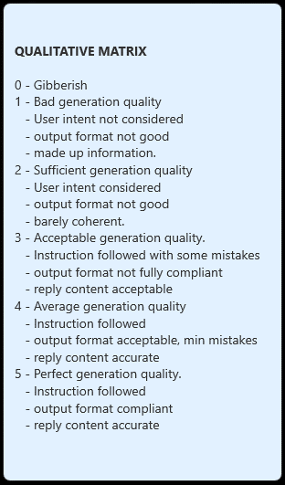
 | Tasks description - user intent
# | TASK | INTENT
1 | introduction | To verify how the model reply to initial greetings and talks about itself.
2 | explain in one sentence | Synthesis and summarization. The final evaluation focuses in whether or not the model is able to fit the reply in only one sentence
3 | explain in three paragraphs | User intent is to get a smart explanation of the text that must fit into three paragraphs. SML usually find it very hard because the always put a recap (forth) paragraph.
4 | say 'I am ready' | In a chat turn base application, instruction-following models are usually asked to first read a provided text and later on to complete some sort of analysis. Usually SML cannot do this…
5 | summarize | Basic summarization, with no limits. Here we want to evaluate how the summary si grounded on the text, without made up facts.
6 | Summarize in two sentences | Basic summarization, with a 2 sentences limits. Here we want to evaluate how the summary si grounded on the text, without made up facts: but as well we waat to ensure the 2 sentences constraint.
7 | Write in a list the three main key points - format output | Focus: the SML must format the ouput in a specific format. In this prompt we ask to create a list of the 3 key points and give the output as a python list.
8 | Table of Contents | This task is quite hard for many SML. The prompt requires some adjustments otherwise the model return a markdown table. The user want an ordered list of the topics following the provided document structure.
9 | RAG | Retrieval Augmented Generation, withot any framework. This is one of the most used tasks for a Language model. The reply is evaluated on the ability to understand the instructions and how grounded to the text is the answer
10 | Truthful RAG | It is A RAG with a question completely out of the provided context. The model must reply unanswerable meaning it understood the instruction and it is not using any external knowledge or made up information
11 | write content from a reference | This is a creative task. Using a reference text the SML must provide a new essay.
12 | extract 5 topics | the focus on thi task is to verify that: there are exactly 5 topics; they are grounded (no hallucination)
13 | Creativity: 1000 words SF story | Completely creative task. It is very hard even for larger models to be cohernt and produce a small story hitting the correct word count.
14 | Reflection prompt | The reflection prompt is meant to verify the coT reasoning process of the model. The output is constrained into opening/closure of special tags. The focus is both on the reasoning and on a consistent output structure. The output must be easily used for further structured prompts or visualizations.

