Sheet1
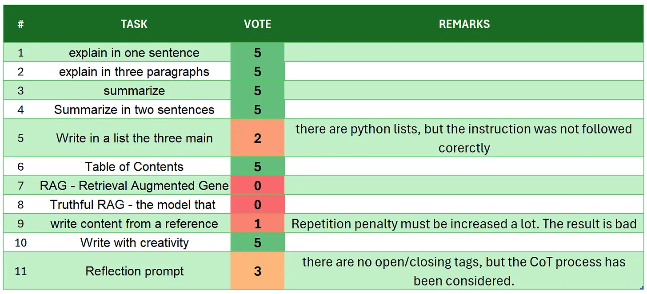
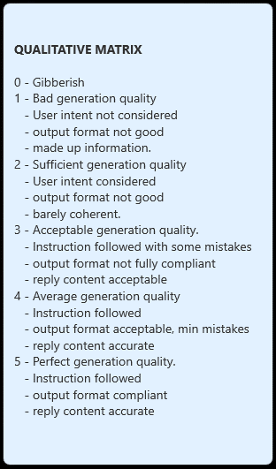
# | TASK | VOTE | REMARKS
1 | introduction | 5
2 | explain in one sentence | 4 | the additional explanation was not required
3 | explain in three paragraphs | 5 | followed the instructions, there are 3 paragraphs
4 | say 'I am ready' | 1 | the intent was in chat experience to have the model reading first and than a follow up question from the user would have come!
5 | summarize | 3 | no one asked for more than a summary
6 | Summarize in two sentences | 4 | the additional explanation was not requested
7 | Write in a list the three main key points - format output | 3 | this is not really a python list
8 | Table of Contents | 4 | the user intent is fulfilled and the format is acceptable
9 | RAG | 1 | unanswered instead of "unanswerable" and user intent no considered
10 | Truthful RAG | 0 | gibberish
11 | write content from a reference | 3 | there are more than 5 paragraphs
12 | extract 5 topics | 4 | good even some biases inherited from wrong interpretation of the article
13 | Creativity: 1000 words SF story | 4 | a creativity text with 0.15 temperature and repeat penalty 1.52 is really good, but it has only 500 words...
14 | Reflection prompt | 0 | gibberish with many repetitions, and bad attempt to follow up a reasoning process.
 | TOTAL | 41
SOURCE: https://github.com/fabiomatricardi/llama3.2-1b-it_test/raw/main/LLAMA3.2-1Bit_CPP_ARTICLE_log.txt

