Sheet1
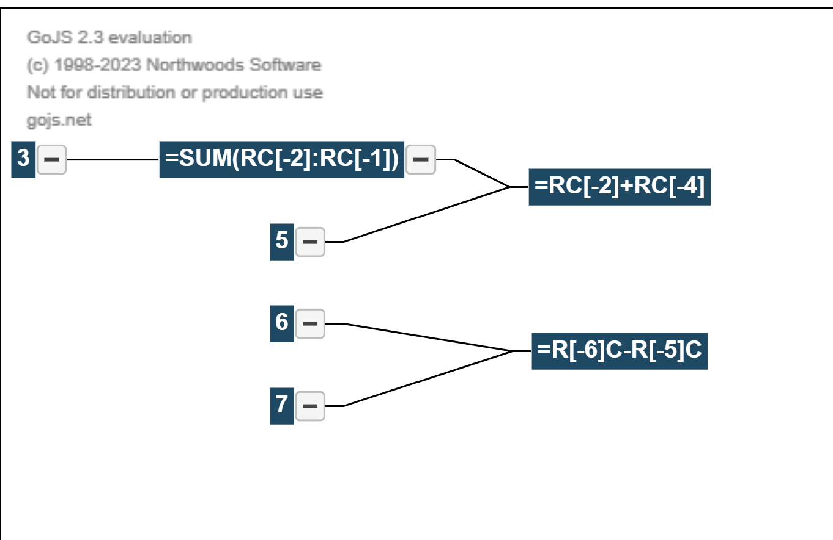
One | Two | Sum
1 | 7 | 8 | 9
2 | 34 | 36 | 38
3 | 25 | 28 | 31
4 | 42 | 46 | 50
5 | 4 | 9 | 14

-1 | -27 | -28
E: C+A
AB
C: Sum AB

A

2
8: 2-3
3

