Sheet1
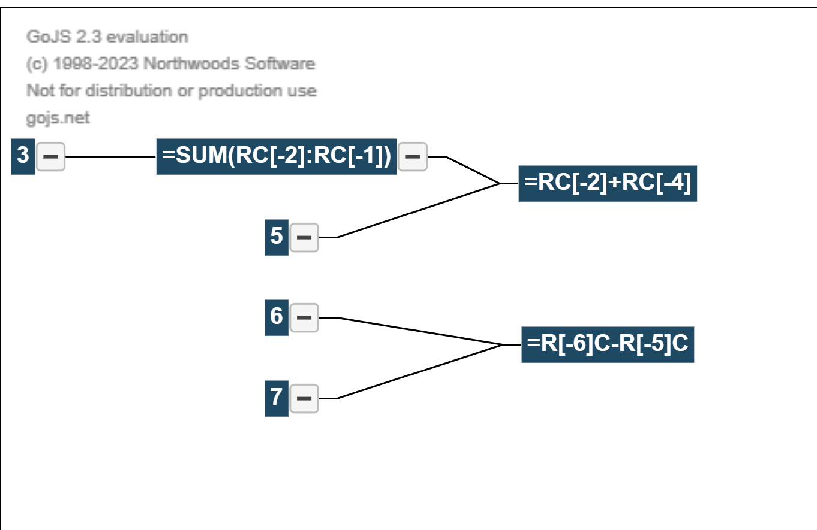
One | Two | Sum
1 | 7 | 8 |  | 9
2 | 34 | 36 |  | 38
3 | 25 | 28 |  | 31
4 | 42 | 46 |  | 50
5 | 4 | 9 |  | 14

-1 | -27 | -28 | 0
E: C+A
D
AB
C: Sum AB

A

2
8: 2-3
3

