colore cavo
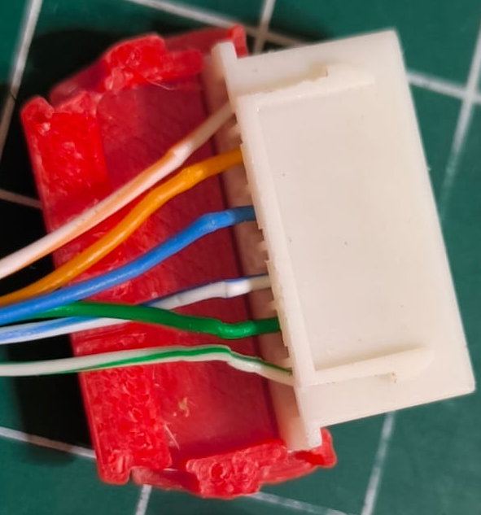
cavo dal multiplexer al HX711
no | connettore mux | connettore femmina | filo | sensore | channel multiplexer
1 | arrancio / bianco | nero | GND | BME280 / HX711
2 | arrancio | rosso | 3,3V | BME280 / HX711
3 | blu | blu | SCK | HX711
4 | blu / bianco | arrancio | DT | HX711 | 1,3,5,7,9,11,13,15
5 | verde / bianco | giallo | SDA | DHT22 | 0,2,4,6,8,10,12,14

cavo dalle celle di carico HX711
cella | cella carico | cavo ethernet | HX711
1 | rosso | verde | A-
1 | giallo | arrancio | E- | connect with GND
1 | nero | blue | E+

2 | rosso | verde | A+
2 | giallo | arrancio | E+
2 | nero | blue | E- | connect with GND

 | DHT22 |  |  |  | channel multiplexer
 | rosso | arrancio | 3,3V
 | nero | arrancio / bianco | GND
 | giallo | verde / bianco | data |  | 0,2,4,6,8,10,12,14

