Metricas
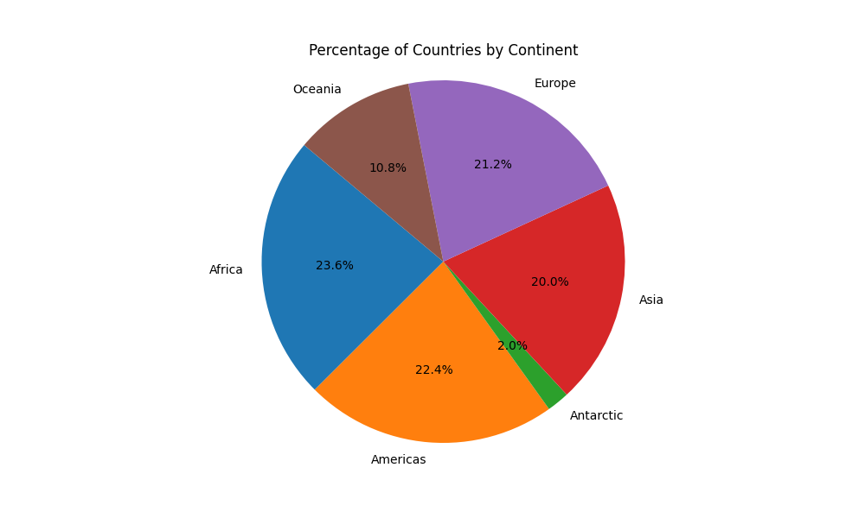
language | country_count
Afrikaans | 2
Albanian | 2
Amharic | 1
Arabic | 25
Aramaic | 1
Armenian | 1
Aymara | 2
Azerbaijani | 1
Belarusian | 1
Belizean Creole | 1
Bengali | 1
Berber | 2
Bislama | 1
Bosnian | 1
Bulgarian | 1
Burmese | 1
Carolinian | 1
Catalan | 1
Chamorro | 2
Chewa | 2
Chibarwe | 1
Chinese | 5
Comorian | 1
Cook Islands Māori | 1
Croatian | 2
Czech | 1
Danish | 2
Dari | 1
Dutch | 7
Dzongkha | 1
English | 91
Estonian | 1
Faroese | 1
Fiji Hindi | 1
Fijian | 1
Filipino | 1
Finnish | 1
French | 46
Georgian | 1
German | 6
Gilbertese | 1
Greek | 2
Greenlandic | 1
Guaraní | 3
Guernésiais | 1
Haitian Creole | 1
Hassaniya | 1
Hebrew | 1
Herero | 1
Hindi | 1
Hiri Motu | 1
Hungarian | 1
Icelandic | 1
Indonesian | 1
Irish | 1
Italian | 4
Jamaican Patois | 1
Japanese | 1
Jèrriais | 1
Kalanga | 1
Kazakh | 1
Khmer | 1
Khoekhoe | 1
Khoisan | 1
Kikongo | 2
Kinyarwanda | 1
Kirundi | 1
Korean | 2
Kwangali | 1
Kyrgyz | 1
Lao | 1
Latin | 1
Latvian | 1
Lingala | 2
Lithuanian | 1
Lozi | 1
Luxembourgish | 1
Macedonian | 1
Malagasy | 1
Malay | 3
Maldivian | 1
Maltese | 1
Manx | 1
Marshallese | 1
Mauritian Creole | 1
Mongolian | 1
Montenegrin | 1
Māori | 1
Nauru | 1
Ndau | 1
Ndonga | 1
Nepali | 1
New Zealand Sign Language | 1
Niuean | 1
Norfuk | 1
Northern Ndebele | 1
Northern Sotho | 1
Norwegian | 2
Norwegian Bokmål | 1
Norwegian Nynorsk | 1
Palauan | 1
Papiamento | 3
Pashto | 1
Persian (Farsi) | 1
Polish | 1
Portuguese | 10
Quechua | 2
Romanian | 2
Romansh | 1
Russian | 7
Sami | 1
Samoan | 3
Sango | 1
Serbian | 3
Seychellois Creole | 1
Shona | 1
Sinhala | 1
Slovak | 2
Slovene | 1
Somali | 1
Sorani | 1
Sotho | 2
Southern Ndebele | 1
Southern Sotho | 1
Spanish | 24
Swahili | 4
Swazi | 2
Swedish | 3
Swiss German | 1
Tajik | 1
Tamil | 3
Tetum | 1
Thai | 1
Tigrinya | 1
Tok Pisin | 1
Tokelauan | 1
Tonga | 1
Tongan | 1
Tshiluba | 1
Tsonga | 2
Tswana | 4
Turkish | 2
Turkmen | 2
Tuvaluan | 1
Ukrainian | 1
Upper Guinea Creole | 1
Urdu | 1
Uzbek | 1
Venda | 2
Vietnamese | 1
Xhosa | 2
Zimbabwean Sign Language | 1
Zulu | 1

