Sheet1
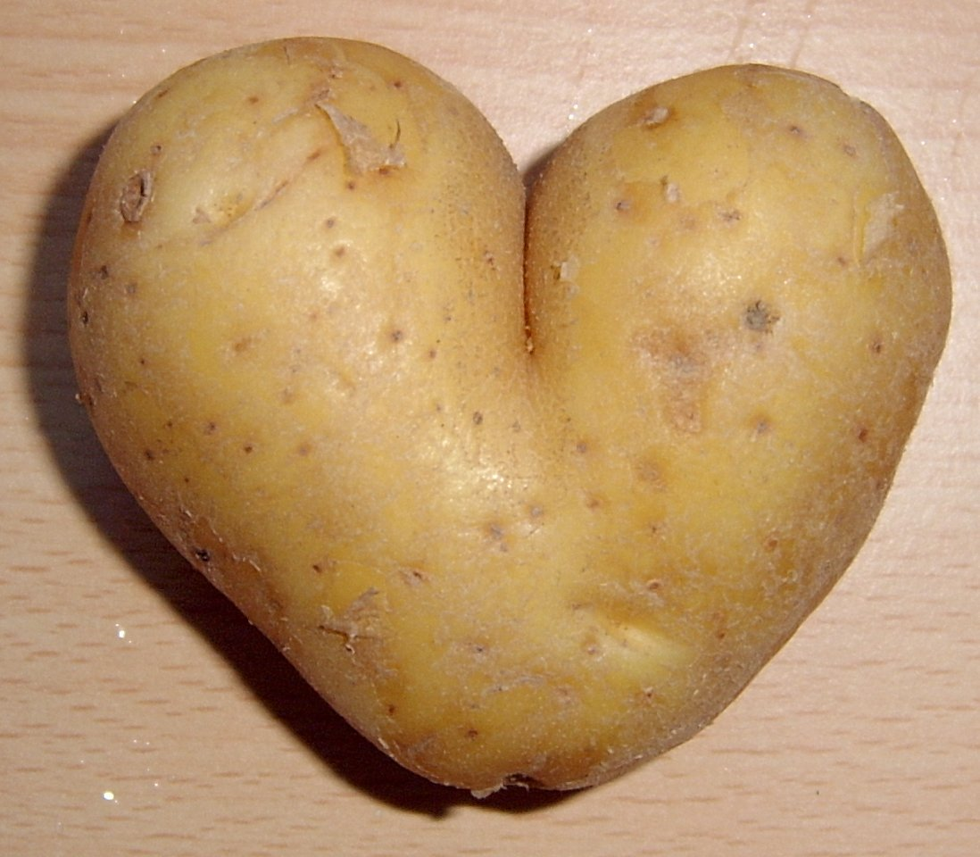
1 |  |  | Russet
Trial/Year: | Statewide Russet | 2020
Female Parent: |  | Mom
Male Parent: |  | Dad
Years in Trial: |  | Control
% PVY: |  | 0
No. Rouged:
Seed Available: |  | 3000

 |  |  | Herm. Early | Herm. Late | Ontario | Average | P. Range
Yield Total (cwt/acre): |  |  | 100 | 100 | 100 | 100 | 100
Rank: |  |  | 1 | 1 | 1 | 1 | 1
%RB: |  |  | 10 | 10 | 10 | 10 | 10
Yield US No. 1's (cwt/acre): |  |  | 10 | 10 | 10 | 10 | 10
Rank: |  |  | 1 | 1 | 1 | 1 | 1
%RB: |  |  | 10 | 10 | 10 | 10 | 10
% US No. 1's: |  |  | 10 | 10 | 10 | 10 | 10
10-20 oz. (cwt/acre): |  |  | 4 | 4 | 4 | 4 | 4
6-10 oz. (cwt/acre): |  |  | 3 | 3 | 3 | 3 | 3
4-6 oz. (cwt/acre): |  |  | 3 | 3 | 3 | 3 | 3
Yield over 20 oz. (cwt/acre): |  |  | 10 | 10 | 10 | 10 | 10
Yield US No. 2's (cwt/acre): |  |  | 10 | 10 | 10 | 10 | 10
Yield Under 4 oz. (cwt/acre): |  |  | 60 | 60 | 60 | 60 | 60
Yield Culls (cwt/acre): |  |  | 10 | 10 | 10 | 10 | 10

Tubers/plant: |  |  | 10.0 | 10.0 | 10.0 | 10.0 | 10.0
Average Tuber size (oz): |  |  | 5.0 | 5.0 | 5.0 | 5.0 | 5.0
Length/Width Ratio: |  |  | 2.00 | 2.00 | 2.00 | 2.00 | 2.00
Specific Gravity: |  |  | 1.000 | 1.000 | 1.000 | 1.000 | 1.000

Fry Color Stem (Photovolt): |  |  | 40.0 | 40.0 | 40.0 | 40.0 | 40.0
Fry Color Bud (Photovolt): |  |  | 40.0 | 40.0 | 40.0 | 40.0 | 40.0
Sugar Ends (%): |  |  | 5.0 | 5.0 | 5.0 | 5.0 | 5.0

Hollow Heart (%): |  |  | 1.0 | 1.0 | 1.0 | 1.0 | 1.0
Brown Center (%): |  |  | 1.0 | 1.0 | 1.0 | 1.0 | 1.0
Black Spot Bruise (%): |  |  | 10.0 | 10.0 | 10.0 | 10.0 | 10.0
Internal Brown Spot (%): |  |  | 10.0 | 10.0 | 10.0 | 10.0 | 10.0
Vascular Discoloration (%): |  |  | 5.0 | 5.0 | 5.0 | 5.0 | 5.0

Flower Color (1-5): |  |  | 3.0 | 3.0 | ND | 3.0 | 3.0
Vine Size (1-5): |  |  | 3.0 | 3.0 | ND | 3.0 | 3.0
Maturity (1-5): |  |  | 3.0 | 3.0 | ND | 3.0 | 3.0
Skin Color (1-5): |  |  | 3.0 | 3.0 | 3.0 | 3.0 | 3.0
Russeting (1-5): |  |  | 3.0 | 3.0 | 3.0 | 3.0 | 3.0
Eye Depth (1-5): |  |  | 3.0 | 3.0 | 3.0 | 3.0 | 3.0
Tuber Shape (1-5): |  |  | 3.0 | 3.0 | 3.0 | 3.0 | 3.0
Shape-Uniformity (1-5): |  |  | 3.0 | 3.0 | 3.0 | 3.0 | 3.0
Growth Cracks (1-5): |  |  | 3.0 | 3.0 | 3.0 | 3.0 | 3.0
Scab (1-5): |  |  | 3.0 | 3.0 | 3.0 | 3.0 | 3.0
Shatterbruise (1-5): |  |  | 3.0 | 3.0 | 3.0 | 3.0 | 3.0
Greening (1-5): |  |  | 3.0 | 3.0 | 3.0 | 3.0 | 3.0
Sprouting (1-5): |  |  | 3.0 | 3.0 | ND | 3.0 | 3.0
Bruise Data*: |  |  | ND | ND | ND |  | ND

Remarks:
Herm. Early |  | Potato characteristics
Herm. Late |  | Potato characteristics
Ontario |  | Potato characteristics |  |  |  | Disposition: | keep

* length x depth in mm

