Tabelle1
Problem: Researchers want to see whether high school students and college students have different levels of anxiety as they progress through the semester. They measure the anxiety of 12 participants three times: week 1, week 2, week 3. High anxiety = 10; Low anxiety = 1. Use alpha = 0.05.
STEPS
1. Define null and alternative hypothesis
2. State alpha
3. Calculate degrees of freedom
4. State decision rule
5. Calculate test statistic
6. State results
7. State conclusion
4. State the decision rule
3 hypotheses -> 3 decision rules
F (df between groups, df within groups)
F school (df school (a), df error (s/a) = F(1,10) = 4.35. If F > 4.35, we reject H0.
F week (df week(b), df error (b x s/a) = F(2,20) = 3.49
F school x week (df school x week (a x b), df error (b x s/a) = F(2, 20) = 3.49
 |  | Week 1 | Week 2 | Week 3
 | High school students | 3 | 5 | 7
 |  | 4 | 4 | 8
 |  | 5 | 3 | 7
 |  | 3 | 5 | 8
 |  | 4 | 5 | 7
 |  | 3 | 5 | 7
 | College students | 1 | 5 | 9
Group = independent variable with independent levels
Time = independent variable with dependent levels within the same individual (one level depends on the other)
 |  | 2 | 4 | 8
1. Define null and alternative hypothesis
3 hypotheses
H0: Mean high school = Mean college
H1: Mean high school != Mean college
H0: Mean week 1 = Mean week 2 = Mean week 3
H1: At least one week mean is different
H0: no interaction
H1: interaction
 |  | 1 | 3 | 9
 |  | 1 | 5 | 8
 |  | 1 | 5 | 7
 |  | 2 | 4 | 9

5. Calculate test statistic
Complete the table SS | df | MS |S
SS school(A)
SS error (S/A)
SS week(B)
SS school x week (AxB)
SS error (BxS/A)
SS total
MS = SS / df
F = MS effect / MS error
FA = MS school / MS error (s/a)
FB= MS week / MS error (b x s/a)
FAxB = MS Interaction / MS error (b x s/a)

 |  | SS | df | MS | F
 | School (Factor A) | 2.25 | 1 | 2.25 | 12.272727273
 | -Error(S/A) | 1.8333333333 | 10 | 0.18333333333

2. State alpha
0.05
 | Week (Factor B) | 175.16666667 | 2 | 87.583333333 | 122.20930233
 | Interaction(A x B) | 17.166666667 | 2 | 8.5833333333 | 11.976744186
 | -Error(B x S/A) | 14.333333333 | 20 | 0.71666666667

 | Total | 210.75 | 35

3. Calculate degrees of freedom
a = levels factor a = 2
b = 3
df school = a - 1 = 2 -1 = 1
df error (s/a) = (a)(n - 1) = (2)(6 - 1) = 10
df week (b) = b - 1 = 2
df school x week = (a - 1) (b - 1) = (1)(2) = 2
df error (b x s/a) = (a)(b-1)(n-1) = (2)(3-1)(6-1) = 20
df total = N - 1 = 36 - 1 = 35
 | (b)(n) = number of elements in one level of factor A

6. State results
Our FA, 12.27, is bigger than 4.35, so we reject H0.
Our FB, 122.21, is bigger than 3.49, so we reject H0.
Our FAxB, 11.98, is bigger than 3.49, so we reject H0.
sum ai high school (18 measures) | 93
sum ai college (18 measures) | 84
b | 3
n | 6
left equation (sum) | 872.5

T (36 measures) | 177
N | 36
T^2/N | 870.25

SS school | 2.25

6. State conclusion
High school students and college students had significantly different anxiety levels, F(1,10) = 12.27, p < 0.05. There was a significant difference between the 3 different weeks, F(2,20) = 122,21, p < 0.05. An interaction effect was also present, F(2,20) = 11.98, p < 0.05.
 | (a)(n) = number of elements in one level of factor B

sum bi week 1 (12 measures) | 30
sum bi week 2 (12 measures) | 53
sum bi week 3 (12 measures) | 94
a | 2
n | 6
left equation (sum) | 1045.4166667

T^2/N | 870.25

SS week | 175.16666667

sum aibi cell 1 (all elements in high school / week 1) | 22
sum aibi cell 2 (all elements in college / week 1) | 8
sum aibi cell 3 (all elements in high school / week 2) | 27
sum aibi cell 4 (all elements in college / week 2) | 26
sum aibi cell 5 (all elements in high school / week 3) | 44
sum aibi cell 1 (all elements in college / week 3) | 50
n | 6
left equation (sum) | 1064.8333333

left sum of SS school | 872.5

left sum of SS week | 1045.4166667

T^2/N | 870.25

SS school x week | 17.166666667

left sum (sum of squares of all elements) | 1081

T^2/N | 870.25

SS total | 210.75

left equation:
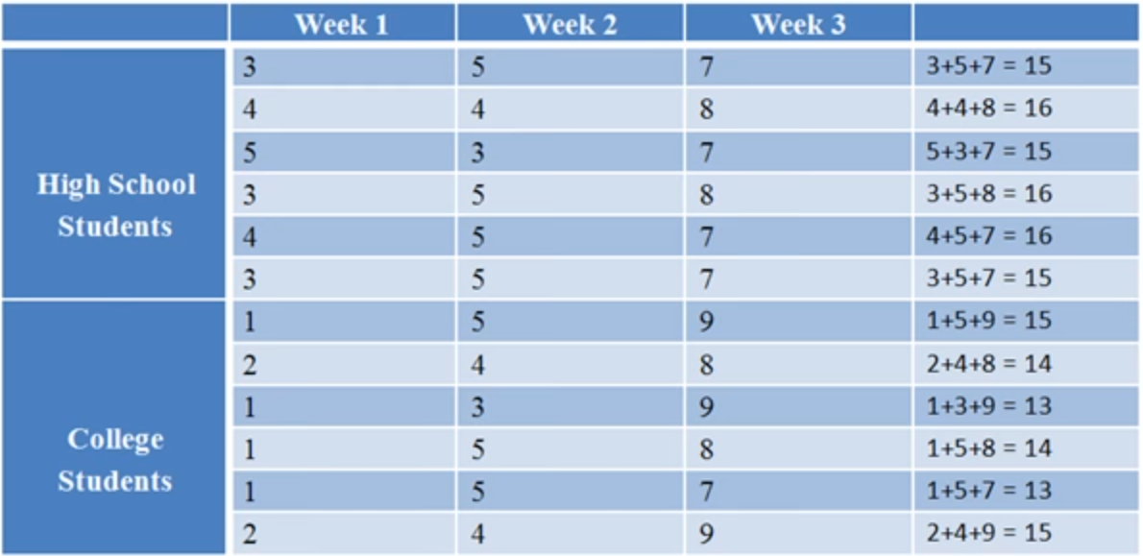

aini = right col, i = each row) | 15
 | 16
 | 15
 | 16
 | 16
 | 15
 | 15
 | 14
 | 13
 | 14
 | 13
 | 15
b | 3
left equation | 874.33333333

left sum of SS school | 872.5

SS error (s/a) | 1.8333333333

SS total - sum other SS | 14.333333333

