Travel Authorization
 |  |  |  |  | DOMESTIC AND INTERNATIONAL EXPENSE AUTHORIZATION |  |  |  |  |  |  |  |  |  |  |  |  |  |  |  |  |  | EA No. EA21153

 |  |  |  |  |  |  |  |  |  |  |  |  | Request Date: |  |  |  |  |  | 8-Nov-21 |  |  |  |  |  |  | C
A | Jessie Olivia Yunus
 |  |  |  |  |  |  |  |  |  |  |  |  | Originating City |  |  |  |  |  | Jakarta |  |  |  |  |  |  | C

 | EPiC Generali Tower, 18th floor, Gran Rubina business Park, Rasuna Apicentrum Jl HR Rasuna Said Kav C22 Kuningan Jakarta 12940 - Indonesia |  |  |  |  |  |  |  |  |  |  |  | Departure Date |  |  |  |  |  | 14-Nov-21 |  |  |  | Return Date |  | 18-Nov-21

 |  |  |  |  |  |  |  |  |  |  |  |  | Initiating BU: |  |  |  |  |  |  | EpiC |  |  |  |  |  | D

 |  |  |  |  |  |  |  |  |  |  |  |  | Person Preparing EA/Contact: |  |  |  |  |  |  |  |  |  | Jessie Olivia Yunus |  |  | E
 | jyunus@fhi360.org |  |  |  |  |  |  |  |  |  |  |  | Max budget amount for airfare |  |  |  |  |  |  |  |  |  |  | $ |  | F
 |  |  |  | Employee #114530
B | X | Employee - |  |  |  |  |  |  |  |  |  |  |  |  | Country Director Notified?

 |  |  |  | Vendor # Hendra Widjaja
 | X | Consultant - |  |  |  |  |  |  |  |  |  |  | *Staff members traveling together to the same destination/dates, should submit EA's together

 |  | Other - |  | Please specify _____________________________

 | 1st Destination
G | City/Country: |  |  | Kota Tangerang |  |  | Arr. Date: | 14-Nov-21 |  | Dep. Date: |  | 18-Nov-21 |  |  |  |  |  |  |  |  | TRAVEL OFFICE USE:
H
 | Project number(s) |  |  |  |  | Project/Budget Monitor Signature/s |  |  |  |  |  |  |  |  |  |  |  |  |  |  |  | Lodging |  | 1,200,000.00
I | 102533.034.001.001.001 |  |  |  |  |  |  |  |  |  |  |  |  |  |  |  |  |  |  |  |  |  |  |  |  |  | Item 1
 |  |  |  |  |  |  |  |  |  |  |  |  |  |  |  |  |  |  |  |  |  | Meals |  | 520,000.00 |  |  | item 2
J | Justification for each Project code |  |  |  |  |  |  |  |  |  |  |  |  |  |  |  |  |  |  |  |  |  |  |  |  |  | Item 3
 | Site Level Offline Programmatic and Clinical Mentoring for Kota Tangerang, Banten |  |  |  |  |  |  |  |  |  |  |  |  |  |  |  |  |  |  |  |  | Total |  | 1,720,000.00 |  |  | Item 4

 |  |  |  |  |  |  |  |  |  |  |  |  |  |  |  |  |  |  |  |  |  | # of nights |  | 8

 |  |  |  |  |  |  |  |  |  |  |  |  |  |  |  |  |  |  |  |  |  | Total |  | 13,760,000.00 |  |  | Item 5
 |  |  |  |  |  |  |  |  |  |  |  |  |  |  |  |  |  |  |  |  |  |  |  |  |  |  | Item 7
 | 2nd Destination
G | City/Country: |  |  | Kota Tangerang Selatan |  |  | Arr. Date: | 17-Nov-21 |  | Dep. Date: |  | 17-Nov-21 |  |  |  |  |  |  |  |  | TRAVEL OFFICE USE:
H
 | Project number(s) |  |  |  |  | Project/Budget Monitor Signature/s |  |  |  |  |  |  |  |  |  |  |  |  |  |  |  | Lodging
I |  |  |  |  |  |  |  |  |  |  |  |  |  |  |  |  |  |  |  |  |  |  |  |  |  |  | Item 1
 |  |  |  |  |  |  |  |  |  |  |  |  |  |  |  |  |  |  |  |  |  | Meals |  |  |  |  | item 2
J | Justification for each FCO/ID/project |  |  |  |  |  |  |  |  |  |  |  |  |  |  |  |  |  |  |  |  |  |  |  |  |  | Item 3
 | Site Level Offline Programmatic and Clinical Mentoring for Kota Tangerang Selatan, Banten |  |  |  |  |  |  |  |  |  |  |  |  |  |  |  |  |  |  |  |  | Total |  | - |  |  | Item 4

 |  |  |  |  |  |  |  |  |  |  |  |  |  |  |  |  |  |  |  |  |  | # of nights

 |  |  |  |  |  |  |  |  |  |  |  |  |  |  |  |  |  |  |  |  |  | Total |  | - |  |  | Item 5
 |  |  |  |  |  |  |  |  |  |  |  |  |  |  |  |  |  |  |  |  |  |  |  |  |  |  | Item 7
 | 3rd Destination
G | City/Country: |  |  |  |  |  | Arr. Date: |  |  | Dep. Date: |  |  |  |  |  |  |  |  |  |  | TRAVEL OFFICE USE:
H
 | Project Number (s) |  |  |  |  | Project/Budget Monitor Signature/s |  |  |  |  |  |  |  |  |  |  |  |  |  |  |  | Lodging
I |  |  |  |  |  |  |  |  |  |  |  |  |  |  |  |  |  |  |  |  |  |  |  |  |  |  | Item 1
 |  |  |  |  |  |  |  |  |  |  |  |  |  |  |  |  |  |  |  |  |  | Meals |  |  |  |  | item 2
J | Justification for each FCO/ID/project |  |  |  |  |  |  |  |  |  |  |  |  |  |  |  |  |  |  |  |  |  |  |  |  |  | Item 3
 |  |  |  |  |  |  |  |  |  |  |  |  |  |  |  |  |  |  |  |  |  | Total |  | - |  |  | Item 4

 |  |  |  |  |  |  |  |  |  |  |  |  |  |  |  |  |  |  |  |  |  | # of nights

 |  |  |  |  |  |  |  |  |  |  |  |  |  |  |  |  |  |  |  |  |  | Total |  | - |  |  | Item 5
 |  |  |  |  |  |  |  |  |  |  |  |  |  |  |  |  |  |  |  |  |  |  |  |  |  |  | Item 7

K | Special Requests: |  |  |  |  |  |  |  | (Use separate sheet if necessary) |  |  |  |  |  |  |  |  |  |  |  | TRAVEL OFFICE USE:

 |  |  |  |  |  |  |  |  |  | Yes |  |  | No |  |  | % |  |  |  |  | Currency: |  |  | IDR
 | Travel Advance? |  |  |  |  |  |  |  |  |  | X |  |  |  |  |  | 80%
 |  | Travel advances are based on current State Department per diem rates which are updated on a monthly basis. |  |  |  |  |  |  |  |  |  |  |  |  |  |  |  |  |  |  | Total: |  |  | 13,760,000.00

 | Documents Needed more than 3 days prior to departure? |  |  |  |  |  |  |  |  |  | X |  |  |  |  |  |  |  |  |  | Taxi Allowance: |  |  | 1,000,000.00
 | Car Rental? If yes, attach approved per diem variance memo to Travel Manager |  |  |  |  |  |  |  |  |  |  |  |  | X
 | Hotel Reservations? If yes, specify dates in/out and hotel(s) if known. |  |  |  |  |  |  |  |  |  | x |  |  |  |  |  |  |  |  |  | Baggage:
 | Hotel transfer/taxi/other transportation needed (International Travel only) |  |  |  |  |  |  |  |  |  |  |  |  | X
 | Special Instructions:
 |  |  |  |  |  |  |  |  |  |  |  |  |  |  |  |  |  |  |  |  |  |  |  | 14,760,000.00
 | Check in Nov 14, 2021 - Check out Nov 18, 2021 from hotel Traveling with Alan Vahlevi, Rerin Sulaiman, Fika Febriana, Hendra Widjaja |  |  |  |  |  |  |  |  |  |  |  |  |  |  |  |  |  |  |  | Total: |  |  | 14,760,000.00

 |  |  |  |  |  |  |  |  |  |  |  |  |  |  |  |  |  |  |  |  | Advance % |  |  | 80%

 |  |  |  |  |  |  |  |  |  |  |  |  |  |  |  |  |  |  |  |  | Total Adv: |  |  | 11,808,000.00

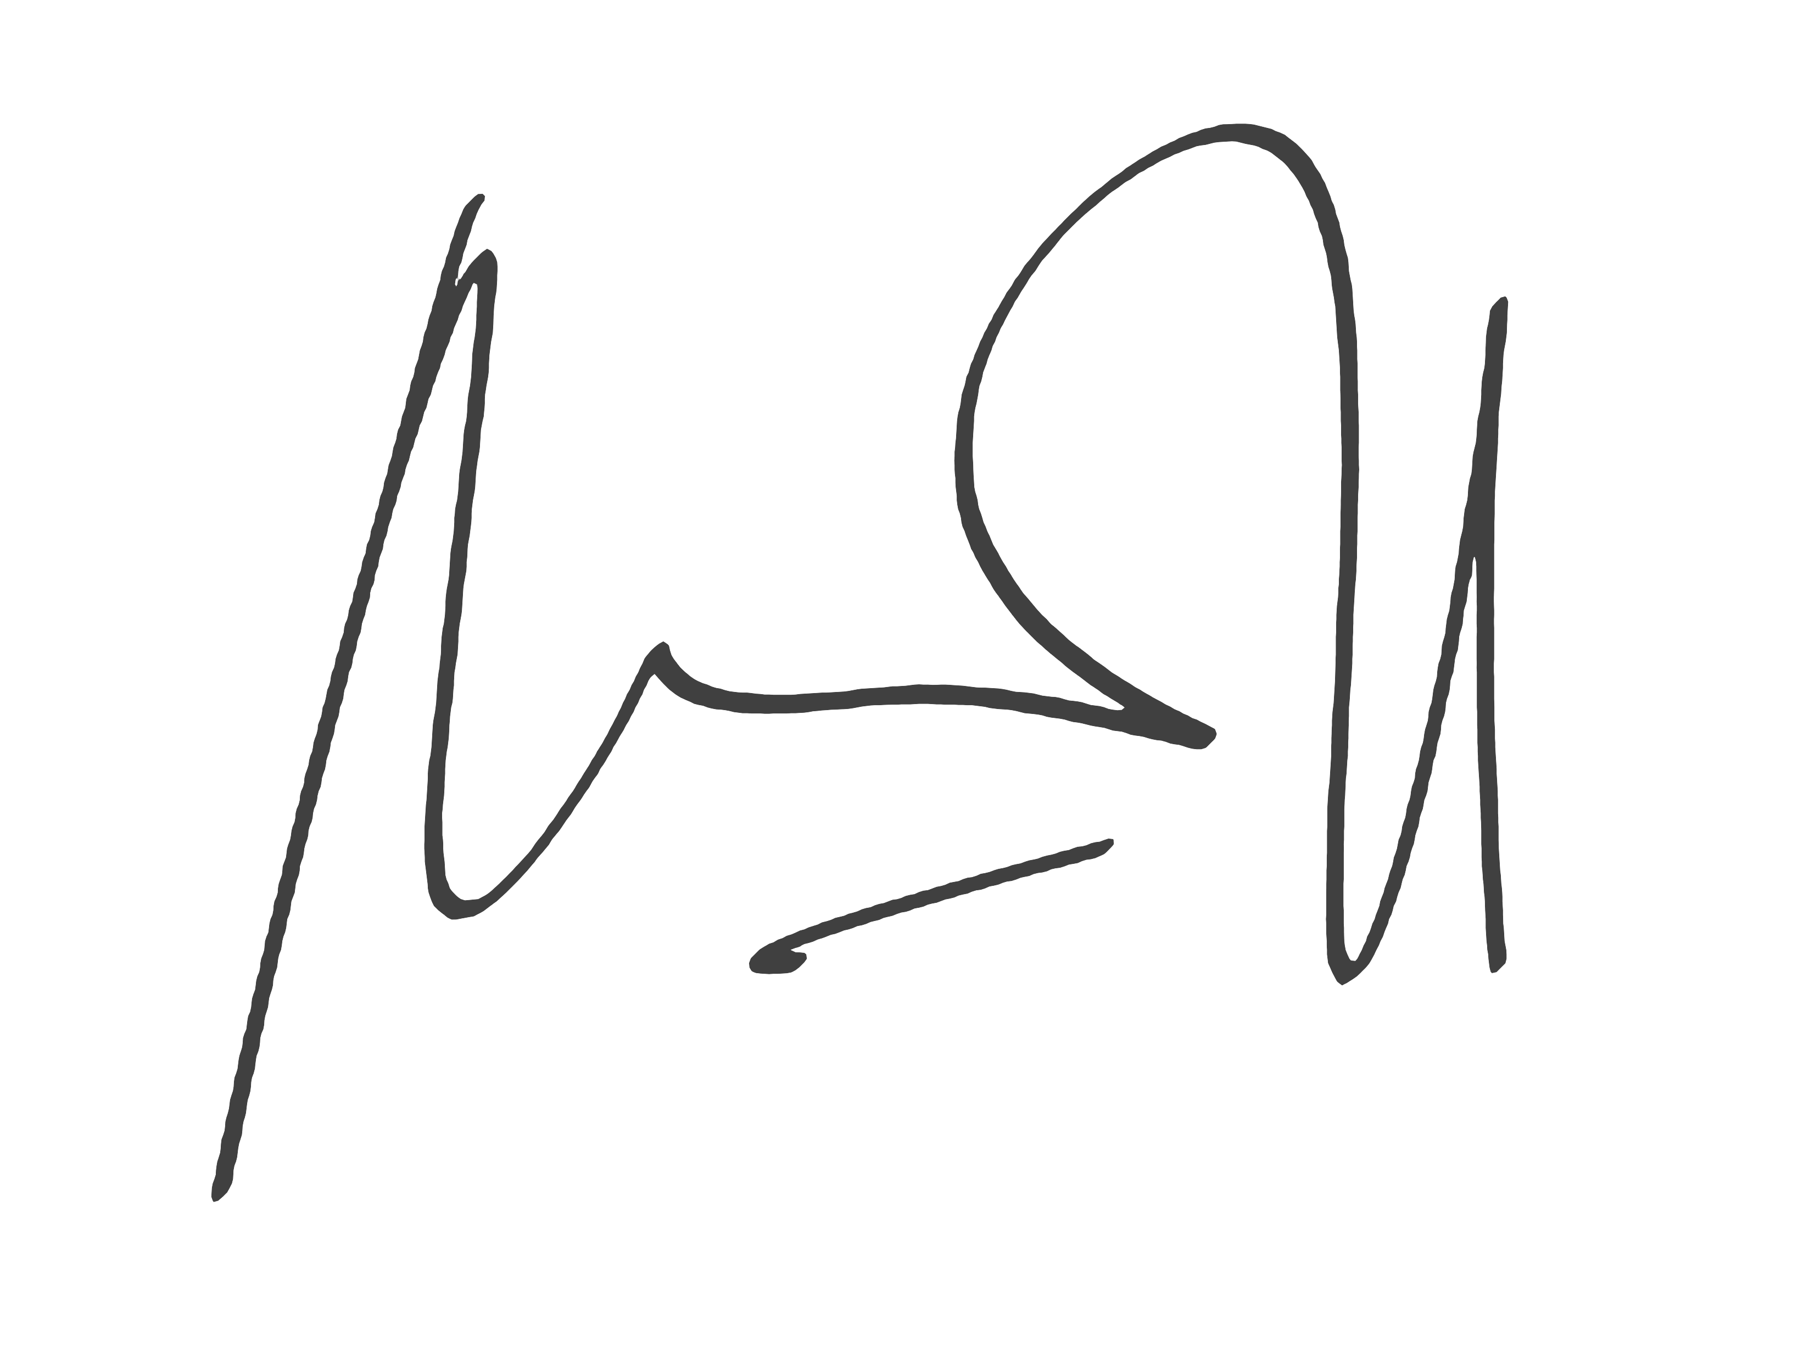
L |  |  |  |  |  |  | I hereby certify that for the travel requested above, I will abide by the FHI 360 travel policy. Within 3 weeks of return, I will submit an expense and trip report to Travel Services.
 | Traveler's Signature

M
 | Traveler's Supervisor |  |  |  |  |  |  | Workshop Advances - Attach Budget |  |  |  |  |  |  |  |  |  | Travel Division (or Finance in C/O)
 |  |  |  |  |  |  |  | Project/Budget Monitor also required

 |  |  | Scan/e-mail to TravelExpense@FHI360.org with appropriate funding/budget back-up documentation or memo, if applicable.
 |  |  |  |  |  |  |  |  |  |  |  |  |  |  |  |  |  |  |  |  |  |  |  |  | 2017-03-08

