هيكلة الاندرويد
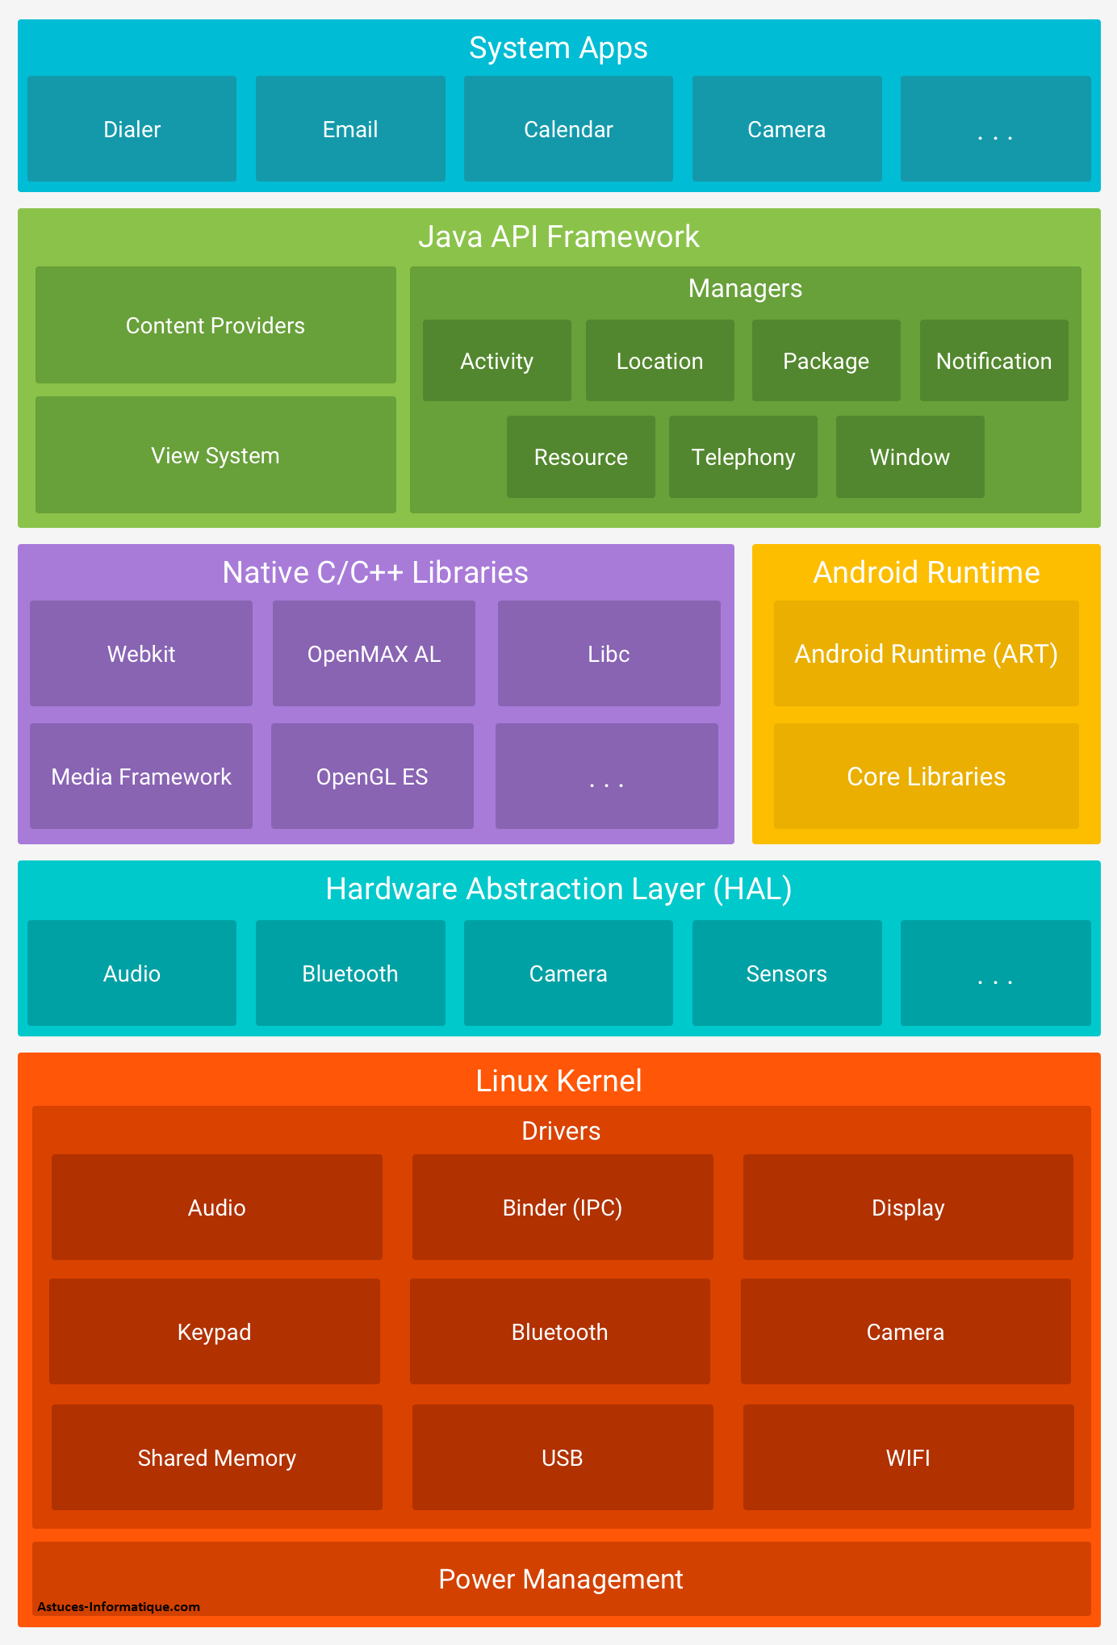
هيكلة نظام الاندرويد

System Apps | ويتكون من برامج للنظام هامه جدا مثل برنامج الاتصال والكامير

Java API Framework | إطار عمل API في جافا (Java API Framework) هو مجموعة من المكتبات والأدوات التي توفر للمطورين الأدوات اللازمة لبناء تطبيقات أندرويد. هذه المكتبات تحتوي على وظائف واسعة تساعد في إدارة واجهات المستخدم، البيانات، الرسومات، الشبكات، وأمور أخرى
Content Providers | مدير المحتوى يسمح للتطبيقات بمشاركة البيانات مع بعضها البعض. يمكن الوصول إلى البيانات المخزنة في تطبيقات أخرى بطريقة آمنة ومنظمة.
View System | مدير العرض يوفر مجموعة من الأدوات والمكونات لإنشاء واجهات المستخدم. يشمل المكونات الأساسية مثل الأزرار، النصوص، الصور، القوائم، وأي مكونات واجهة مستخدم أخرى
Managers
Activity | مدير النشاطات يساعد في إدارة التنقل بين النشاطات، والحفاظ على حالة التطبيق
Window | مدير النوافذ يدير كل ما يتعلق بالنوافذ في التطبيقات، مثل وضع النوافذ، حجمها، ومكانها.
Resource | مدير الموارد يوفر الوصول إلى الموارد غير البرمجية مثل النصوص، الصور، التخطيطات، والألوان
Notification | مدير الإشعارات يسمح للتطبيقات بعرض الإشعارات للمستخدمين. يساعد في إعلام المستخدمين بالأحداث الجديدة أو الهامة حتى عندما تكون التطبيقات غير نشطة.
Location | مدير الموقع يوفر خدمات الموقع الجغرافي، مثل تحديد الموقع الحالي للمستخدم.
Service وهذا غير موجود في الصورة | مدير الخدمات يسمح للتطبيقات ببدء وتنفيذ الخدمات التي يمكن أن تعمل في الخلفية
Package | مدير الحزم يوفر المعلومات حول التطبيقات المثبتة على الجهاز. يمكن استخدامه للوصول إلى بيانات حول الحزم، تثبيت أو إزالة التطبيقات.
Media غير موجود في الصورة | مدير الوسائط يوفر الأدوات اللازمة لتشغيل الصوت والفيديو. يتعامل مع تشغيل الوسائط، التسجيل، والتحكم في الوسائط المتعددة.
Native C/C++ Libraries | وتستخدم لتقديم الدعم للعمليات التي تحتاج إلى أداء عالي مثل الرسومات، معالجة الصوت والفيديو، وغيرها
OpenGL ES | مكتبة رسومات ثلاثية الأبعاد مجموعة من واجهات برمجة التطبيقات (APIs) المصممة لتقديم رسومات ثلاثية الأبعاد ثنائية الأبعاد على الأجهزة المدمجة
Media Libraries غير موجوده في الصورة | مكتبة الوسائط المتعددة مكتبة قوية لمعالجة الوسائط المتعددة تدعم تشغيل وتحويل الصوت والفيديو. تدعم العديد من تنسيقات الوسائط مثل MP4, MP3, AAC, H.264 وغيرها.
SQLite | مكتبة قواعد البيانات محرك قواعد بيانات صغير وقوي مدمج يُستخدم لتخزين البيانات المحلية في التطبيقات
WebKit | مكتبة الويب محرك عرض صفحات الويب الذي يُستخدم في متصفح أندرويد (وغيرها من المتصفحات).
OpenSL ES | مكتبة الصوت لمعالجة وتشغيل الصوت على الأجهزة المدمجة.
Bionic | مكتبة القاعدة الأساسية توفر وظائف النظام الأساسية مثل إدارة الذاكرة، عمليات الإدخال/الإخراج، العمليات، والخيوط.
libcrypto | مكتبة التشفير توفر وظائف التشفير والأمان. تُستخدم لتأمين البيانات، إنشاء التوقيعات الرقمية، التشفير/فك التشفير، وغيرها من العمليات المتعلقة بالأمان.
Zlib | تُستخدم لضغط البيانات لتوفير مساحة التخزين أو لتقليل حجم البيانات المرسلة عبر الشبكات
NDK Libraries | مكتبة التوافق التطبيقات التي تحتاج إلى أداء عالي وتحكم منخفض المستوى في الأجهزة
Android Runtime | تحسين أداء التطبيقات وتقليل استهلاك الذاكرة والطاقة
ART | إدارة الذاكرة
Libraries
غير موجوده في الصورة Android Framework | يوفر إطار العمل طبقة برمجية تتيح للمطورين الوصول إلى واجهات برمجة التطبيقات (APIs) والوظائف الأساسية للجهاز، مثل الاتصال بالشبكة، إدارة الموارد، والتعامل مع واجهة المستخدم
Application Layer غير موجوده في الصورة | في هذا الطبقة، توجد التطبيقات التي يستخدمها المستخدمون. هذه التطبيقات مكتوبة بلغة Java وتعمل فوق ART.
Linux Kernelydv غير موجوده في الصورة | نواة لينكس تعمل كأساس لنظام أندرويد. تدير هذه النواة جميع العمليات الأساسية للنظام مثل إدارة الذاكرة، إدارة العمليات، والتحكم بالأجهزة.
Hardware Abstraction Layer (HAL) | يمكن اعتبارها وسيطًا بين الكود البرمجي للأندرويد والمكونات المادية للهاتف.
Abstraction
Modules | الوحدات HAL تتكون من مجموعة من الوحدات (modules)، كل وحدة تُعنى بجزء معين من الأجهزة المادية، مثل الكامرا والبلتوث وغيرها
nterface
Implementation

Linux Kernel | نواة لينكس وهو القلب النابض للنظام
Drivers | جزء التعريفات حق الكامرا وغيرها
Audio
Binder (IPC)
Display
Keypad
Bluetooth
Camera
Shared Memory
USB
WIFI
Power Management | الجزء الثاني هو إدارة الطاقة

ملفات مشروع اندرويد جديد
.gradle
.idea
app
build
libs
src
androidTest
main
test

gradle

Android
الاكواد | تعريفها | مثال
android
كلاس R
 | هو كلاس تسهل الوصول إلى الموارد في كود الجافا. من النصوص والصور والألوان وغيرها يعني يربط الموارد بكلاسات جافا
fahadAndroid\app\build\intermediates\compile_and_runtime_not_namespaced_r_class_jar\debug | موقع الملف من المشروع
Nested classes | الكلاسات التابعه لها
R.anim

R.animator

R.array

R.attr

R.bool

R.color

R.dimen

R.drawable

R.fraction

R.id

R.integer

R.interpolator

R.layout | كلاس للاخراج واصلاا هو ملف في داخله واجهة المستخدم

R.menu

R.mipmap

R.plurals

R.raw

R.string | للاتصال مع ملف string

R.style

R.styleable

R.transition

R.xml
Public constructors | طريقة البناء
R. | الكلاس مثبت مع المشروع مايحتاج فاريبول رئيسي | public class MainActivity extends AppCompatActivity { @Override protected void onCreate(Bundle savedInstanceState) { super.onCreate(savedInstanceState); setContentView(R.layout.activity_main); } }
 | مثال اخر | protected void onCreate(Bundle savedInstanceState) { super.onCreate(savedInstanceState); setContentView(R.layout.activity_main); textview=findViewById(R.id.fg); textview.setText("fahad"); }

كلاس R.layout
 | كلاس متخصص في عرض الواجهات للمستخدم و layout هي ملف تضع في داخله كل صفحات الواجهة بـ xml

Nested classes | الكلاسات التابعه لها

Public constructors | طريقة البناء
R.layout | بعد كلاس R تضع كلمة layout وهو اسم الملف الي فيه الواجهات الرسومية | public class MainActivity extends AppCompatActivity { @Override protected void onCreate(Bundle savedInstanceState) { super.onCreate(savedInstanceState); setContentView(R.layout.activity_main); } }
Constants | الثوابة

كلاس R.string
 | كلاس مخصص لملف.string يحضر الاسترنق الي داخل الملف

Nested classes | الكلاسات التابعه لها

Public constructors | طريقة البناء
R.string | لازم من كلاس R علشان يستدعي الاسترنق الي داخل الملف و .my_name هو الاي دي حق الاسترنق | protected void onCreate(Bundle savedInstanceState) { super.onCreate(savedInstanceState); setContentView(R.layout.activity_main); String ndame = getString(R.string.my_name); textview = findViewById(R.id.fg); textview.setText(ndame); }

Constants | الثوابة
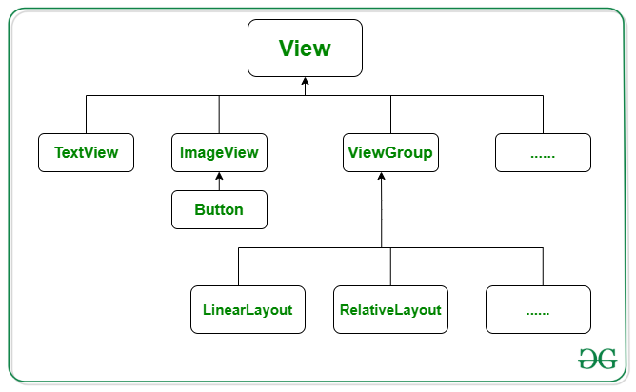

android.view.View
class View كلاس الاتصال مع العناصر
 | هو كلاس يتصل مع Button وTextView و غيرها يعني الفونكشن تتصل مع الواجهة حقت المستخدم علشان يستمع للحدث الي يصير يعني اذا ضغط او حرك الماوس او أي حدث من المستخدم وتضع View بين الاقواس مع View أخرى لكي تبين الاتصال

Nested classes | الكلاسات التابعه لها

Public constructors | طريقة البناء
View view | طبعا الكلمة الثانية هي فاريبول ثمل العنصر الذي يقع عليه الحدث

Constants | الثوابة

methods
View view | وهذا بارميتر يضع داخل الاقواس حق الفونكشن يصير الفونكشن فيه ميزة الاتصال مع عنصر واجهة المستخدم وبعده تروح للعنصر الي واجهة المستخدم الي مكتوب بلغة xmi وتضيف اسم الفونكشن في الاكواد حق xml android:onClick="mybutton" او تروح design الي في استديو الاندرويد في مربع onClick | TextView textview; Button button; @Override protected void onCreate(Bundle savedInstanceState) { super.onCreate(savedInstanceState); setContentView(R.layout.activity_main); button=findViewById(R.id.button); textview = findViewById(R.id.fg); } public void mybutton(View view){ String ndame = getString(R.string.my_name); textview.setText(ndame); }
setOnClickListener(View.OnClickListener l) | وهنا كلاس الاستماع للحدث يعني استمع اذا ضغط والي داخل القوس هوكلاس رد الاتصال يعني اذا ضغط يحدث كذا | TextView textview; Button button; @Override protected void onCreate(Bundle savedInstanceState) { super.onCreate(savedInstanceState); setContentView(R.layout.activity_main); button=findViewById(R.id.button); textview = findViewById(R.id.fg); button.setOnClickListener(new View.OnClickListener() { @Override public void onClick(View v) { String ndame = getString(R.string.my_name); textview.setText(ndame); } }); }

Nested classes | الكلاسات المتداخله معه
View.OnClickListener |  | TextView textview; Button button; @Override protected void onCreate(Bundle savedInstanceState) { super.onCreate(savedInstanceState); setContentView(R.layout.activity_main); button=findViewById(R.id.button); textview = findViewById(R.id.fg); button.setOnClickListener(new View.OnClickListener() { @Override public void onClick(View v) { String ndame = getString(R.string.my_name); textview.setText(ndame); } }); }
View.OnClickListener | كلاس رد الاتصال يعني اذا ضغط نفذ الاكواد لاحض ان هذا الكلاس موجود داخل كلاس الاستماع سطر 94
interface View.OnClickListener عنصر رد الاتصال
 | هو عنصر متخصص في رد الاتصال اذا ضغط المستخدم على شي معين

Nested classes | الكلاسات التابعه لها

Public constructors | طريقة البناء
View.OnClickListener | اول شي تضع الكلاس ويس الانترفيس ثما تضع فونكشن الاستماع للحدث

Constants | الثوابة

methods | الفونكشن
onClick(View v) | وهذه الفونكشن الوحيد ه الي تاخذها الي داخل القوس الكلمة الأول هو اسم الكلاس الي هي تحته والحرف هو فاريبول يمثل واجهة المستخدم | button.setOnClickListener(new View.OnClickListener() { @Override public void onClick(View v) { } });

Nested classes | الكلاسات المتداخله معه

java.lang.Object
class Double كلاس الأرقام العشريه

Nested classes | الكلاسات التابعه لها

Public constructors | طريقة البناء
Double. | تحط اسم الكلاس وبعده الفونكشن الي تريدها

Constants | الثوابة

methods | الفونكشنات
parseDouble(String s) | وهي فونكشن لتحويل النص الى ارقام عشريه | protected void onCreate(Bundle savedInstanceState) { super.onCreate(savedInstanceState); setContentView(R.layout.activity_main); textview=findViewById(R.id.fg); button=findViewById(R.id.button2); ditTextNumber=findViewById(R.id.editTextNumber); ditTextNumber2=findViewById(R.id.editTextNumber2); } public void mybotton(View v){ double ff=Double.parseDouble(ditTextNumber .getText().toString()) ; double f= Double.parseDouble(ditTextNumber2 .getText().toString()) ; double g=ff+f; textview.setText(""+g); }

Nested classes | الكلاسات المتداخله معه

android.text
class TextUtils كلاس التحقق من النص

Nested classes & interface | الكلاسات التابعه لها والعناصر

Public constructors | طريقة البناء
TextUtils. | اسم الكلاس وبعده نقطة

Constants | الثوابة

methods
isDigitsOnly(CharSequence str) | ويعني هل هو ارقام فقط وفي داخل الفقوس تحط الفاريبول او الكود | protected void onCreate(Bundle savedInstanceState) { super.onCreate(savedInstanceState); setContentView(R.layout.activity_main); textview=findViewById(R.id.fg); button=findViewById(R.id.button2); ditTextNumber=findViewById(R.id.editTextNumber); ditTextNumber2=findViewById(R.id.editTextNumber2); } public void mybotton(View v){ if (TextUtils.isDigitsOnly(ditTextNumber .getText().toString()) && TextUtils.isDigitsOnly(ditTextNumber .getText().toString())) { double ff=Double.parseDouble(ditTextNumber .getText().toString()) ; double f= Double.parseDouble(ditTextNumber2 .getText().toString()) ; double g=ff+f; textview.setText(""+g); // هذا الكود علشان يطبع في Logcat Log.d("name", "This is a debug message"); }else { textview.setText("غلط"); } }
isEmpty(CharSequence str) | وهذه الداله تتاكد من النص موجود او لا اذا موجود ترجع false اذا فاضيه ترجع tru وهذه الداله تمشي عسك المطلوب علشان كذا استخدم الرمز ! ويعني لايساوي | protected void onCreate(Bundle savedInstanceState) { super.onCreate(savedInstanceState); setContentView(R.layout.activity_main); textview=findViewById(R.id.fg); button=findViewById(R.id.button2); ditTextNumber=findViewById(R.id.editTextNumber); ditTextNumber2=findViewById(R.id.editTextNumber2); } public void mybotton(View v){ if (TextUtils.isEmpty(ditTextNumber .getText().toString()) && TextUtils.isEmpty(ditTextNumber .getText().toString())) { textview.setText("الله واكبر" ); } else { Log.e("name", "This is a debug message"); textview.setText("غلط"); } }
equals(CharSequence a, CharSequence b) | للتحقق من الخانه هل يوجد نص ام لا اذا مافي نص ترجع tru واذا في نص ترجع false | public void mybotton(View v){ if (ditTextNumber .getText().toString().equals("") && ditTextNumber .getText().toString().equals("")) { Log.e("name", "This is a debug message"); textview.setText("غلط"); textview.setText("الله واكبر" ); } else { double ff = Double.parseDouble(ditTextNumber.getText().toString()); double f = Double.parseDouble(ditTextNumber2.getText().toString()); double g = ff + f; textview.setText("" + g); } }
Nested classes | الكلاسات المتداخله معه

android.widget
CompoundButton زر متعدد الحالات
 | كلاس متخصص في الازرار وحالتها

Nested classes | الكلاسات التابعه لها

Public constructors | طريقة البناء

Constants | الثوابة

methods
setOnCheckedChangeListener(CompoundButton.OnCheckedChangeListener listener) | وتعني استمع لحاله التغيير الذي يحدث ففي المثال setOnCheckedChangeListener يربط الاستماع للحدث بالازرار يعني يستمع للازرار ثما في داخل فونكشن الاستماع انشانا new RadioGroup.OnCheckedChangeListener() { فئة استماع مجهوله يعني بدون فاريبول في المقدمة وهذه الفئة تفيدك بانك ما راح تكرر الاستماع لكل زر ثما بعدها طبيقنا دالة onCheckedChanged ويعني الاستماع للتغيير وليس الحدث وفي داخلها 2 فاريبول الاول هو العامل الذي يمثل مجموعة الأزرار التي تقع عليها الحدث لانها 3 ازرار اما الثاني فهو يمثل رقم التعريف حق الزر وليس id اما الكود @Override فهو يعني تجاوز اي انه يوجد فونكشن تشابهها في التنفيذ فيقوم بتجاوزها اذا حدث خطاء | protected void onCreate(Bundle savedInstanceState) { super.onCreate(savedInstanceState); setContentView(layout.activity_main); textview = findViewById(id.textView); radioGroup = (RadioGroup)findViewById(id.fahad); // ================================================================== radioGroup.setOnCheckedChangeListener( new RadioGroup.OnCheckedChangeListener() { @Override public void onCheckedChanged(RadioGroup group, int checkedId) { radioButton=findViewById(checkedId); }});}}

Nested classes | الكلاسات المتداخله معه

class ToggleButton زر التبديل

Nested classes | الكلاسات التابعه لها

Public constructors | طريقة البناء

Constants | الثوابة

methods
setOnCheckedChangeListener(CompoundButton.OnCheckedChangeListener listener) | وهنا استخدمنا الاستماع للتغيير ثما اضفنا داخل الاقواس الكلاس CompoundButton مع فونكشن الاستماع للتغيير وداخل الاقواس اضفنا الكلاس CompoundButton الذي يمثله buttonView, مع فاريبول يرجع القيمه tru او false | public class MainActivity extends AppCompatActivity { ToggleButton togglebutton; TextView textview; @Override protected void onCreate(Bundle savedInstanceState) { super.onCreate(savedInstanceState); setContentView(layout.activity_main); textview = findViewById(id.textView); togglebutton=findViewById(id.toggleButton); togglebutton.setOnCheckedChangeListener(new CompoundButton.OnCheckedChangeListener() { @Override public void onCheckedChanged(CompoundButton buttonView, boolean isChecked) { if (isChecked){ textview.setText("تم التغيير"); }else { textview.setText(isChecked+""); }}});}}

Nested classes | الكلاسات المتداخله معه

class RatingBar شريط التقييم

Nested classes | الكلاسات التابعه لها
RatingBar.OnRatingBarChangeListener

Public constructors | طريقة البناء

Constants | الثوابة

methods | الفونكشن
getRating() | الحصول على عدد النجوك الي ضغط عليها
getNumStars() | الحصول على كل النجوم الموجوده | RatingBar ratingBar; TextView textview; Button button; @Override protected void onCreate(Bundle savedInstanceState) { super.onCreate(savedInstanceState); setContentView(R.layout.activity_main); textview = findViewById(R.id.textView); button = findViewById(R.id.button); ratingBar=findViewById(R.id.ratingBar); button.setOnClickListener(new View.OnClickListener() { @Override public void onClick(View v) { textview.setText(ratingBar.getRating()+""); } }); }

Nested classes | الكلاسات المتداخله معه

class Toast نافذه منبثقه
 | هو كلاس متخصص في اظهار نافذه اشعار للمستخدم ولايحتاج الى تفاعل من المستخدم

Nested classes | الكلاسات التابعه لها

Public constructors | طريقة البناء

Constants | الثوابة

methods | الفونكشن
makeText(Context context, int resId, int duration) | لعرض نص وتاخذ 3 أشياء Context: السياق الحالي (عادةً ما يكون النشاط الحالي). Text: النص الذي ترغب في عرضه. Duration: مدة ظهور الرسالة (يمكن أن تكون Toast.LENGTH_SHORT أو Toast.LENGTH_LONG) في الأخير لاتنسى show() ويعني اظهرا | public class MainActivity extends AppCompatActivity { @Override protected void onCreate(Bundle savedInstanceState) { super.onCreate(savedInstanceState); setContentView(R.layout.activity_main); Toast.makeText(this, "مرحبببااااا مليون", Toast.LENGTH_LONG).show(); }

Nested classes | الكلاسات المتداخله معه

class calendarView كلاس التاريخ
 | كلاس متخصص في التاريخ

Nested classes | الكلاسات التابعه لها عادة تستخدم داخل الفونكشن
CalendarView.OnDateChangeListener

Public constructors | طريقة البناء

Constants | الثوابة
From class android.view.ViewGroup | ثوابة موروثة
From class android.view.View | ثوابة موروثة
methods | الفونكشن
setOnDateChangeListener(CalendarView.OnDateChangeListener listener) | يستمع اذا تغير التاريخ وداخله كلاس التغيير للتاريخ | CalendarView calendarView; Button button; TextView textView; @Override protected void onCreate(Bundle savedInstanceState) { super.onCreate(savedInstanceState); setContentView(R.layout.activity_main); calendarView=findViewById(R.id.calendarView); button=findViewById(R.id.button); textView=findViewById(R.id.textView); calendarView.setOnDateChangeListener(new CalendarView.OnDateChangeListener() { @Override public void onSelectedDayChange(@NonNull CalendarView calendarView, int i, int i1, int i2) { textView.setText("year "+i+" month "+i1+" day "+i2); } }); }

class onSelectedDayChange كلاس الاستماع لتغيير التاريخ
 | وهو تابع للكلاس class calendarView

Nested classes | الكلاسات التابعه لها

Public constructors | طريقة البناء

Constants | الثوابة

methods | الفونكشن
onSelectedDayChange(CalendarView view, int year, int month, int dayOfMonth) | وهذه الميثد تستخدم بناء فونكشن داخل كلاس class calendarView هنا حرف ( i ) يمثل السنة واليوم والشهر | CalendarView calendarView; Button button; TextView textView; @Override protected void onCreate(Bundle savedInstanceState) { super.onCreate(savedInstanceState); setContentView(R.layout.activity_main); calendarView=findViewById(R.id.calendarView); button=findViewById(R.id.button); textView=findViewById(R.id.textView); calendarView.setOnDateChangeListener(new CalendarView.OnDateChangeListener() { @Override public void onSelectedDayChange(@NonNull CalendarView calendarView, int i, int i1, int i2) { textView.setText("year "+i+" month "+i1+" day "+i2); } }); }
i | السنة
i1 | الشهر
i2 | اليوم

android.app
class AlertDialog.Builder كلاس مربع حوار
 | وهوكلاس يظهر نافذة فيها نعم او لا او اكثر من كذا

Nested classes | الكلاسات التابعه لها

Public constructors | طريقة البناء
AlertDialog.Builder builder = new AlertDialog.Builder(this); | اذا ارت بناء الفاريبول داخل الفونكشن وليس فاريبول عام وفي داخله يأخذ اسم الكلاس الي يحدث في النافذه مع كلمة this

Constants | الثوابة
Builder(Context context) | وهنا يأخذ المسار الذي سوف يعرض فيه الرسالة | طبعا هذا الثوابة هي البارميتر حق طريقة البناء
Builder(Context context, int themeResId) | وهنا يأخذ المسار الذي سوف يعرض فيه الرسالة مع الثيم الي صنعته
methods | الفونكشن
setTitle | كتابة عنوان الرسالة | CalendarView calendarView; Button button; TextView textView; AlertDialog.Builder alertDialog; @Override protected void onCreate(Bundle savedInstanceState) { super.onCreate(savedInstanceState); setContentView(R.layout.activity_main); calendarView = findViewById(R.id.calendarView); button = findViewById(R.id.button); textView = findViewById(R.id.textView); button.setOnClickListener(new View.OnClickListener() { @Override public void onClick(View view) { alertDialog = new AlertDialog.Builder(MainActivity.this); alertDialog.setTitle("تأكيد الحذف"); alertDialog.setMessage("هل أنت متأكد أنك تريد حذف هذا العنصر؟"); alertDialog.setPositiveButton("نعم", new DialogInterface.OnClickListener() { @Override public void onClick(DialogInterface dialog, int which) { textView.setText("kkkkk"); } }); alertDialog.setNegativeButton("لا", new DialogInterface.OnClickListener() { @Override public void onClick(DialogInterface dialog, int which) { dialog.cancel(); } }); AlertDialog dialog = alertDialog.create(); dialog.show(); } }); }
setPositiveButton (int textId, DialogInterface.OnClickListener listener) | وهذه فونكشن وتعني اذا ضغط المستخدم على زر إيجابي نفذ التالي وياخذ 2 بارميتر الأول نوعه text وهو كلمة yes والثاني هو الفونكشن الي تنفذ وعادتا فونكشن الاستماع للحدث وقبلها عنصر واجهة الحوار
setNegativeButton(int textId, DialogInterface.OnClickListener listener) | وهذه فونكشن وتعني اذا ضغط المستخدم على زر سلبي نفذ التالي وياخذ 2 بارميتر الأول نوعه text وهو كلمة NO والثاني هو الفونكشن الي تنفذ وعادتا فونكشن الاستماع للحدث وقبلها عنصر واجهة الحوار

setMessage | نص الرسالة
create() | ويعني صنع النافذه بعد كتابة كل الاكواد الخاصة بنافذه وهذا العنصر أساسي داخل فونكشن حق التنفيذ سوى button او غيره
show() | وتعني اعرض الرسالة وهي اخر الاكواد التابعة للرسالة
cancel() | الغى العمليه بلكامل
android.content
class Resources كلاس الوصول الى الموارد
 | هوكلاس يوصلك للموارد مثل الاسترنق والألوان وغيرها

Nested classes | الكلاسات التابعه لها
Resources.NotFoundException
Resources.Theme
Public constructors | طريقة البناء
getResources()

Constants | البارميتر
ID_NULL

methods | الفونكشن
getText(int id) | احضار التكست وبين الاقواس كلاس R مع الاي دي حق التكست الموجود في ملف الاسترنق | protected void onCreate(Bundle savedInstanceState) { super.onCreate(savedInstanceState); setContentView(R.layout.activity_main); calendarView = findViewById(R.id.calendarView); button = findViewById(R.id.button); textView = findViewById(R.id.textView); button.setOnClickListener(new View.OnClickListener() { @Override public void onClick(View view) { alertDialog = new AlertDialog.Builder(MainActivity.this); alertDialog.setTitle("تأكيد الحذف"); alertDialog.setMessage("هل أنت متأكد أنك تريد حذف هذا العنصر؟"); alertDialog.setPositiveButton("نعم", new DialogInterface.OnClickListener() { @Override public void onClick(DialogInterface dialog, int which) { textView.setText(getResources().getString( R.string.app) ); } }); alertDialog.setNegativeButton("لا", new DialogInterface.OnClickListener() { @Override public void onClick(DialogInterface dialog, int which) { dialog.cancel(); } }); AlertDialog dialog = alertDialog.create(); dialog.show(); } }); }
getResources() | وهذه الفونكشن هي الأساس لابد من كتابتها ثما بعدها تكتب أي فونكشن من فونكشنات class Resources

