هيكلة الاندرويد
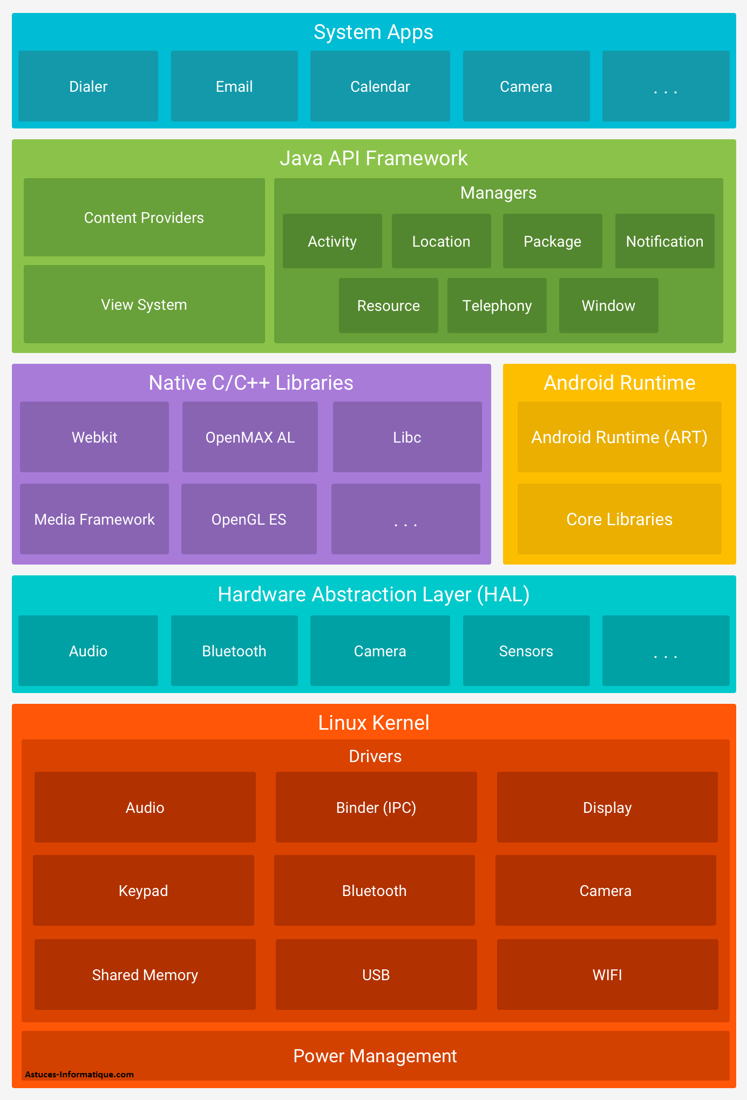
هيكلة نظام الاندرويد

System Apps | ويتكون من برامج للنظام هامه جدا مثل برنامج الاتصال والكامير

Java API Framework | إطار عمل API في جافا (Java API Framework) هو مجموعة من المكتبات والأدوات التي توفر للمطورين الأدوات اللازمة لبناء تطبيقات أندرويد. هذه المكتبات تحتوي على وظائف واسعة تساعد في إدارة واجهات المستخدم، البيانات، الرسومات، الشبكات، وأمور أخرى
Content Providers | مدير المحتوى يسمح للتطبيقات بمشاركة البيانات مع بعضها البعض. يمكن الوصول إلى البيانات المخزنة في تطبيقات أخرى بطريقة آمنة ومنظمة.
View System | مدير العرض يوفر مجموعة من الأدوات والمكونات لإنشاء واجهات المستخدم. يشمل المكونات الأساسية مثل الأزرار، النصوص، الصور، القوائم، وأي مكونات واجهة مستخدم أخرى
Managers
Activity | مدير النشاطات يساعد في إدارة التنقل بين النشاطات، والحفاظ على حالة التطبيق
Window | مدير النوافذ يدير كل ما يتعلق بالنوافذ في التطبيقات، مثل وضع النوافذ، حجمها، ومكانها.
Resource | مدير الموارد يوفر الوصول إلى الموارد غير البرمجية مثل النصوص، الصور، التخطيطات، والألوان
Notification | مدير الإشعارات يسمح للتطبيقات بعرض الإشعارات للمستخدمين. يساعد في إعلام المستخدمين بالأحداث الجديدة أو الهامة حتى عندما تكون التطبيقات غير نشطة.
Location | مدير الموقع يوفر خدمات الموقع الجغرافي، مثل تحديد الموقع الحالي للمستخدم.
Service وهذا غير موجود في الصورة | مدير الخدمات يسمح للتطبيقات ببدء وتنفيذ الخدمات التي يمكن أن تعمل في الخلفية
Package | مدير الحزم يوفر المعلومات حول التطبيقات المثبتة على الجهاز. يمكن استخدامه للوصول إلى بيانات حول الحزم، تثبيت أو إزالة التطبيقات.
Media غير موجود في الصورة | مدير الوسائط يوفر الأدوات اللازمة لتشغيل الصوت والفيديو. يتعامل مع تشغيل الوسائط، التسجيل، والتحكم في الوسائط المتعددة.
Native C/C++ Libraries | وتستخدم لتقديم الدعم للعمليات التي تحتاج إلى أداء عالي مثل الرسومات، معالجة الصوت والفيديو، وغيرها
OpenGL ES | مكتبة رسومات ثلاثية الأبعاد مجموعة من واجهات برمجة التطبيقات (APIs) المصممة لتقديم رسومات ثلاثية الأبعاد ثنائية الأبعاد على الأجهزة المدمجة
Media Libraries غير موجوده في الصورة | مكتبة الوسائط المتعددة مكتبة قوية لمعالجة الوسائط المتعددة تدعم تشغيل وتحويل الصوت والفيديو. تدعم العديد من تنسيقات الوسائط مثل MP4, MP3, AAC, H.264 وغيرها.
SQLite | مكتبة قواعد البيانات محرك قواعد بيانات صغير وقوي مدمج يُستخدم لتخزين البيانات المحلية في التطبيقات
WebKit | مكتبة الويب محرك عرض صفحات الويب الذي يُستخدم في متصفح أندرويد (وغيرها من المتصفحات).
OpenSL ES | مكتبة الصوت لمعالجة وتشغيل الصوت على الأجهزة المدمجة.
Bionic | مكتبة القاعدة الأساسية توفر وظائف النظام الأساسية مثل إدارة الذاكرة، عمليات الإدخال/الإخراج، العمليات، والخيوط.
libcrypto | مكتبة التشفير توفر وظائف التشفير والأمان. تُستخدم لتأمين البيانات، إنشاء التوقيعات الرقمية، التشفير/فك التشفير، وغيرها من العمليات المتعلقة بالأمان.
Zlib | تُستخدم لضغط البيانات لتوفير مساحة التخزين أو لتقليل حجم البيانات المرسلة عبر الشبكات
NDK Libraries | مكتبة التوافق التطبيقات التي تحتاج إلى أداء عالي وتحكم منخفض المستوى في الأجهزة
Android Runtime | تحسين أداء التطبيقات وتقليل استهلاك الذاكرة والطاقة
ART | إدارة الذاكرة
Libraries
غير موجوده في الصورة Android Framework | يوفر إطار العمل طبقة برمجية تتيح للمطورين الوصول إلى واجهات برمجة التطبيقات (APIs) والوظائف الأساسية للجهاز، مثل الاتصال بالشبكة، إدارة الموارد، والتعامل مع واجهة المستخدم
Application Layer غير موجوده في الصورة | في هذا الطبقة، توجد التطبيقات التي يستخدمها المستخدمون. هذه التطبيقات مكتوبة بلغة Java وتعمل فوق ART.
Linux Kernelydv غير موجوده في الصورة | نواة لينكس تعمل كأساس لنظام أندرويد. تدير هذه النواة جميع العمليات الأساسية للنظام مثل إدارة الذاكرة، إدارة العمليات، والتحكم بالأجهزة.
Hardware Abstraction Layer (HAL) | يمكن اعتبارها وسيطًا بين الكود البرمجي للأندرويد والمكونات المادية للهاتف.
Abstraction
Modules | الوحدات HAL تتكون من مجموعة من الوحدات (modules)، كل وحدة تُعنى بجزء معين من الأجهزة المادية، مثل الكامرا والبلتوث وغيرها
nterface
Implementation

Linux Kernel | نواة لينكس وهو القلب النابض للنظام
Drivers | جزء التعريفات حق الكامرا وغيرها
Audio
Binder (IPC)
Display
Keypad
Bluetooth
Camera
Shared Memory
USB
WIFI
Power Management | الجزء الثاني هو إدارة الطاقة

ملفات مشروع اندرويد جديد
.gradle
.idea
app
build
libs
src
androidTest
main
test

gradle

Android
الاكواد | تعريفها | مثال
android
كلاس R
 | هو كلاس تسهل الوصول إلى الموارد في كود الجافا. من النصوص والصور والألوان وغيرها يعني يربط الموارد بكلاسات جافا
fahadAndroid\app\build\intermediates\compile_and_runtime_not_namespaced_r_class_jar\debug | موقع الملف من المشروع
Nested classes | الكلاسات التابعه لها
R.anim

R.animator

R.array

R.attr

R.bool

R.color

R.dimen

R.drawable

R.fraction

R.id

R.integer

R.interpolator

R.layout | كلاس للاخراج واصلاا هو ملف في داخله واجهة المستخدم

R.menu

R.mipmap

R.plurals

R.raw

R.string | للاتصال مع ملف string

R.style

R.styleable

R.transition

R.xml
Public constructors | طريقة البناء
R. | الكلاس مثبت مع المشروع مايحتاج فاريبول رئيسي | public class MainActivity extends AppCompatActivity { @Override protected void onCreate(Bundle savedInstanceState) { super.onCreate(savedInstanceState); setContentView(R.layout.activity_main); } }
 | مثال اخر | protected void onCreate(Bundle savedInstanceState) { super.onCreate(savedInstanceState); setContentView(R.layout.activity_main); textview=findViewById(R.id.fg); textview.setText("fahad"); }

كلاس R.layout
 | كلاس متخصص في عرض الواجهات للمستخدم و layout هي ملف تضع في داخله كل صفحات الواجهة بـ xml

Nested classes | الكلاسات التابعه لها

Public constructors | طريقة البناء
R.layout | بعد كلاس R تضع كلمة layout وهو اسم الملف الي فيه الواجهات الرسومية | public class MainActivity extends AppCompatActivity { @Override protected void onCreate(Bundle savedInstanceState) { super.onCreate(savedInstanceState); setContentView(R.layout.activity_main); } }
Constants | الثوابة

كلاس R.string
 | كلاس مخصص لملف.string يحضر الاسترنق الي داخل الملف

Nested classes | الكلاسات التابعه لها

Public constructors | طريقة البناء
R.string | لازم من كلاس R علشان يستدعي الاسترنق الي داخل الملف و .my_name هو الاي دي حق الاسترنق | protected void onCreate(Bundle savedInstanceState) { super.onCreate(savedInstanceState); setContentView(R.layout.activity_main); String ndame = getString(R.string.my_name); textview = findViewById(R.id.fg); textview.setText(ndame); }

Constants | الثوابة
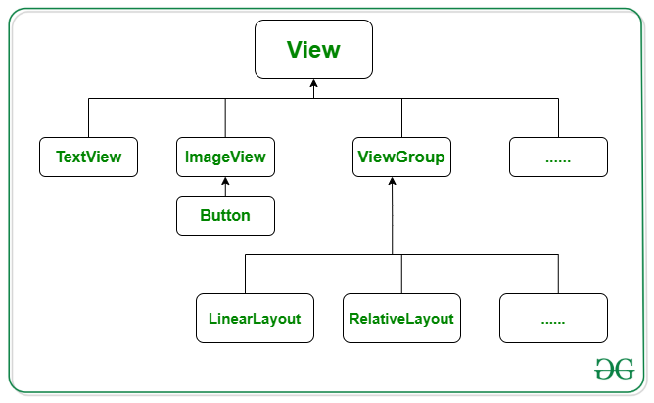

android.view.View
class View كلاس الاتصال مع العناصر
 | هو كلاس يتصل مع Button وTextView و غيرها يعني الفونكشن تتصل مع الواجهة حقت المستخدم علشان يستمع للحدث الي يصير يعني اذا ضغط او حرك الماوس او أي حدث من المستخدم وتضع View بين الاقواس مع View أخرى لكي تبين الاتصال

Nested classes | الكلاسات التابعه لها

Public constructors | طريقة البناء
View view | طبعا الكلمة الثانية هي فاريبول ثمل العنصر الذي يقع عليه الحدث

Constants | الثوابة

methods
View view | وهذا بارميتر يضع داخل الاقواس حق الفونكشن يصير الفونكشن فيه ميزة الاتصال مع عنصر واجهة المستخدم وبعده تروح للعنصر الي واجهة المستخدم الي مكتوب بلغة xmi وتضيف اسم الفونكشن في الاكواد حق xml android:onClick="mybutton" او تروح design الي في استديو الاندرويد في مربع onClick | TextView textview; Button button; @Override protected void onCreate(Bundle savedInstanceState) { super.onCreate(savedInstanceState); setContentView(R.layout.activity_main); button=findViewById(R.id.button); textview = findViewById(R.id.fg); } public void mybutton(View view){ String ndame = getString(R.string.my_name); textview.setText(ndame); }
setOnClickListener(View.OnClickListener l) | وهنا كلاس الاستماع للحدث يعني استمع اذا ضغط والي داخل القوس هوكلاس رد الاتصال يعني اذا ضغط يحدث كذا | TextView textview; Button button; @Override protected void onCreate(Bundle savedInstanceState) { super.onCreate(savedInstanceState); setContentView(R.layout.activity_main); button=findViewById(R.id.button); textview = findViewById(R.id.fg); button.setOnClickListener(new View.OnClickListener() { @Override public void onClick(View v) { String ndame = getString(R.string.my_name); textview.setText(ndame); } }); }

Nested classes | الكلاسات المتداخله معه
View.OnClickListener |  | TextView textview; Button button; @Override protected void onCreate(Bundle savedInstanceState) { super.onCreate(savedInstanceState); setContentView(R.layout.activity_main); button=findViewById(R.id.button); textview = findViewById(R.id.fg); button.setOnClickListener(new View.OnClickListener() { @Override public void onClick(View v) { String ndame = getString(R.string.my_name); textview.setText(ndame); } }); }
View.OnClickListener | كلاس رد الاتصال يعني اذا ضغط نفذ الاكواد لاحض ان هذا الكلاس موجود داخل كلاس الاستماع سطر 94
interface View.OnClickListener عنصر رد الاتصال
 | هو عنصر متخصص في رد الاتصال اذا ضغط المستخدم على شي معين

Nested classes | الكلاسات التابعه لها

Public constructors | طريقة البناء
View.OnClickListener | اول شي تضع الكلاس ويس الانترفيس ثما تضع فونكشن الاستماع للحدث

Constants | الثوابة

methods | الفونكشن
onClick(View v) | وهذه الفونكشن الوحيد ه الي تاخذها الي داخل القوس الكلمة الأول هو اسم الكلاس الي هي تحته والحرف هو فاريبول يمثل واجهة المستخدم | button.setOnClickListener(new View.OnClickListener() { @Override public void onClick(View v) { } });

Nested classes | الكلاسات المتداخله معه

java.lang.Object
class Double كلاس الأرقام العشريه

Nested classes | الكلاسات التابعه لها

Public constructors | طريقة البناء
Double. | تحط اسم الكلاس وبعده الفونكشن الي تريدها

Constants | الثوابة

methods | الفونكشنات
parseDouble(String s) | وهي فونكشن لتحويل النص الى ارقام عشريه | protected void onCreate(Bundle savedInstanceState) { super.onCreate(savedInstanceState); setContentView(R.layout.activity_main); textview=findViewById(R.id.fg); button=findViewById(R.id.button2); ditTextNumber=findViewById(R.id.editTextNumber); ditTextNumber2=findViewById(R.id.editTextNumber2); } public void mybotton(View v){ double ff=Double.parseDouble(ditTextNumber .getText().toString()) ; double f= Double.parseDouble(ditTextNumber2 .getText().toString()) ; double g=ff+f; textview.setText(""+g); }

Nested classes | الكلاسات المتداخله معه

android.text
class TextUtils كلاس التحقق من النص

Nested classes & interface | الكلاسات التابعه لها والعناصر

Public constructors | طريقة البناء
TextUtils. | اسم الكلاس وبعده نقطة

Constants | الثوابة

methods
isDigitsOnly(CharSequence str) | ويعني هل هو ارقام فقط وفي داخل الفقوس تحط الفاريبول او الكود | protected void onCreate(Bundle savedInstanceState) { super.onCreate(savedInstanceState); setContentView(R.layout.activity_main); textview=findViewById(R.id.fg); button=findViewById(R.id.button2); ditTextNumber=findViewById(R.id.editTextNumber); ditTextNumber2=findViewById(R.id.editTextNumber2); } public void mybotton(View v){ if (TextUtils.isDigitsOnly(ditTextNumber .getText().toString()) && TextUtils.isDigitsOnly(ditTextNumber .getText().toString())) { double ff=Double.parseDouble(ditTextNumber .getText().toString()) ; double f= Double.parseDouble(ditTextNumber2 .getText().toString()) ; double g=ff+f; textview.setText(""+g); // هذا الكود علشان يطبع في Logcat Log.d("name", "This is a debug message"); }else { textview.setText("غلط"); } }
isEmpty(CharSequence str) | وهذه الداله تتاكد من النص موجود او لا اذا موجود ترجع false اذا فاضيه ترجع tru وهذه الداله تمشي عسك المطلوب علشان كذا استخدم الرمز ! ويعني لايساوي | protected void onCreate(Bundle savedInstanceState) { super.onCreate(savedInstanceState); setContentView(R.layout.activity_main); textview=findViewById(R.id.fg); button=findViewById(R.id.button2); ditTextNumber=findViewById(R.id.editTextNumber); ditTextNumber2=findViewById(R.id.editTextNumber2); } public void mybotton(View v){ if (TextUtils.isEmpty(ditTextNumber .getText().toString()) && TextUtils.isEmpty(ditTextNumber .getText().toString())) { textview.setText("الله واكبر" ); } else { Log.e("name", "This is a debug message"); textview.setText("غلط"); } }
equals(CharSequence a, CharSequence b) | للتحقق من الخانه هل يوجد نص ام لا اذا مافي نص ترجع tru واذا في نص ترجع false | public void mybotton(View v){ if (ditTextNumber .getText().toString().equals("") && ditTextNumber .getText().toString().equals("")) { Log.e("name", "This is a debug message"); textview.setText("غلط"); textview.setText("الله واكبر" ); } else { double ff = Double.parseDouble(ditTextNumber.getText().toString()); double f = Double.parseDouble(ditTextNumber2.getText().toString()); double g = ff + f; textview.setText("" + g); } }
Nested classes | الكلاسات المتداخله معه

android.widget
CompoundButton زر متعدد الحالات
 | كلاس متخصص في الازرار وحالتها

Nested classes | الكلاسات التابعه لها

Public constructors | طريقة البناء

Constants | الثوابة

methods
setOnCheckedChangeListener(CompoundButton.OnCheckedChangeListener listener) | وتعني استمع لحاله التغيير الذي يحدث ففي المثال setOnCheckedChangeListener يربط الاستماع للحدث بالازرار يعني يستمع للازرار ثما في داخل فونكشن الاستماع انشانا new RadioGroup.OnCheckedChangeListener() { فئة استماع مجهوله يعني بدون فاريبول في المقدمة وهذه الفئة تفيدك بانك ما راح تكرر الاستماع لكل زر ثما بعدها طبيقنا دالة onCheckedChanged ويعني الاستماع للتغيير وليس الحدث وفي داخلها 2 فاريبول الاول هو العامل الذي يمثل مجموعة الأزرار التي تقع عليها الحدث لانها 3 ازرار اما الثاني فهو يمثل رقم التعريف حق الزر وليس id اما الكود @Override فهو يعني تجاوز اي انه يوجد فونكشن تشابهها في التنفيذ فيقوم بتجاوزها اذا حدث خطاء | protected void onCreate(Bundle savedInstanceState) { super.onCreate(savedInstanceState); setContentView(layout.activity_main); textview = findViewById(id.textView); radioGroup = (RadioGroup)findViewById(id.fahad); // ================================================================== radioGroup.setOnCheckedChangeListener( new RadioGroup.OnCheckedChangeListener() { @Override public void onCheckedChanged(RadioGroup group, int checkedId) { radioButton=findViewById(checkedId); }});}}

Nested classes | الكلاسات المتداخله معه

class ToggleButton زر التبديل

Nested classes | الكلاسات التابعه لها

Public constructors | طريقة البناء

Constants | الثوابة

methods
setOnCheckedChangeListener(CompoundButton.OnCheckedChangeListener listener) | وهنا استخدمنا الاستماع للتغيير ثما اضفنا داخل الاقواس الكلاس CompoundButton مع فونكشن الاستماع للتغيير وداخل الاقواس اضفنا الكلاس CompoundButton الذي يمثله buttonView, مع فاريبول يرجع القيمه tru او false | public class MainActivity extends AppCompatActivity { ToggleButton togglebutton; TextView textview; @Override protected void onCreate(Bundle savedInstanceState) { super.onCreate(savedInstanceState); setContentView(layout.activity_main); textview = findViewById(id.textView); togglebutton=findViewById(id.toggleButton); togglebutton.setOnCheckedChangeListener(new CompoundButton.OnCheckedChangeListener() { @Override public void onCheckedChanged(CompoundButton buttonView, boolean isChecked) { if (isChecked){ textview.setText("تم التغيير"); }else { textview.setText(isChecked+""); }}});}}

Nested classes | الكلاسات المتداخله معه

class RatingBar شريط التقييم

Nested classes | الكلاسات التابعه لها
RatingBar.OnRatingBarChangeListener

Public constructors | طريقة البناء

Constants | الثوابة

methods | الفونكشن
getRating() | الحصول على عدد النجوك الي ضغط عليها
getNumStars() | الحصول على كل النجوم الموجوده | RatingBar ratingBar; TextView textview; Button button; @Override protected void onCreate(Bundle savedInstanceState) { super.onCreate(savedInstanceState); setContentView(R.layout.activity_main); textview = findViewById(R.id.textView); button = findViewById(R.id.button); ratingBar=findViewById(R.id.ratingBar); button.setOnClickListener(new View.OnClickListener() { @Override public void onClick(View v) { textview.setText(ratingBar.getRating()+""); } }); }

Nested classes | الكلاسات المتداخله معه

class Toast نافذه منبثقه
 | هو كلاس متخصص في اظهار نافذه اشعار للمستخدم ولايحتاج الى تفاعل من المستخدم

Nested classes | الكلاسات التابعه لها

Public constructors | طريقة البناء

Constants | الثوابة

methods | الفونكشن
makeText(Context context, int resId, int duration) | لعرض نص وتاخذ 3 أشياء Context: السياق الحالي (عادةً ما يكون النشاط الحالي). Text: النص الذي ترغب في عرضه. Duration: مدة ظهور الرسالة (يمكن أن تكون Toast.LENGTH_SHORT أو Toast.LENGTH_LONG) في الأخير لاتنسى show() ويعني اظهرا | public class MainActivity extends AppCompatActivity { @Override protected void onCreate(Bundle savedInstanceState) { super.onCreate(savedInstanceState); setContentView(R.layout.activity_main); Toast.makeText(this, "مرحبببااااا مليون", Toast.LENGTH_LONG).show(); }

Nested classes | الكلاسات المتداخله معه

class calendarView كلاس التاريخ
 | كلاس متخصص في التاريخ

Nested classes | الكلاسات التابعه لها عادة تستخدم داخل الفونكشن
CalendarView.OnDateChangeListener

Public constructors | طريقة البناء

Constants | الثوابة
From class android.view.ViewGroup | ثوابة موروثة
From class android.view.View | ثوابة موروثة
methods | الفونكشن
setOnDateChangeListener(CalendarView.OnDateChangeListener listener) | يستمع اذا تغير التاريخ وداخله كلاس التغيير للتاريخ | CalendarView calendarView; Button button; TextView textView; @Override protected void onCreate(Bundle savedInstanceState) { super.onCreate(savedInstanceState); setContentView(R.layout.activity_main); calendarView=findViewById(R.id.calendarView); button=findViewById(R.id.button); textView=findViewById(R.id.textView); calendarView.setOnDateChangeListener(new CalendarView.OnDateChangeListener() { @Override public void onSelectedDayChange(@NonNull CalendarView calendarView, int i, int i1, int i2) { textView.setText("year "+i+" month "+i1+" day "+i2); } }); }

class onSelectedDayChange كلاس الاستماع لتغيير التاريخ
 | وهو تابع للكلاس class calendarView

Nested classes | الكلاسات التابعه لها

Public constructors | طريقة البناء

Constants | الثوابة

methods | الفونكشن
onSelectedDayChange(CalendarView view, int year, int month, int dayOfMonth) | وهذه الميثد تستخدم بناء فونكشن داخل كلاس class calendarView هنا حرف ( i ) يمثل السنة واليوم والشهر | CalendarView calendarView; Button button; TextView textView; @Override protected void onCreate(Bundle savedInstanceState) { super.onCreate(savedInstanceState); setContentView(R.layout.activity_main); calendarView=findViewById(R.id.calendarView); button=findViewById(R.id.button); textView=findViewById(R.id.textView); calendarView.setOnDateChangeListener(new CalendarView.OnDateChangeListener() { @Override public void onSelectedDayChange(@NonNull CalendarView calendarView, int i, int i1, int i2) { textView.setText("year "+i+" month "+i1+" day "+i2); } }); }
i | السنة
i1 | الشهر
i2 | اليوم

class TextView
 | هوكلاس خاص بنافذه نصية تقدر تضيف فيها نص وتغير الديزاين وغيرها

Nested classes | الكلاسات التابعه لها
TextView.SavedState | كلاس
TextView.OnEditorActionListener | عنصر
Public constructors | طريقة البناء

Constants | البارميتر
AUTO_SIZE_TEXT_TYPE_NONE

methods | الفونكشن
setTextColor(Color.RED) | لتغيير اللون ولاكن لابد من كتابة اللون بالأحرف الكبيره | protected void onCreate(Bundle savedInstanceState) { super.onCreate(savedInstanceState); setContentView(R.layout.activity_main); button = findViewById(R.id.button); textView = findViewById(R.id.textView); textView.setTextColor(Color.RED); }

android.app
class AlertDialog.Builder كلاس مربع حوار
 | وهوكلاس يظهر نافذة فيها نعم او لا او اكثر من كذا

Nested classes | الكلاسات التابعه لها

Public constructors | طريقة البناء
AlertDialog.Builder builder = new AlertDialog.Builder(this); | اذا ارت بناء الفاريبول داخل الفونكشن وليس فاريبول عام وفي داخله يأخذ اسم الكلاس الي يحدث في النافذه مع كلمة this

Constants | الثوابة
Builder(Context context) | وهنا يأخذ المسار الذي سوف يعرض فيه الرسالة | طبعا هذا الثوابة هي البارميتر حق طريقة البناء
Builder(Context context, int themeResId) | وهنا يأخذ المسار الذي سوف يعرض فيه الرسالة مع الثيم الي صنعته
methods | الفونكشن
setTitle | كتابة عنوان الرسالة | CalendarView calendarView; Button button; TextView textView; AlertDialog.Builder alertDialog; @Override protected void onCreate(Bundle savedInstanceState) { super.onCreate(savedInstanceState); setContentView(R.layout.activity_main); calendarView = findViewById(R.id.calendarView); button = findViewById(R.id.button); textView = findViewById(R.id.textView); button.setOnClickListener(new View.OnClickListener() { @Override public void onClick(View view) { alertDialog = new AlertDialog.Builder(MainActivity.this); alertDialog.setTitle("تأكيد الحذف"); alertDialog.setMessage("هل أنت متأكد أنك تريد حذف هذا العنصر؟"); alertDialog.setPositiveButton("نعم", new DialogInterface.OnClickListener() { @Override public void onClick(DialogInterface dialog, int which) { textView.setText("kkkkk"); } }); alertDialog.setNegativeButton("لا", new DialogInterface.OnClickListener() { @Override public void onClick(DialogInterface dialog, int which) { dialog.cancel(); } }); AlertDialog dialog = alertDialog.create(); dialog.show(); } }); }
setPositiveButton (int textId, DialogInterface.OnClickListener listener) | وهذه فونكشن وتعني اذا ضغط المستخدم على زر إيجابي نفذ التالي وياخذ 2 بارميتر الأول نوعه text وهو كلمة yes والثاني هو الفونكشن الي تنفذ وعادتا فونكشن الاستماع للحدث وقبلها عنصر واجهة الحوار
setNegativeButton(int textId, DialogInterface.OnClickListener listener) | وهذه فونكشن وتعني اذا ضغط المستخدم على زر سلبي نفذ التالي وياخذ 2 بارميتر الأول نوعه text وهو كلمة NO والثاني هو الفونكشن الي تنفذ وعادتا فونكشن الاستماع للحدث وقبلها عنصر واجهة الحوار

setMessage | نص الرسالة
create() | ويعني صنع النافذه بعد كتابة كل الاكواد الخاصة بنافذه وهذا العنصر أساسي داخل فونكشن حق التنفيذ سوى button او غيره
show() | وتعني اعرض الرسالة وهي اخر الاكواد التابعة للرسالة
cancel() | الغى العمليه بلكامل
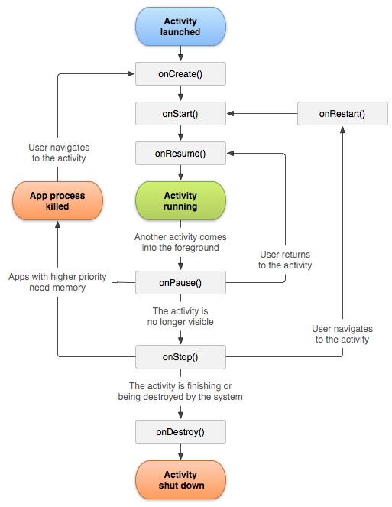
class Activity
 | وهو كلاس مختص بالنشاط الذي يحدث يعني اذا اشتغل التطبيق او إعادة التشغيل او اطفائه
Nested classes | الكلاسات التابعه لها

Public constructors | طريقة البناء

Constants | البارميتر

methods | الفونكشن

onCreate | تُنفذ عند إنشاء الـ Activity لأول مرة. تُستخدم لتهيئة الواجهة وتعيين عناصر الواجهة.
onStart | تُنفذ بعد onCreate وقبل أن يبدأ الـ Activity في التفاعل مع المستخدم.
onResume | تُنفذ عندما يصبح الـ Activity في المقدمة ويتفاعل مع المستخدم.
onPause | تُنفذ عندما ينتقل الـ Activity من المقدمة إلى الخلفية. يُستخدم لحفظ البيانات غير المحفوظة.
onStop | تُنفذ عندما يصبح الـ Activity غير مرئي. يُستخدم لإيقاف تنفيذ بعض الموارد.
onDestroy | تُنفذ قبل إزالة الـ Activity نهائيًا من الذاكرة. يُستخدم لتحرير الموارد وإجراء التنظيف النهائي.
onRestart | تُنفذ بعد onStop عندما يُعاد الـ Activity إلى المقدمة. يُستخدم لاستعادة الحالة المحفوظة.
onActivityResult(int requestCode, int resultCode, Intent data, ComponentCaller caller) | onActivityResult resultCode ويسمى برمز الطلب يعني هل الطلب تم ام لا طبعا تقدر تستخدم setResult(RESULT_OK,bacintent); لاضافة طلب و الاضافه هنا هي RESULT_OK وتعني الطلب تم ويوضع الكود في الصفحه الثانيه ومع ذالك يمكنك إضافة بيانات مع الطلب وكلها في الصفحه الثانية requestCode Intent data ويقصد بهذا الكود البيانات التي ارسلت او مرة للنشاط intent.putExtra("name3","السلام عليكم"); فقط حط المفتاح
startActivity(Intent intent) | هذه الفونكشن تستخدم مع class Intent وهي مخصصه لبدء نشاط جديد | protected void onCreate(Bundle savedInstanceState) { super.onCreate(savedInstanceState); setContentView(R.layout.activity_main); button = findViewById(R.id.button); textView = findViewById(R.id.textView); textView.setTextColor(Color.RED); button.setOnClickListener(new View.OnClickListener() { @Override public void onClick(View view) { Intent intent=new Intent(MainActivity.this,MainActivity2.class); startActivity(intent); } });
startActivityForResult(Intent intent, int requestCode) | لبد نشاط جديد مع ارجاع شي اذا اشتغل النشاط الجديد Intent ويعني النشاط الجديد الي سويته requestCode وهذا فاريبول تعرفه من نوع private final int علشان مايتغير ويصير زي الرقم السري بين الانشطه يتم تداوله علشان يعرف من فين جا الكود | الصفخه الأولى private final int PICK_IMAGE_REQUEST=1; @Override protected void onCreate(Bundle savedInstanceState) { super.onCreate(savedInstanceState); setContentView(R.layout.activity_main); textview = findViewById(R.id.textView); button = findViewById(R.id.button); button.setOnClickListener(new View.OnClickListener() { @Override public void onClick(View v) { Intent intent=new Intent(MainActivity.this,MainActivity2.class); intent.putExtra("name3","السلام عليكم"); startActivityForResult(intent,PICK_IMAGE_REQUEST);}}); } @Override protected void onActivityResult(int requestCode, int resultCode, @Nullable Intent data) { super.onActivityResult(requestCode, resultCode, data); if(requestCode == PICK_IMAGE_REQUEST && resultCode == RESULT_OK ){ String gg=data.getStringExtra("name9"); Toast.makeText(getApplicationContext(), gg, Toast.LENGTH_SHORT).show();}}} الصفحه الثانية private final int PICK_IMAGE_REQUEST=1; @Override protected void onCreate(Bundle savedInstanceState) { super.onCreate(savedInstanceState); setContentView(R.layout.activity_main); textview = findViewById(R.id.textView); button = findViewById(R.id.button); button.setOnClickListener(new View.OnClickListener() { @Override public void onClick(View v) { Intent intent=new Intent(MainActivity.this,MainActivity2.class); intent.putExtra("name3","السلام عليكم"); startActivityForResult(intent,PICK_IMAGE_REQUEST);}}); } @Override protected void onActivityResult(int requestCode, int resultCode, @Nullable Intent data) { super.onActivityResult(requestCode, resultCode, data); if(requestCode == PICK_IMAGE_REQUEST && resultCode == RESULT_OK ){
setResult() | تُستخدم لإرجاع نتيجة من نشاط وعادة تكون في الصفحه الثانية والقيمة دائما RESULT_OK
finish() | انهاء عمل النشاط الحالي وتوضع داخل أي ميثد

android.content
class Resources كلاس الوصول الى الموارد
 | هوكلاس يوصلك للموارد مثل الاسترنق والألوان وغيرها

Nested classes | الكلاسات التابعه لها
Resources.NotFoundException
Resources.Theme
Public constructors | طريقة البناء
getResources()

Constants | البارميتر
ID_NULL

methods | الفونكشن
getText(int id) | احضار التكست وبين الاقواس كلاس R مع الاي دي حق التكست الموجود في ملف الاسترنق | protected void onCreate(Bundle savedInstanceState) { super.onCreate(savedInstanceState); setContentView(R.layout.activity_main); calendarView = findViewById(R.id.calendarView); button = findViewById(R.id.button); textView = findViewById(R.id.textView); button.setOnClickListener(new View.OnClickListener() { @Override public void onClick(View view) { alertDialog = new AlertDialog.Builder(MainActivity.this); alertDialog.setTitle("تأكيد الحذف"); alertDialog.setMessage("هل أنت متأكد أنك تريد حذف هذا العنصر؟"); alertDialog.setPositiveButton("نعم", new DialogInterface.OnClickListener() { @Override public void onClick(DialogInterface dialog, int which) { textView.setText(getResources().getString( R.string.app) ); } }); alertDialog.setNegativeButton("لا", new DialogInterface.OnClickListener() { @Override public void onClick(DialogInterface dialog, int which) { dialog.cancel(); } }); AlertDialog dialog = alertDialog.create(); dialog.show(); } }); }
getResources() | وهذه الفونكشن هي الأساس لابد من كتابتها ثما بعدها تكتب أي فونكشن من فونكشنات class Resources

class Intent
 | يطلب من النظام تنفيذ إجراء معين مثل الانتقل من صفحة الى صفحة بمعنى اصح مثل القائد يوجه أوامر

Nested classes | الكلاسات التابعه لها
Intent.FilterComparison
Intent.ShortcutIconResource
Public constructors | طريقة البناء
Intent intent=new Intent(); | طريقة البناء الرئيسية
Intent()
Intent(Intent o)
Intent(String action)
Intent(String action, Uri uri)
Intent(Context packageContext, Class<?> cls) | للانتقال من صفحه الى صفحة | protected void onCreate(Bundle savedInstanceState) { super.onCreate(savedInstanceState); setContentView(R.layout.activity_main); button = findViewById(R.id.button); textView = findViewById(R.id.textView); textView.setTextColor(Color.RED); button.setOnClickListener(new View.OnClickListener() { @Override public void onClick(View view) { Intent intent=new Intent(MainActivity.this,MainActivity2.class); startActivity(intent); } });
Intent(String action, Uri uri, Context packageContext, Class<?> cls)
Constants | البارميتر

methods | الفونكشن

putExtra() | لتمرير المعلومات من نشاط الى نشاط وتكون على هيئة مفتاح وقيمة | الصفحه الأولى super.onCreate(savedInstanceState); setContentView(R.layout.activity_main); textview = findViewById(R.id.textView); button = findViewById(R.id.button); button.setOnClickListener(new View.OnClickListener() { @Override public void onClick(View v) { Intent intent=new Intent(MainActivity.this,MainActivity2.class); intent.putExtra("name3","السلام عليكم"); startActivity(intent); } }); } الصفحه الثانية rotected void onCreate(Bundle savedInstanceState) { super.onCreate(savedInstanceState); setContentView(R.layout.activity_main2); textView2=findViewById(R.id.textView2); Intent intent2=getIntent(); textView2.setText(intent2.getStringExtra("name3")); }
getIntent() | لاستقبال النشاط في الصفحه الثانية كانك تفتح الباب للنشاط يوصل للصفخه الثانية وتقدر ترسل أي شي من رقم وحروف
getStringExtra() | احضار الاسترنق الي الي تم ارساله وبين الاقواس تحط المفتاح
getExtras() | وتعني احضر الإضافات التي أرسلت من النشاط الرئيسي

android.util
class Log
 | تُستخدم لتسجيل الرسائل والنصوص المختلفة في سجل الأخطاء (Logcat). يعني الكونسل

Nested classes | الكلاسات التابعه لها

Public constructors | طريقة البناء

Constants | البارميتر
Log.VERBOSE | يستخدم لتسجيل الرسائل التفصيلية الأكثر تفصيلاً. هذه الرسائل غالباً ما تكون مفيدة عند فحص التفاصيل الدقيقة خلال التطوير. | Log.println(Log.VERBOSE, "TAG", "Verbose message");
Log.DEBUG | يستخدم لتسجيل رسائل تصحيح الأخطاء التي توفر معلومات حول تدفق البرنامج وحالة المتغيرات. مفيد لتتبع الأخطاء ومراقبة التنفيذ.
Log.INFO | يستخدم لتسجيل الرسائل العامة التي تعطي معلومات عن العمليات العادية والأحداث الهامة في التطبيق.
Log.WARN | يستخدم لتسجيل الرسائل التحذيرية التي تشير إلى وجود مشاكل محتملة قد تحتاج إلى اهتمام، لكنها لا تعني بالضرورة أن التطبيق سيتوقف.
Log.ERROR | يستخدم لتسجيل رسائل الأخطاء التي تشير إلى مشاكل خطيرة قد تؤدي إلى توقف التطبيق أو جزء منه.
Log.WTF | يستخدم لتسجيل الرسائل التي تشير إلى حالات فشل غير متوقعة وشديدة، التي تعتبر نادرة جداً ويجب معالجتها بحذر
methods | الفونكشن
Log.v | تسجيل رسائل تفصيلية، مفيدة أثناء تطوير التطبيق لمراقبة تفاصيل دقيقة.
Log.d | تسجيل رسائل تصحيحية، لمتابعة تدفق البرنامج وحالة المتغيرات أثناء التطوير. | Log.d("fa","af"+f);
Log.i | تسجيل رسائل عامة، تقدم معلومات حول العمليات العادية في التطبيق.
Log.w | تسجيل رسائل تحذيرية، تشير إلى مشاكل محتملة قد تحتاج إلى معالجة.
Log.e | تسجيل رسائل أخطاء، تشير إلى مشاكل خطيرة قد تؤدي إلى توقف التطبيق أو جزء منه.
Log.wtf | تسجيل رسائل فشل خطير، تشير إلى حالات فشل غير متوقعة وشديدة.

android.os
class Bundle
 | هو حاوية لتخزين البيانات في شكل أزواج مفتاح/قيمة علشان لو تغير حالة النشاط مثل تغيير حاله الشاشة من افقي الى عامودي او الاتصال بشاشة خارجية يحي دور Bundle يحفظ البينات لا تتغير ولنقل البيانات بين الأنشطة طبعا مع استخدام كلاس Intent يعني تنقل البينات من نشاط الى نشاط ( Activities )

Nested classes | الكلاسات التابعه لها

Public constructors | طريقة البناء
Bundle bundle = new Bundle();

Constants | البارميتر
Bundle(ClassLoader loader)
Bundle(int capacity)
Bundle(Bundle b)
Bundle(PersistableBundle b)
Bundle() | بدون وضع أي شي في الاقواس | Bundle bundle = new Bundle();
methods | الفونكشن
 |  | الصفحه الأولى protected void onCreate(Bundle savedInstanceState) { super.onCreate(savedInstanceState); setContentView(R.layout.activity_main); textview = findViewById(R.id.textView); button = findViewById(R.id.button); button.setOnClickListener(new View.OnClickListener() { @Override public void onClick(View v) { Intent intent=new Intent(MainActivity.this,MainActivity2.class); intent.putExtra("name3","السلام عليكم"); startActivity(intent); } }); }
 |  | الصفحه الثانية protected void onCreate(Bundle savedInstanceState) { super.onCreate(savedInstanceState); setContentView(R.layout.activity_main2); textView2=findViewById(R.id.textView2); Bundle intent2=getIntent().getExtras(); textView2.setText(intent2.getString("name3")); }

شروحات Android
الكود | شرح

الألوان color
#RRGGBB | يستخدم الاندرويد صيغ HEX (Hexadecimal) والتي تعني 6 ارقام مع حروف | #e04c4c
RR: | مقدار اللون الأحمر (Red) في اللون.
GG: | مقدار اللون الأخضر (Green) في اللون.
BB: | مقدار اللون الأزرق (Blue) في اللون
https://www.colorhexa.com/e04c4c | موقع لحساب الألوان

دمج View.OnClickListener مع الكلاس الرئيسي

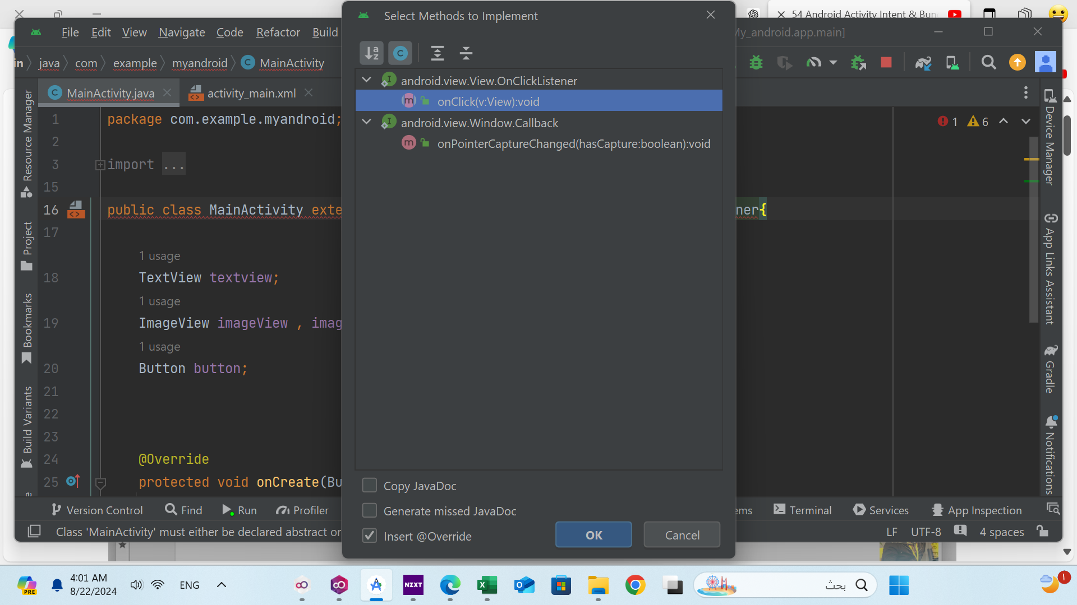
View.OnClickListener | هذا كلاس الضغط تقدر تدمجه مع الكلاس الرئيسي بحيث مع تكتب كلاس View.OnClickListener كل مرة بس تستخدم الميثد مباشر
implements | ويعني يرث من كلاس او عنصر من ضمن كلاس
 | بعد ما تسوي وراثه للكلاس View.OnClickListener هتضهر لديك نافذه للاختيار وهنا تختار الميثد الي تريد من الكلاس الي ورثت منه

