Regenration Heater
 |  |  |  |  |  |  | Reference Structure : PR2618
Regeneration gas Heater

Assumed temperature for regeneration |  |  | 210 | °C | Can be between the range of 200-220°C)
Gas temperature |  |  | 20 | °C

Total Amount of water (h2O kg) |  |  | 187 | kg |  |  |  |  |  |  |  | Ratio of cooling/heating
Total Amount of mol Sieve |  |  | 1697 | kg
Weight of the vessel (PR2618) |  |  | 2913.3133098 | kg | (Subject to change) |  |  |  |  |  |  |  | 0.4485860642 | ***Check on heat balance***
Weight when bypassing heater ( for cooling) |  |  | 2763.3133098 | kg | (Subject to change)

 |  |  |  |  |  |  |  | Reference data
To get the power consumption for the regeneration process , the different energy steps should be taken into considerations based on the time required for those processes |  |  |  |  |  |  |  | CP | Value
 |  |  |  |  |  |  |  | cp-Molecular Sieve | 1.07 | kJ/kgK
1 | Energy required for complete desoprtion of water |  |  | 784222 | kJ | 0.5254850043 |  | cp Steel | 0.586 | kJ/kgK | Specific Heat Capacity of Metals Table Chart (engineersedge.com)
 |  |  |  |  |  |  |  | cp water vapor | 1.88 | kj/kgK | Water Vapor - Specific Heat vs. Temperature (engineeringtoolbox.com)
2 | To Heat the water vapors to the regenration temperature |  |  | 38696 | kJ | 0.025928931498

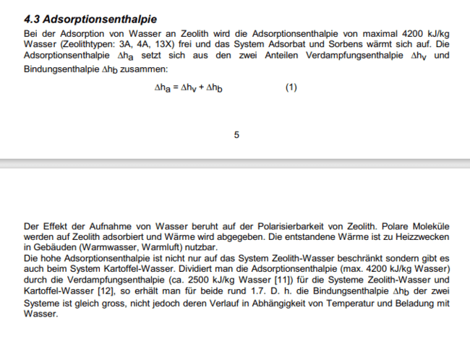
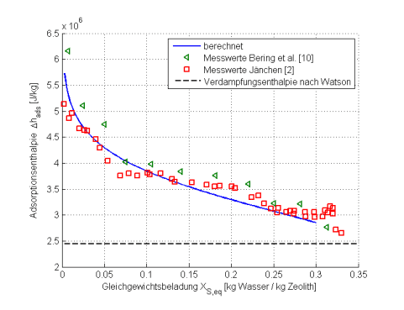
3 | Heating required for the molecular Sieve |  |  | 345092 | kJ | 0.23123615016
 |  |  |  |  |  |  |  | Multiplied by 4200kj/kg because that is the max adsorption enthalpy for water for zeolite type 3A,4A etc |  |  |  |  |  | See the diagram for explanation
4 | Energy required to heat the Vessel |  |  | 324368 | kJ | 0.21734991404

 | Total |  |  | 1492378 | kJ

 | Now the molecular sieve and the dryer have to be cooled down as well

5 | Energy disspiated for cooling |  |  | 669460 | kJ

Regeneration Flowrate is chosen based on the assumption that it should be roughly 3-4% of the process gas flowrate
Hence

Assumed | Regeneration Flow | 360 | Nm3/h | 31.68 | kg/h

Actual Flow rate of Reg gas

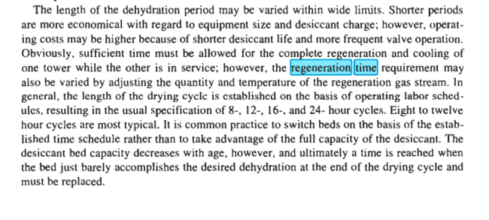
 | Total energy including heating for the total duration of regenration |  |  | 87786.961178 | kJ/h
 |  | Using the assumed flow |  | 86676.48 | kJ/h
 |  |  |  | Sum | 108523 | KJ/h
 |  |  |  |  | 30.145266994 | KW

 |  |  |  | TOTAL FLOWRATE CALC | 39.664824992 | kg/h
 |  |  |  |  | 450.73664763 | Nm3/h
 |  |  |  | Concentration Reggas | 4%
 |  |  |  | Actual power | 108522.96118
 |  |  |  |  | 30.136826319 | KW

 | Time for Heating | 17 | h
 | Timefor Pressure Build up/reduction | 0.5 | h
 | Cooling Time | 6 | h

Therefore
 |  |  |  |  |  |  |  |  | Proper regeneration of molecular sieves in TSA processes—Part 2 | Gas Processing & LNG (gasprocessingnews.com)
 | Regenration flow rate | 42 | kg/h | 473 | Nm3/h | We need to adjust this value to get the optimal energy consumption

 | The total energy will be | 113949.10924 | kJ/h
 |  | 31.651644073 | KW
 |  | 34.500292039

 | Total Power needed | 35 | kW
 | Installed power | 38 | kW

 | Check for calculation

 | 683694.65542 | >= | 669460 | TRUE
 | 683694.65542 | >= | 652759.12585 | TRUE

 | (clarify the division with 4,18 kcal) | FRAGE?????

Regenration_Calculation
 |  |  |  |  |  | Reference Structure : PR2618
Regeneration
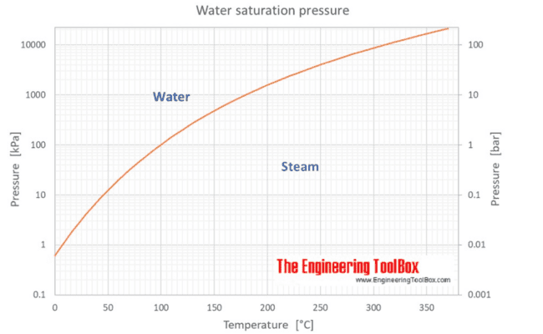
Process Gas flowrate | 12000 | Nm3/h
Inlet Temperature | 20 | °C
Pressure | 31 | bara

Relative Humidity of water assumed | 100.00%
P_saturated_h2O | 0.02331 | bar | Water - Saturation Pressure vs. Temperature (engineeringtoolbox.com)

Required Water (in Nm3/h) | 9.68 | Nm3/h

Mass flow rate at standard conditions (g/h) | 7779.98 | g/h | Molecular weight (h2O) | 18.01 | g/mol

Volmetric flow rate at operating conditions (m3/h) | 415.45551223 | m3/h

Density (g/m3) | 18.726396158 | g/m3

Considering a period of | 24 | h
Hence total water required will be | 186719.6282 | g | 186.7196282 | kg

The enthalpy of vaporization of H2O | 2257 | kJ/kg | Water - Heat of Vaporization vs. Temperature (engineeringtoolbox.com)
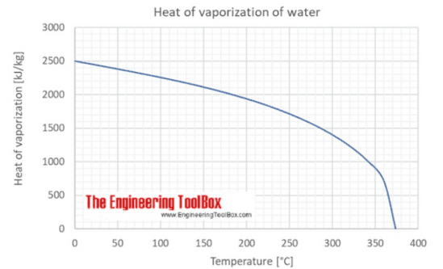
Assumption of service life | 24 | h

Holding capacity | 11 | %

wt/wt% (gh2O/1kg Mol sieve) | 110

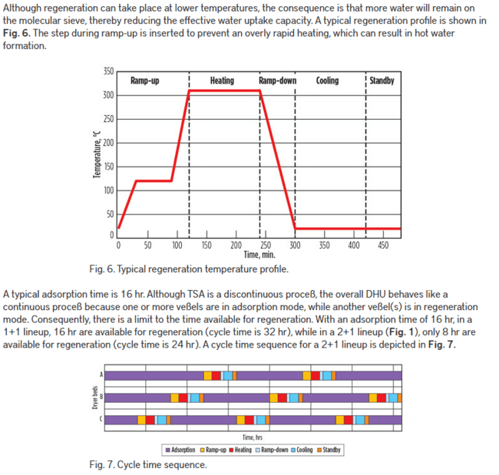

 |  |  | Optimal design and operation of molecular sieve gas dehydration units—Part 1 | Gas Processing & LNG (gasprocessingnews.com)

