nbr compaigns per subcategory
Nbr of campaigns were successful, failed, canceled, or are currently live per sub category
 | canceled | failed | live | successful
animation | 1 | 10 | 2 | 21
audio |  |  |  | 4
documentary | 4 | 21 | 1 | 34
drama | 2 | 12 | 1 | 22
electric music |  | 8 |  | 10
fiction | 1 | 7 |  | 9
food trucks | 4 | 20 |  | 22
indie rock | 3 | 19 |  | 23
jazz | 1 | 6 |  | 10
metal |  | 3 |  | 4
mobile games |  | 8 | 1 | 4
nonfiction | 1 | 6 | 1 | 13
photography books | 4 | 11 | 1 | 26
plays | 23 | 132 | 2 | 187
radio & podcasts |  | 4 |  | 4
rock | 6 | 30 |  | 49
science fiction |  | 9 |  | 5
shorts | 1 | 5 | 1 | 9
television | 3 | 3 |  | 11
translations |  | 7 |  | 14
video games | 1 | 15 | 2 | 17
wearables |  | 16 | 1 | 28
web | 2 | 12 | 1 | 36
world music |  |  |  | 3

nbr compaigns per parencategory
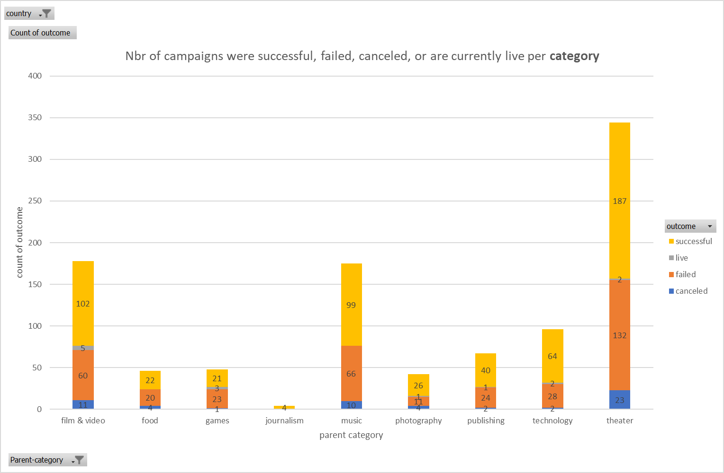

pivot table
Nbr of campaigns were successful, failed, canceled, or are currently live per sub category
 | canceled | failed | live | successful
animation | 1 | 10 | 2 | 21
audio |  |  |  | 4
documentary | 4 | 21 | 1 | 34
drama | 2 | 12 | 1 | 22
electric music |  | 8 |  | 10
fiction | 1 | 7 |  | 9
food trucks | 4 | 20 |  | 22
indie rock | 3 | 19 |  | 23
jazz | 1 | 6 |  | 10
metal |  | 3 |  | 4
mobile games |  | 8 | 1 | 4
nonfiction | 1 | 6 | 1 | 13
photography books | 4 | 11 | 1 | 26
plays | 23 | 132 | 2 | 187
radio & podcasts |  | 4 |  | 4
rock | 6 | 30 |  | 49
science fiction |  | 9 |  | 5
shorts | 1 | 5 | 1 | 9
television | 3 | 3 |  | 11
translations |  | 7 |  | 14
video games | 1 | 15 | 2 | 17
wearables |  | 16 | 1 | 28
web | 2 | 12 | 1 | 36
world music |  |  |  | 3
country | (Multiple Items)
Parent-category | (Multiple Items)

Count of outcome | Column Labels
Row Labels | canceled | failed | live | successful | Grand Total
animation | 1 | 10 | 2 | 21 | 34
audio |  |  |  | 4 | 4
documentary | 4 | 21 | 1 | 34 | 60
drama | 2 | 12 | 1 | 22 | 37
electric music |  | 8 |  | 10 | 18
fiction | 1 | 7 |  | 9 | 17
food trucks | 4 | 20 |  | 22 | 46
indie rock | 3 | 19 |  | 23 | 45
jazz | 1 | 6 |  | 10 | 17
metal |  | 3 |  | 4 | 7
mobile games |  | 8 | 1 | 4 | 13
nonfiction | 1 | 6 | 1 | 13 | 21
photography books | 4 | 11 | 1 | 26 | 42
plays | 23 | 132 | 2 | 187 | 344
radio & podcasts |  | 4 |  | 4 | 8
rock | 6 | 30 |  | 49 | 85
science fiction |  | 9 |  | 5 | 14
shorts | 1 | 5 | 1 | 9 | 16
television | 3 | 3 |  | 11 | 17
translations |  | 7 |  | 14 | 21
video games | 1 | 15 | 2 | 17 | 35
wearables |  | 16 | 1 | 28 | 45
web | 2 | 12 | 1 | 36 | 51
world music |  |  |  | 3 | 3
Grand Total | 57 | 364 | 14 | 565 | 1000

