Sheet1
Manual Excel Calculation for Payslip
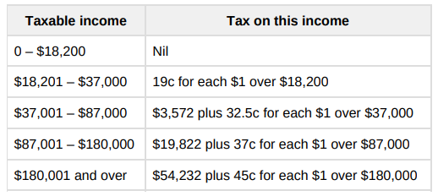

1 | Name | Andrew Smith
 | Income | 60050
 | Super tax | 9

 | Payslip Result
 | Tax | $922
 | Gross Income | $5,004
 | Net Income | $4,082
 | Super Tax | $450

2 | Name | Claire Wong
 | Income | 120000
 | Super tax | 10

 | Payslip Result
 | Tax | $2,669
 | Gross Income | $10,000
 | Net Income | $7,331
 | Super Tax | $1,000

3 | Name | John Wayne
 | Income | 195000
 | Super tax | 12

 | Payslip Result
 | Tax | $5,082
 | Gross Income | $16,250
 | Net Income | $11,168
 | Super Tax | $1,950

