LR2.1 EDA
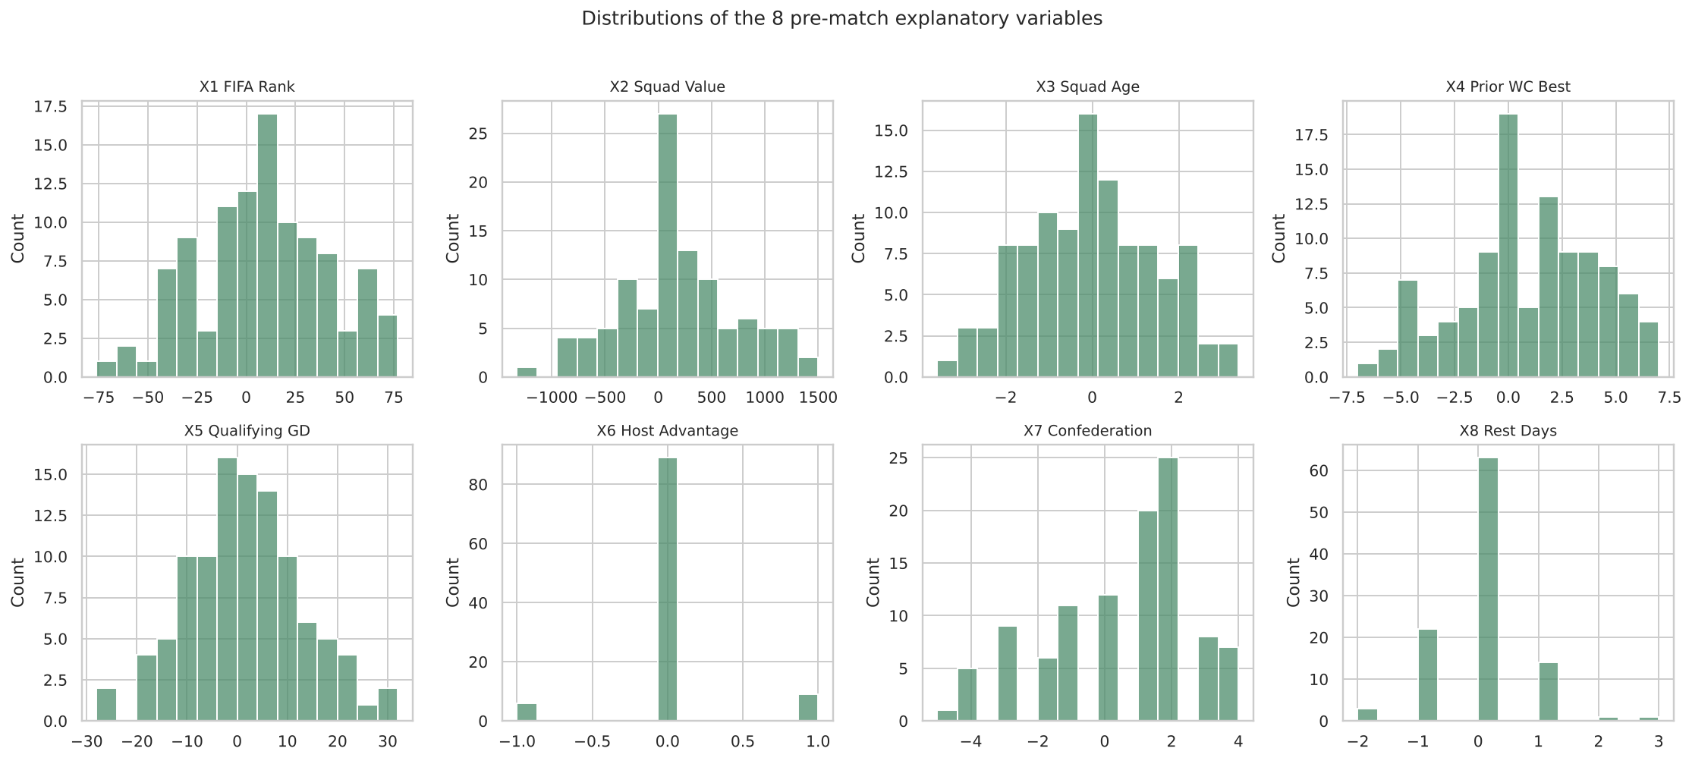
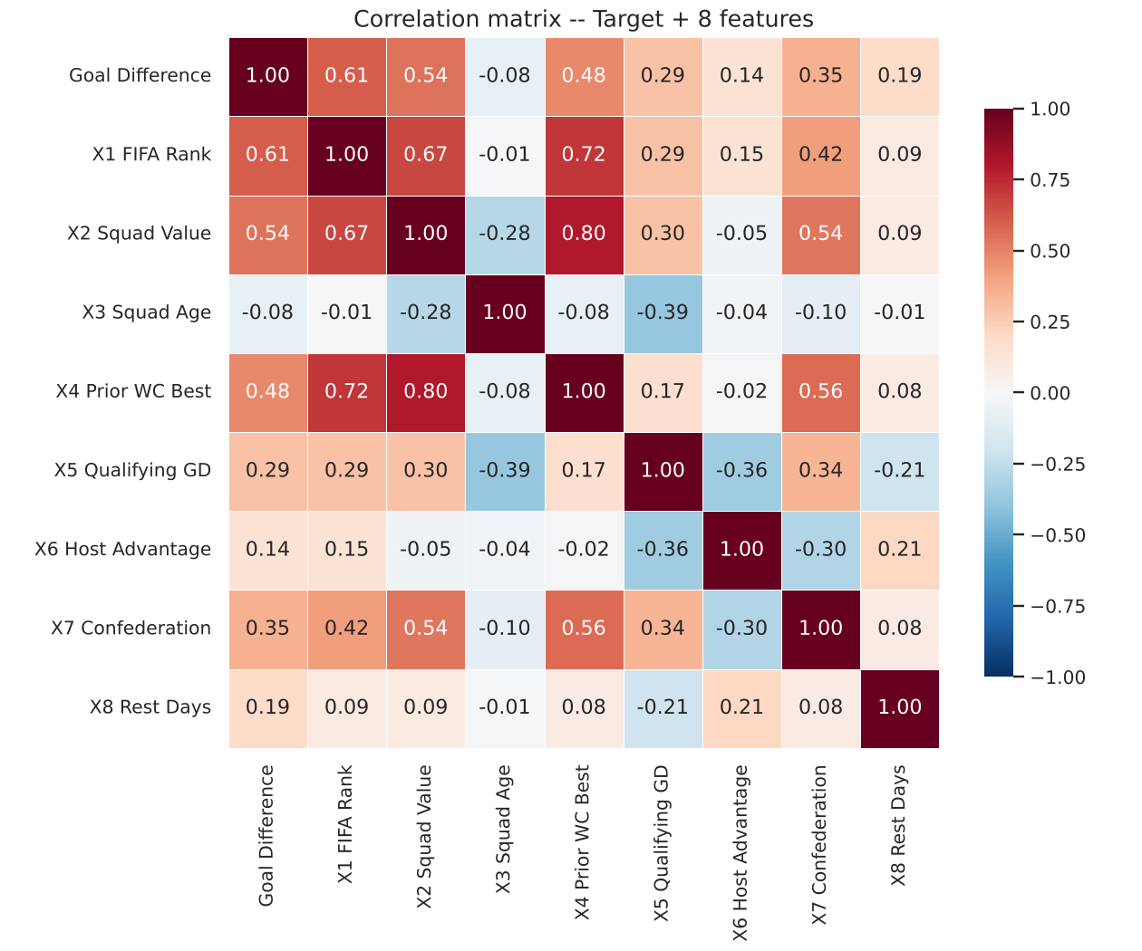
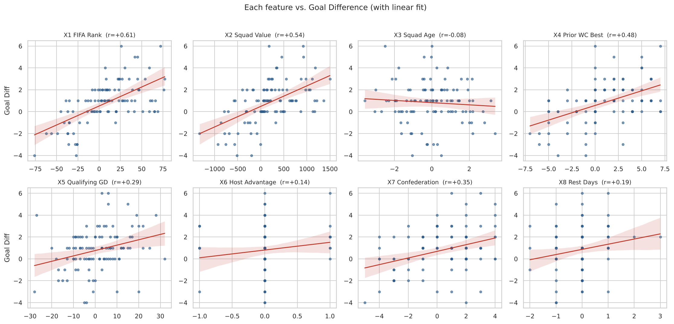
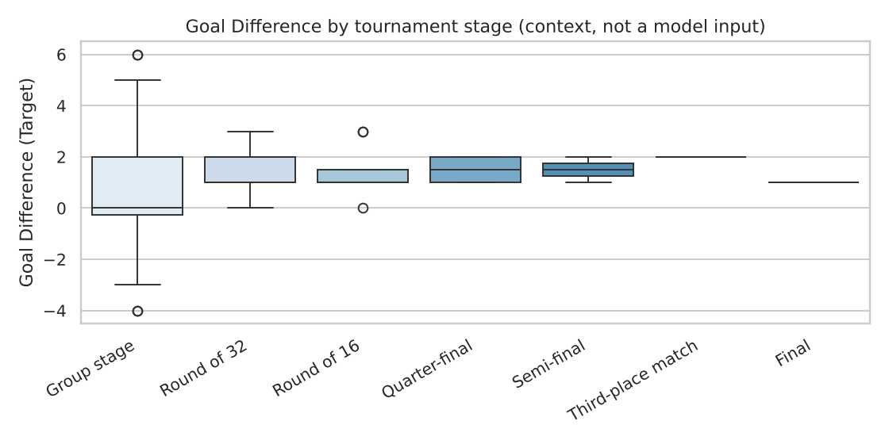
LR 2.1 — Exploratory Data Analysis
104 matches, 2026 FIFA World Cup — target: Goal Difference, 8 pre-match features

Key findings
• Missing values: none — all 104 rows x 8 features are fully populated (0 NA anywhere).
• Target (Goal Difference) is NOT normally distributed (Shapiro-Wilk W=0.956, p=0.0015) — expected, since it's a bounded integer count with a floor near 0 (most matches are close, few are routs). Flag this in the report if the group plans an OLS-assumptions discussion.
• Strongest single predictors of Goal Difference: X1 FIFA Rank Diff (r=+0.61), X2 Squad Value Diff (r=+0.54), X4 Prior WC Best Result Diff (r=+0.48). These three all point the same direction: a 'stronger team' signal.
• Weakest predictors: X3 Squad Age Diff (r=-0.08, essentially no linear relationship) and X6 Host Advantage (r=+0.14, only 3 host teams in the data so limited variation).
• Multicollinearity flag: X1 (FIFA Rank), X2 (Squad Value) and X4 (Prior WC Best) are all moderately-to-strongly correlated with each other (r=0.67-0.80) — they're all proxies for the same underlying 'team strength' concept. VIF for all three is still under 5 (acceptable), but this is worth naming explicitly in the report's limitations section.
• X6 Host Advantage: only 15 of 104 matches involve a host (USA, Mexico or Canada), and the host effect is not statistically significant (r=+0.14, p=0.15; host-perspective mean goal difference +0.87, one-sample t-test p=0.19). Keep it on theoretical grounds but report it as an imprecise estimate.
• Home/Away slot is not a true home advantage: the mean goal difference across all matches is +0.83 (p<0.001) because stronger or seeded teams tend to be listed first (mean X1 rank difference = +8.9). Expect a positive intercept in the models and explain this in the report.

Descriptive statistics
Variable | count | mean | std | min | 25% | 50% | 75% | max | skew
Goal Difference (Target) | 104 | 0.83 | 1.91 | -4 | 0 | 1 | 2 | 6 | 0
X1 FIFA Rank Diff (Away-Home) | 104 | 8.88 | 33.23 | -76 | -10.75 | 8.5 | 30 | 77 | -0.03
X2 Squad Value Diff EURm (Home-Away) | 104 | 183.77 | 552.68 | -1325.45 | -141.42 | 146 | 481.21 | 1498.8 | 0.06
X3 Squad Age Diff (Home-Away) | 104 | -0.01 | 1.49 | -3.58 | -1.11 | 0.02 | 1.02 | 3.38 | -0.02
X4 Prior WC Best Result Diff (Home-Away) | 104 | 0.97 | 3.42 | -7 | -1 | 1 | 4 | 7 | -0.25
X5 Qualifying GD Diff (Home-Away) | 104 | 1.31 | 11.35 | -28 | -7 | 2 | 8 | 32 | 0.11
X6 Host Advantage Diff (Home-Away) | 104 | 0.03 | 0.38 | -1 | 0 | 0 | 0 | 1 | 0.31
X7 Confederation Strength Diff (Home-Away) | 104 | 0.45 | 2.21 | -5 | -1 | 1 | 2 | 4 | -0.51
X8 Rest Days Diff (Home-Away) | 104 | -0.09 | 0.76 | -2 | 0 | 0 | 0 | 3 | 0.41

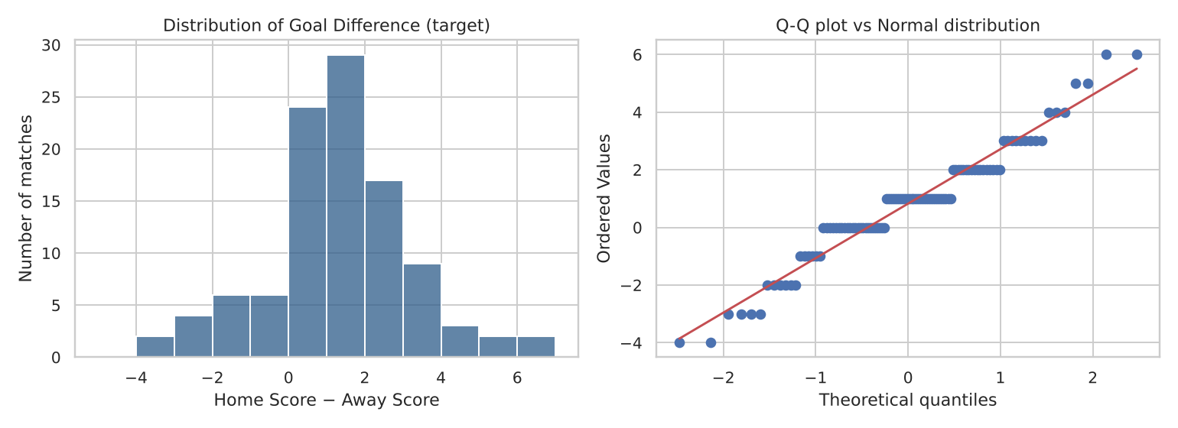
Charts

